NANOS1 _multivariate
Reported by Tex Li-Hsing Chi. tex@gate.sinica.edu.tw 2019-08-17

Table 2. The clinicopathological features of HNSCC cohort and NANOS1 expression. (Chi square test)
Cutoff at -0.282 (50.0%)
 |  | NANOS1 expression |  | NANOS1 expression |  | (Optimised)
 | Features | Low | (%) | High | (%) | Case no | P-value | Remark | Matthews
Gender | Female | 153 | 36.9 | 153 | 36.9 | 415 | 1 | 0 | 0
2 | Male | 54 | 13 | 55 | 13.3
Age at diagnosis | <=65y | 137 | 33 | 137 | 33 | 415 | 1 | 0 | 0
4 | >65y | 70 | 16.9 | 71 | 17.1
Clinical T Status | T1+T2 | 65 | 15.7 | 84 | 20.2 | 415 | 0.0711 | 0 | 0
6 | T3+T4 | 142 | 34.2 | 124 | 29.9
Clinical N Status | N0 | 98 | 23.6 | 118 | 28.4 | 415 | 0.0694 | 0 | 0
8 | N1-3 | 109 | 26.3 | 90 | 21.7
Clinical M Status | M0 | 207 | 49.9 | 205 | 49.4 | 415 | 0.2482 | 0 | 0
10 | M1 | 0 | 0 | 3 | 0.7
Clinical Stage | Stage I+II | 40 | 9.6 | 62 | 14.9 | 415 | 0.018 | 1 | 0
12 | Stage III+IV | 167 | 40.2 | 146 | 35.2
Surgical Margin status | Negative | 158 | 38.1 | 160 | 38.6 | 415 | 0.9081 | 0 | 0
14 | Positive | 49 | 11.8 | 48 | 11.6
Tobacco Exposure | Low | 78 | 18.8 | 83 | 20 | 415 | 0.6873 | 0 | 0
16 | High | 129 | 31.1 | 125 | 30.1

Table 3. Univariate/Multivariate Cox's proportional hazards regression analyses on OS time of NANOS1 gene expression in HNSCC

 |  | Univariate |  |  |  | Multivariate
 | Features | HR | CI95%(L) | CI95%(H) | P-value | HR | CI95%(L) | CI95%(H) | P-value
1 | Female | 1 |  |  |  | 1
Gender | Male | 1.157 | 0.843 | 1.587 | 0.367 | 1.208 | 0.866 | 1.687 | 0.266
11 | <=65y | 1 |  |  |  | 1
Age at diagnosis | >65y | 1.329 | 0.99 | 1.784 | 0.058 | 1.391 | 1.023 | 1.89 | 0.035
12 | T1+T2 | 1 |  |  |  | 1
Clinical T Status | T3+T4 | 1.409 | 1.028 | 1.931 | 0.033 | 2.239 | 1.183 | 4.237 | 0.013
13 | N0 | 1 |  |  |  | 1
Clinical N Status | N1-3 | 1.185 | 0.89 | 1.577 | 0.246 | 1.23 | 0.862 | 1.755 | 0.254
14 | M0 | 1 |  |  |  | 1
Clinical M Status | M1 | 4.097 | 1.009 | 16.644 | 0.049 | 10.847 | 2.334 | 50.407 | 0.002
15 | Stage I+II | 1 |  |  |  | 1
Clinical Stage | Stage III+IV | 1.245 | 0.882 | 1.759 | 0.213 | 0.484 | 0.225 | 1.043 | 0.064
16 | Negative | 1 |  |  |  | 1
Surgical Margin status | Positive | 1.591 | 1.155 | 2.191 | 0.004 | 1.706 | 1.233 | 2.362 | 0.001
17 | Low | 1 |  |  |  | 1
Tobacco Exposure | High | 1.364 | 1.008 | 1.844 | 0.044 | 1.471 | 1.067 | 2.027 | 0.018
18 | Low | 1 |  |  |  | 1
RNAseq(z-score) | High | 0.854 | 0.64 | 1.138 | 0.28 | 0.807 | 0.602 | 1.083 | 0.154

Table 4. Univariate/Multivariate Cox's proportional hazards regression analyses on RFS time of NANOS1 gene expression in HNSCC

 |  | Univariate |  |  |  | Multivariate
 | Features | HR | CI95%(L) | CI95%(H) | P-value | HR | CI95%(L) | CI95%(H) | P-value
1 | Female | 1 |  |  |  | 1
Gender | Male | 1.157 | 0.843 | 1.587 | 0.367 | 1.208 | 0.866 | 1.687 | 0.266
11 | <=65y | 1 |  |  |  | 1
Age at diagnosis | >65y | 1.329 | 0.99 | 1.784 | 0.058 | 1.391 | 1.023 | 1.89 | 0.035
12 | T1+T2 | 1 |  |  |  | 1
Clinical T Status | T3+T4 | 1.409 | 1.028 | 1.931 | 0.033 | 2.239 | 1.183 | 4.237 | 0.013
13 | N0 | 1 |  |  |  | 1
Clinical N Status | N1-3 | 1.185 | 0.89 | 1.577 | 0.246 | 1.23 | 0.862 | 1.755 | 0.254
14 | M0 | 1 |  |  |  | 1
Clinical M Status | M1 | 4.097 | 1.009 | 16.644 | 0.049 | 10.847 | 2.334 | 50.407 | 0.002
15 | Stage I+II | 1 |  |  |  | 1
Clinical Stage | Stage III+IV | 1.245 | 0.882 | 1.759 | 0.213 | 0.484 | 0.225 | 1.043 | 0.064
16 | Negative | 1 |  |  |  | 1
Surgical Margin status | Positive | 1.591 | 1.155 | 2.191 | 0.004 | 1.706 | 1.233 | 2.362 | 0.001
17 | Low | 1 |  |  |  | 1
Tobacco Exposure | High | 1.364 | 1.008 | 1.844 | 0.044 | 1.471 | 1.067 | 2.027 | 0.018
18 | Low | 1 |  |  |  | 1
RNAseq(z-score) | High | 0.854 | 0.64 | 1.138 | 0.28 | 0.807 | 0.602 | 1.083 | 0.154

Kaplan-Meier survival estimate: Cutoff at -0.282 (50.0%)



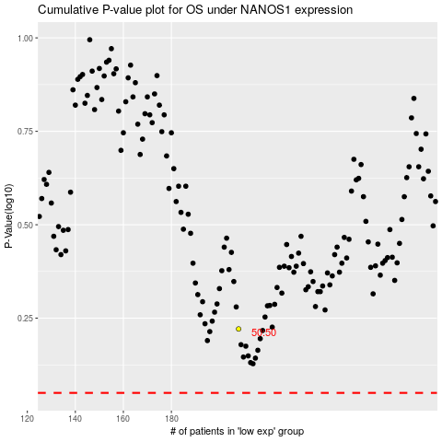

 |  |  |  |  |  | cases_OS | p_OS | rank | exp
 |  |  |  |  |  |  | cases_RFS | p_RFS | rank | exp

