NANS _multivariate
Reported by Tex Li-Hsing Chi. tex@gate.sinica.edu.tw 2019-08-17

Table 2. The clinicopathological features of HNSCC cohort and NANS expression. (Chi square test)
Cutoff at -0.29 (50.0%)
 |  | NANS expression |  | NANS expression |  | (Optimised)
 | Features | Low | (%) | High | (%) | Case no | P-value | Remark | Matthews
Gender | Female | 147 | 35.4 | 159 | 38.3 | 415 | 0.2523 | 0 | 0
2 | Male | 60 | 14.5 | 49 | 11.8
Age at diagnosis | <=65y | 135 | 32.5 | 139 | 33.5 | 415 | 0.8084 | 0 | 0
4 | >65y | 72 | 17.3 | 69 | 16.6
Clinical T Status | T1+T2 | 72 | 17.3 | 77 | 18.6 | 415 | 0.7095 | 0 | 0
6 | T3+T4 | 135 | 32.5 | 131 | 31.6
Clinical N Status | N0 | 109 | 26.3 | 107 | 25.8 | 415 | 0.8812 | 0 | 0
8 | N1-3 | 98 | 23.6 | 101 | 24.3
Clinical M Status | M0 | 207 | 49.9 | 205 | 49.4 | 415 | 0.2482 | 0 | 0
10 | M1 | 0 | 0 | 3 | 0.7
Clinical Stage | Stage I+II | 51 | 12.3 | 51 | 12.3 | 415 | 1 | 0 | 0
12 | Stage III+IV | 156 | 37.6 | 157 | 37.8
Surgical Margin status | Negative | 163 | 39.3 | 155 | 37.3 | 415 | 0.3537 | 0 | 0
14 | Positive | 44 | 10.6 | 53 | 12.8
Tobacco Exposure | Low | 85 | 20.5 | 76 | 18.3 | 415 | 0.3655 | 0 | 0
16 | High | 122 | 29.4 | 132 | 31.8

Table 3. Univariate/Multivariate Cox's proportional hazards regression analyses on OS time of NANS gene expression in HNSCC

 |  | Univariate |  |  |  | Multivariate
 | Features | HR | CI95%(L) | CI95%(H) | P-value | HR | CI95%(L) | CI95%(H) | P-value
1 | Female | 1 |  |  |  | 1
Gender | Male | 1.157 | 0.843 | 1.587 | 0.367 | 1.203 | 0.861 | 1.679 | 0.279
11 | <=65y | 1 |  |  |  | 1
Age at diagnosis | >65y | 1.329 | 0.99 | 1.784 | 0.058 | 1.401 | 1.03 | 1.906 | 0.032
12 | T1+T2 | 1 |  |  |  | 1
Clinical T Status | T3+T4 | 1.409 | 1.028 | 1.931 | 0.033 | 2.21 | 1.168 | 4.181 | 0.015
13 | N0 | 1 |  |  |  | 1
Clinical N Status | N1-3 | 1.185 | 0.89 | 1.577 | 0.246 | 1.255 | 0.878 | 1.794 | 0.212
14 | M0 | 1 |  |  |  | 1
Clinical M Status | M1 | 4.097 | 1.009 | 16.644 | 0.049 | 9.957 | 2.152 | 46.069 | 0.003
15 | Stage I+II | 1 |  |  |  | 1
Clinical Stage | Stage III+IV | 1.245 | 0.882 | 1.759 | 0.213 | 0.496 | 0.23 | 1.066 | 0.072
16 | Negative | 1 |  |  |  | 1
Surgical Margin status | Positive | 1.591 | 1.155 | 2.191 | 0.004 | 1.687 | 1.219 | 2.334 | 0.002
17 | Low | 1 |  |  |  | 1
Tobacco Exposure | High | 1.364 | 1.008 | 1.844 | 0.044 | 1.461 | 1.06 | 2.012 | 0.02
18 | Low | 1 |  |  |  | 1
RNAseq(z-score) | High | 0.981 | 0.736 | 1.306 | 0.894 | 0.903 | 0.675 | 1.209 | 0.494

Table 4. Univariate/Multivariate Cox's proportional hazards regression analyses on RFS time of NANS gene expression in HNSCC

 |  | Univariate |  |  |  | Multivariate
 | Features | HR | CI95%(L) | CI95%(H) | P-value | HR | CI95%(L) | CI95%(H) | P-value
1 | Female | 1 |  |  |  | 1
Gender | Male | 1.157 | 0.843 | 1.587 | 0.367 | 1.203 | 0.861 | 1.679 | 0.279
11 | <=65y | 1 |  |  |  | 1
Age at diagnosis | >65y | 1.329 | 0.99 | 1.784 | 0.058 | 1.401 | 1.03 | 1.906 | 0.032
12 | T1+T2 | 1 |  |  |  | 1
Clinical T Status | T3+T4 | 1.409 | 1.028 | 1.931 | 0.033 | 2.21 | 1.168 | 4.181 | 0.015
13 | N0 | 1 |  |  |  | 1
Clinical N Status | N1-3 | 1.185 | 0.89 | 1.577 | 0.246 | 1.255 | 0.878 | 1.794 | 0.212
14 | M0 | 1 |  |  |  | 1
Clinical M Status | M1 | 4.097 | 1.009 | 16.644 | 0.049 | 9.957 | 2.152 | 46.069 | 0.003
15 | Stage I+II | 1 |  |  |  | 1
Clinical Stage | Stage III+IV | 1.245 | 0.882 | 1.759 | 0.213 | 0.496 | 0.23 | 1.066 | 0.072
16 | Negative | 1 |  |  |  | 1
Surgical Margin status | Positive | 1.591 | 1.155 | 2.191 | 0.004 | 1.687 | 1.219 | 2.334 | 0.002
17 | Low | 1 |  |  |  | 1
Tobacco Exposure | High | 1.364 | 1.008 | 1.844 | 0.044 | 1.461 | 1.06 | 2.012 | 0.02
18 | Low | 1 |  |  |  | 1
RNAseq(z-score) | High | 0.981 | 0.736 | 1.306 | 0.894 | 0.903 | 0.675 | 1.209 | 0.494

Kaplan-Meier survival estimate: Cutoff at -0.29 (50.0%)

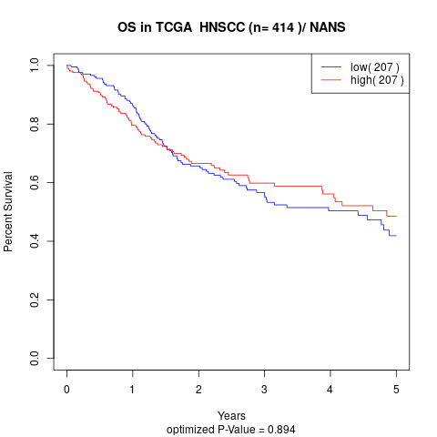

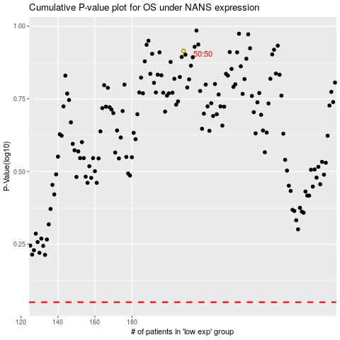

 |  |  |  |  |  | cases_OS | p_OS | rank | exp
 |  |  |  |  |  |  | cases_RFS | p_RFS | rank | exp

