NAP1L1 _multivariate
Reported by Tex Li-Hsing Chi. tex@gate.sinica.edu.tw 2019-08-17

Table 2. The clinicopathological features of HNSCC cohort and NAP1L1 expression. (Chi square test)
Cutoff at -0.207 (50.0%)
 |  | NAP1L1 expression |  | NAP1L1 expression |  | (Optimised)
 | Features | Low | (%) | High | (%) | Case no | P-value | Remark | Matthews
Gender | Female | 147 | 35.4 | 159 | 38.3 | 415 | 0.2523 | 0 | 0
2 | Male | 60 | 14.5 | 49 | 11.8
Age at diagnosis | <=65y | 139 | 33.5 | 135 | 32.5 | 415 | 0.7044 | 0 | 0
4 | >65y | 68 | 16.4 | 73 | 17.6
Clinical T Status | T1+T2 | 71 | 17.1 | 78 | 18.8 | 415 | 0.5638 | 0 | 0
6 | T3+T4 | 136 | 32.8 | 130 | 31.3
Clinical N Status | N0 | 118 | 28.4 | 98 | 23.6 | 415 | 0.0551 | 1 | 0
8 | N1-3 | 89 | 21.4 | 110 | 26.5
Clinical M Status | M0 | 205 | 49.4 | 207 | 49.9 | 415 | 0.6232 | 0 | 0
10 | M1 | 2 | 0.5 | 1 | 0.2
Clinical Stage | Stage I+II | 49 | 11.8 | 53 | 12.8 | 415 | 0.7535 | 0 | 0
12 | Stage III+IV | 158 | 38.1 | 155 | 37.3
Surgical Margin status | Negative | 167 | 40.2 | 151 | 36.4 | 415 | 0.0632 | 0 | 0
14 | Positive | 40 | 9.6 | 57 | 13.7
Tobacco Exposure | Low | 80 | 19.3 | 81 | 19.5 | 415 | 1 | 0 | 0
16 | High | 127 | 30.6 | 127 | 30.6

Table 3. Univariate/Multivariate Cox's proportional hazards regression analyses on OS time of NAP1L1 gene expression in HNSCC

 |  | Univariate |  |  |  | Multivariate
 | Features | HR | CI95%(L) | CI95%(H) | P-value | HR | CI95%(L) | CI95%(H) | P-value
1 | Female | 1 |  |  |  | 1
Gender | Male | 1.157 | 0.843 | 1.587 | 0.367 | 1.2 | 0.858 | 1.679 | 0.286
11 | <=65y | 1 |  |  |  | 1
Age at diagnosis | >65y | 1.329 | 0.99 | 1.784 | 0.058 | 1.393 | 1.024 | 1.896 | 0.035
12 | T1+T2 | 1 |  |  |  | 1
Clinical T Status | T3+T4 | 1.409 | 1.028 | 1.931 | 0.033 | 2.203 | 1.165 | 4.165 | 0.015
13 | N0 | 1 |  |  |  | 1
Clinical N Status | N1-3 | 1.185 | 0.89 | 1.577 | 0.246 | 1.243 | 0.868 | 1.781 | 0.235
14 | M0 | 1 |  |  |  | 1
Clinical M Status | M1 | 4.097 | 1.009 | 16.644 | 0.049 | 9.374 | 2.039 | 43.105 | 0.004
15 | Stage I+II | 1 |  |  |  | 1
Clinical Stage | Stage III+IV | 1.245 | 0.882 | 1.759 | 0.213 | 0.503 | 0.234 | 1.083 | 0.079
16 | Negative | 1 |  |  |  | 1
Surgical Margin status | Positive | 1.591 | 1.155 | 2.191 | 0.004 | 1.675 | 1.205 | 2.328 | 0.002
17 | Low | 1 |  |  |  | 1
Tobacco Exposure | High | 1.364 | 1.008 | 1.844 | 0.044 | 1.452 | 1.054 | 2.002 | 0.023
18 | Low | 1 |  |  |  | 1
RNAseq(z-score) | High | 1.041 | 0.781 | 1.387 | 0.784 | 0.99 | 0.734 | 1.334 | 0.945

Table 4. Univariate/Multivariate Cox's proportional hazards regression analyses on RFS time of NAP1L1 gene expression in HNSCC

 |  | Univariate |  |  |  | Multivariate
 | Features | HR | CI95%(L) | CI95%(H) | P-value | HR | CI95%(L) | CI95%(H) | P-value
1 | Female | 1 |  |  |  | 1
Gender | Male | 1.157 | 0.843 | 1.587 | 0.367 | 1.2 | 0.858 | 1.679 | 0.286
11 | <=65y | 1 |  |  |  | 1
Age at diagnosis | >65y | 1.329 | 0.99 | 1.784 | 0.058 | 1.393 | 1.024 | 1.896 | 0.035
12 | T1+T2 | 1 |  |  |  | 1
Clinical T Status | T3+T4 | 1.409 | 1.028 | 1.931 | 0.033 | 2.203 | 1.165 | 4.165 | 0.015
13 | N0 | 1 |  |  |  | 1
Clinical N Status | N1-3 | 1.185 | 0.89 | 1.577 | 0.246 | 1.243 | 0.868 | 1.781 | 0.235
14 | M0 | 1 |  |  |  | 1
Clinical M Status | M1 | 4.097 | 1.009 | 16.644 | 0.049 | 9.374 | 2.039 | 43.105 | 0.004
15 | Stage I+II | 1 |  |  |  | 1
Clinical Stage | Stage III+IV | 1.245 | 0.882 | 1.759 | 0.213 | 0.503 | 0.234 | 1.083 | 0.079
16 | Negative | 1 |  |  |  | 1
Surgical Margin status | Positive | 1.591 | 1.155 | 2.191 | 0.004 | 1.675 | 1.205 | 2.328 | 0.002
17 | Low | 1 |  |  |  | 1
Tobacco Exposure | High | 1.364 | 1.008 | 1.844 | 0.044 | 1.452 | 1.054 | 2.002 | 0.023
18 | Low | 1 |  |  |  | 1
RNAseq(z-score) | High | 1.041 | 0.781 | 1.387 | 0.784 | 0.99 | 0.734 | 1.334 | 0.945

Kaplan-Meier survival estimate: Cutoff at -0.207 (50.0%)



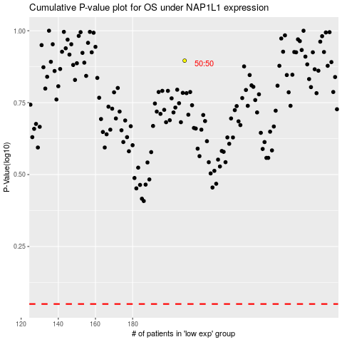

 |  |  |  |  |  | cases_OS | p_OS | rank | exp
 |  |  |  |  |  |  | cases_RFS | p_RFS | rank | exp

