NAP1L4 _multivariate
Reported by Tex Li-Hsing Chi. tex@gate.sinica.edu.tw 2019-08-17

Table 2. The clinicopathological features of HNSCC cohort and NAP1L4 expression. (Chi square test)
Cutoff at -0.141 (49.8%)
 |  | NAP1L4 expression |  | NAP1L4 expression |  | (Optimised)
 | Features | Low | (%) | High | (%) | Case no | P-value | Remark | Matthews
Gender | Female | 148 | 35.7 | 158 | 38.1 | 415 | 0.3567 | 0 | 0
2 | Male | 59 | 14.2 | 50 | 12
Age at diagnosis | <=65y | 130 | 31.3 | 144 | 34.7 | 415 | 0.2009 | 0 | 0
4 | >65y | 77 | 18.6 | 64 | 15.4
Clinical T Status | T1+T2 | 69 | 16.6 | 80 | 19.3 | 415 | 0.3239 | 0 | 0
6 | T3+T4 | 138 | 33.3 | 128 | 30.8
Clinical N Status | N0 | 106 | 25.5 | 110 | 26.5 | 415 | 0.8075 | 0 | 0
8 | N1-3 | 101 | 24.3 | 98 | 23.6
Clinical M Status | M0 | 205 | 49.4 | 207 | 49.9 | 415 | 0.6232 | 0 | 0
10 | M1 | 2 | 0.5 | 1 | 0.2
Clinical Stage | Stage I+II | 49 | 11.8 | 53 | 12.8 | 415 | 0.7535 | 0 | 0
12 | Stage III+IV | 158 | 38.1 | 155 | 37.3
Surgical Margin status | Negative | 165 | 39.8 | 153 | 36.9 | 415 | 0.1639 | 0 | 0
14 | Positive | 42 | 10.1 | 55 | 13.3
Tobacco Exposure | Low | 70 | 16.9 | 91 | 21.9 | 415 | 0.0439 | 1 | 0
16 | High | 137 | 33 | 117 | 28.2

Table 3. Univariate/Multivariate Cox's proportional hazards regression analyses on OS time of NAP1L4 gene expression in HNSCC

 |  | Univariate |  |  |  | Multivariate
 | Features | HR | CI95%(L) | CI95%(H) | P-value | HR | CI95%(L) | CI95%(H) | P-value
1 | Female | 1 |  |  |  | 1
Gender | Male | 1.157 | 0.843 | 1.587 | 0.367 | 1.197 | 0.857 | 1.671 | 0.292
11 | <=65y | 1 |  |  |  | 1
Age at diagnosis | >65y | 1.329 | 0.99 | 1.784 | 0.058 | 1.373 | 1.009 | 1.868 | 0.044
12 | T1+T2 | 1 |  |  |  | 1
Clinical T Status | T3+T4 | 1.409 | 1.028 | 1.931 | 0.033 | 2.173 | 1.149 | 4.109 | 0.017
13 | N0 | 1 |  |  |  | 1
Clinical N Status | N1-3 | 1.185 | 0.89 | 1.577 | 0.246 | 1.244 | 0.872 | 1.776 | 0.228
14 | M0 | 1 |  |  |  | 1
Clinical M Status | M1 | 4.097 | 1.009 | 16.644 | 0.049 | 9.151 | 1.994 | 41.985 | 0.004
15 | Stage I+II | 1 |  |  |  | 1
Clinical Stage | Stage III+IV | 1.245 | 0.882 | 1.759 | 0.213 | 0.508 | 0.237 | 1.09 | 0.082
16 | Negative | 1 |  |  |  | 1
Surgical Margin status | Positive | 1.591 | 1.155 | 2.191 | 0.004 | 1.724 | 1.241 | 2.395 | 0.001
17 | Low | 1 |  |  |  | 1
Tobacco Exposure | High | 1.364 | 1.008 | 1.844 | 0.044 | 1.431 | 1.038 | 1.973 | 0.029
18 | Low | 1 |  |  |  | 1
RNAseq(z-score) | High | 0.856 | 0.641 | 1.143 | 0.293 | 0.849 | 0.632 | 1.142 | 0.279

Table 4. Univariate/Multivariate Cox's proportional hazards regression analyses on RFS time of NAP1L4 gene expression in HNSCC

 |  | Univariate |  |  |  | Multivariate
 | Features | HR | CI95%(L) | CI95%(H) | P-value | HR | CI95%(L) | CI95%(H) | P-value
1 | Female | 1 |  |  |  | 1
Gender | Male | 1.157 | 0.843 | 1.587 | 0.367 | 1.197 | 0.857 | 1.671 | 0.292
11 | <=65y | 1 |  |  |  | 1
Age at diagnosis | >65y | 1.329 | 0.99 | 1.784 | 0.058 | 1.373 | 1.009 | 1.868 | 0.044
12 | T1+T2 | 1 |  |  |  | 1
Clinical T Status | T3+T4 | 1.409 | 1.028 | 1.931 | 0.033 | 2.173 | 1.149 | 4.109 | 0.017
13 | N0 | 1 |  |  |  | 1
Clinical N Status | N1-3 | 1.185 | 0.89 | 1.577 | 0.246 | 1.244 | 0.872 | 1.776 | 0.228
14 | M0 | 1 |  |  |  | 1
Clinical M Status | M1 | 4.097 | 1.009 | 16.644 | 0.049 | 9.151 | 1.994 | 41.985 | 0.004
15 | Stage I+II | 1 |  |  |  | 1
Clinical Stage | Stage III+IV | 1.245 | 0.882 | 1.759 | 0.213 | 0.508 | 0.237 | 1.09 | 0.082
16 | Negative | 1 |  |  |  | 1
Surgical Margin status | Positive | 1.591 | 1.155 | 2.191 | 0.004 | 1.724 | 1.241 | 2.395 | 0.001
17 | Low | 1 |  |  |  | 1
Tobacco Exposure | High | 1.364 | 1.008 | 1.844 | 0.044 | 1.431 | 1.038 | 1.973 | 0.029
18 | Low | 1 |  |  |  | 1
RNAseq(z-score) | High | 0.856 | 0.641 | 1.143 | 0.293 | 0.849 | 0.632 | 1.142 | 0.279

Kaplan-Meier survival estimate: Cutoff at -0.141 (49.8%)



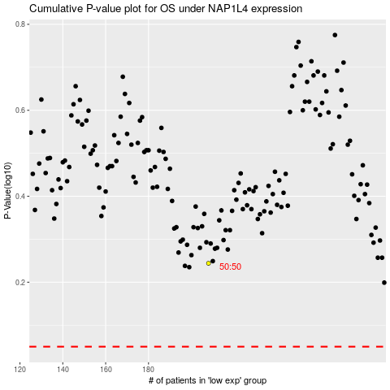

 |  |  |  |  |  | cases_OS | p_OS | rank | exp
 |  |  |  |  |  |  | cases_RFS | p_RFS | rank | exp

