NAPA _multivariate
Reported by Tex Li-Hsing Chi. tex@gate.sinica.edu.tw 2019-08-17

Table 2. The clinicopathological features of HNSCC cohort and NAPA expression. (Chi square test)
Cutoff at -0.259 (50.0%)
 |  | NAPA expression |  | NAPA expression |  | (Optimised)
 | Features | Low | (%) | High | (%) | Case no | P-value | Remark | Matthews
Gender | Female | 160 | 38.6 | 146 | 35.2 | 415 | 0.1254 | 0 | 0
2 | Male | 47 | 11.3 | 62 | 14.9
Age at diagnosis | <=65y | 144 | 34.7 | 130 | 31.3 | 415 | 0.1568 | 0 | 0
4 | >65y | 63 | 15.2 | 78 | 18.8
Clinical T Status | T1+T2 | 64 | 15.4 | 85 | 20.5 | 415 | 0.0445 | 1 | 0
6 | T3+T4 | 143 | 34.5 | 123 | 29.6
Clinical N Status | N0 | 101 | 24.3 | 115 | 27.7 | 415 | 0.2201 | 0 | 0
8 | N1-3 | 106 | 25.5 | 93 | 22.4
Clinical M Status | M0 | 206 | 49.6 | 206 | 49.6 | 415 | 1 | 0 | 0
10 | M1 | 1 | 0.2 | 2 | 0.5
Clinical Stage | Stage I+II | 40 | 9.6 | 62 | 14.9 | 415 | 0.018 | 1 | 0
12 | Stage III+IV | 167 | 40.2 | 146 | 35.2
Surgical Margin status | Negative | 155 | 37.3 | 163 | 39.3 | 415 | 0.4187 | 0 | 0
14 | Positive | 52 | 12.5 | 45 | 10.8
Tobacco Exposure | Low | 69 | 16.6 | 92 | 22.2 | 415 | 0.0266 | 1 | 0
16 | High | 138 | 33.3 | 116 | 28

Table 3. Univariate/Multivariate Cox's proportional hazards regression analyses on OS time of NAPA gene expression in HNSCC

 |  | Univariate |  |  |  | Multivariate
 | Features | HR | CI95%(L) | CI95%(H) | P-value | HR | CI95%(L) | CI95%(H) | P-value
1 | Female | 1 |  |  |  | 1
Gender | Male | 1.157 | 0.843 | 1.587 | 0.367 | 1.219 | 0.872 | 1.705 | 0.247
11 | <=65y | 1 |  |  |  | 1
Age at diagnosis | >65y | 1.329 | 0.99 | 1.784 | 0.058 | 1.404 | 1.033 | 1.909 | 0.03
12 | T1+T2 | 1 |  |  |  | 1
Clinical T Status | T3+T4 | 1.409 | 1.028 | 1.931 | 0.033 | 2.21 | 1.169 | 4.178 | 0.015
13 | N0 | 1 |  |  |  | 1
Clinical N Status | N1-3 | 1.185 | 0.89 | 1.577 | 0.246 | 1.247 | 0.873 | 1.78 | 0.225
14 | M0 | 1 |  |  |  | 1
Clinical M Status | M1 | 4.097 | 1.009 | 16.644 | 0.049 | 9.938 | 2.158 | 45.759 | 0.003
15 | Stage I+II | 1 |  |  |  | 1
Clinical Stage | Stage III+IV | 1.245 | 0.882 | 1.759 | 0.213 | 0.49 | 0.228 | 1.055 | 0.068
16 | Negative | 1 |  |  |  | 1
Surgical Margin status | Positive | 1.591 | 1.155 | 2.191 | 0.004 | 1.683 | 1.217 | 2.326 | 0.002
17 | Low | 1 |  |  |  | 1
Tobacco Exposure | High | 1.364 | 1.008 | 1.844 | 0.044 | 1.442 | 1.047 | 1.986 | 0.025
18 | Low | 1 |  |  |  | 1
RNAseq(z-score) | High | 0.902 | 0.677 | 1.202 | 0.481 | 0.868 | 0.646 | 1.167 | 0.349

Table 4. Univariate/Multivariate Cox's proportional hazards regression analyses on RFS time of NAPA gene expression in HNSCC

 |  | Univariate |  |  |  | Multivariate
 | Features | HR | CI95%(L) | CI95%(H) | P-value | HR | CI95%(L) | CI95%(H) | P-value
1 | Female | 1 |  |  |  | 1
Gender | Male | 1.157 | 0.843 | 1.587 | 0.367 | 1.219 | 0.872 | 1.705 | 0.247
11 | <=65y | 1 |  |  |  | 1
Age at diagnosis | >65y | 1.329 | 0.99 | 1.784 | 0.058 | 1.404 | 1.033 | 1.909 | 0.03
12 | T1+T2 | 1 |  |  |  | 1
Clinical T Status | T3+T4 | 1.409 | 1.028 | 1.931 | 0.033 | 2.21 | 1.169 | 4.178 | 0.015
13 | N0 | 1 |  |  |  | 1
Clinical N Status | N1-3 | 1.185 | 0.89 | 1.577 | 0.246 | 1.247 | 0.873 | 1.78 | 0.225
14 | M0 | 1 |  |  |  | 1
Clinical M Status | M1 | 4.097 | 1.009 | 16.644 | 0.049 | 9.938 | 2.158 | 45.759 | 0.003
15 | Stage I+II | 1 |  |  |  | 1
Clinical Stage | Stage III+IV | 1.245 | 0.882 | 1.759 | 0.213 | 0.49 | 0.228 | 1.055 | 0.068
16 | Negative | 1 |  |  |  | 1
Surgical Margin status | Positive | 1.591 | 1.155 | 2.191 | 0.004 | 1.683 | 1.217 | 2.326 | 0.002
17 | Low | 1 |  |  |  | 1
Tobacco Exposure | High | 1.364 | 1.008 | 1.844 | 0.044 | 1.442 | 1.047 | 1.986 | 0.025
18 | Low | 1 |  |  |  | 1
RNAseq(z-score) | High | 0.902 | 0.677 | 1.202 | 0.481 | 0.868 | 0.646 | 1.167 | 0.349

Kaplan-Meier survival estimate: Cutoff at -0.259 (50.0%)



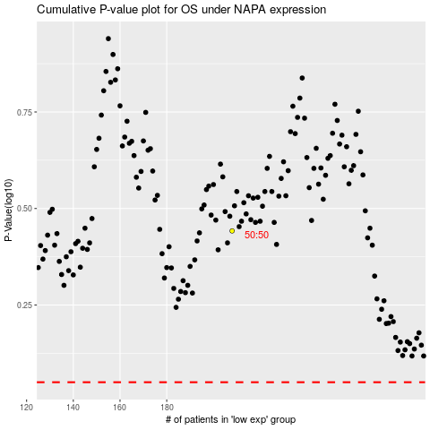

 |  |  |  |  |  | cases_OS | p_OS | rank | exp
 |  |  |  |  |  |  | cases_RFS | p_RFS | rank | exp

