NAPEPLD _multivariate
Reported by Tex Li-Hsing Chi. tex@gate.sinica.edu.tw 2019-08-17

Table 2. The clinicopathological features of HNSCC cohort and NAPEPLD expression. (Chi square test)
Cutoff at -0.469 (30.2%)
 |  | NAPEPLD expression |  | NAPEPLD expression |  | (Optimised)
 | Features | Low | (%) | High | (%) | Case no | P-value | Remark | Matthews
Gender | Female | 88 | 21.2 | 218 | 52.5 | 415 | 0.2851 | 0 | 0
2 | Male | 38 | 9.2 | 71 | 17.1
Age at diagnosis | <=65y | 80 | 19.3 | 194 | 46.7 | 415 | 0.5442 | 0 | 0
4 | >65y | 46 | 11.1 | 95 | 22.9
Clinical T Status | T1+T2 | 39 | 9.4 | 110 | 26.5 | 415 | 0.2016 | 0 | 0
6 | T3+T4 | 87 | 21 | 179 | 43.1
Clinical N Status | N0 | 62 | 14.9 | 154 | 37.1 | 415 | 0.5103 | 0 | 0
8 | N1-3 | 64 | 15.4 | 135 | 32.5
Clinical M Status | M0 | 125 | 30.1 | 287 | 69.2 | 415 | 1 | 0 | 0
10 | M1 | 1 | 0.2 | 2 | 0.5
Clinical Stage | Stage I+II | 24 | 5.8 | 78 | 18.8 | 415 | 0.1087 | 0 | 0
12 | Stage III+IV | 102 | 24.6 | 211 | 50.8
Surgical Margin status | Negative | 96 | 23.1 | 222 | 53.5 | 415 | 0.9001 | 0 | 0
14 | Positive | 30 | 7.2 | 67 | 16.1
Tobacco Exposure | Low | 50 | 12 | 111 | 26.7 | 415 | 0.8271 | 0 | 0
16 | High | 76 | 18.3 | 178 | 42.9

Table 3. Univariate/Multivariate Cox's proportional hazards regression analyses on OS time of NAPEPLD gene expression in HNSCC

 |  | Univariate |  |  |  | Multivariate
 | Features | HR | CI95%(L) | CI95%(H) | P-value | HR | CI95%(L) | CI95%(H) | P-value
1 | Female | 1 |  |  |  | 1
Gender | Male | 1.157 | 0.843 | 1.587 | 0.367 | 1.174 | 0.839 | 1.644 | 0.35
11 | <=65y | 1 |  |  |  | 1
Age at diagnosis | >65y | 1.329 | 0.99 | 1.784 | 0.058 | 1.375 | 1.011 | 1.87 | 0.042
12 | T1+T2 | 1 |  |  |  | 1
Clinical T Status | T3+T4 | 1.409 | 1.028 | 1.931 | 0.033 | 2.202 | 1.164 | 4.166 | 0.015
13 | N0 | 1 |  |  |  | 1
Clinical N Status | N1-3 | 1.185 | 0.89 | 1.577 | 0.246 | 1.252 | 0.877 | 1.785 | 0.216
14 | M0 | 1 |  |  |  | 1
Clinical M Status | M1 | 4.097 | 1.009 | 16.644 | 0.049 | 9.038 | 1.969 | 41.487 | 0.005
15 | Stage I+II | 1 |  |  |  | 1
Clinical Stage | Stage III+IV | 1.245 | 0.882 | 1.759 | 0.213 | 0.493 | 0.23 | 1.06 | 0.07
16 | Negative | 1 |  |  |  | 1
Surgical Margin status | Positive | 1.591 | 1.155 | 2.191 | 0.004 | 1.673 | 1.211 | 2.312 | 0.002
17 | Low | 1 |  |  |  | 1
Tobacco Exposure | High | 1.364 | 1.008 | 1.844 | 0.044 | 1.442 | 1.046 | 1.989 | 0.025
18 | Low | 1 |  |  |  | 1
RNAseq(z-score) | High | 0.739 | 0.545 | 1.001 | 0.05 | 0.784 | 0.577 | 1.066 | 0.121

Table 4. Univariate/Multivariate Cox's proportional hazards regression analyses on RFS time of NAPEPLD gene expression in HNSCC

 |  | Univariate |  |  |  | Multivariate
 | Features | HR | CI95%(L) | CI95%(H) | P-value | HR | CI95%(L) | CI95%(H) | P-value
1 | Female | 1 |  |  |  | 1
Gender | Male | 1.157 | 0.843 | 1.587 | 0.367 | 1.174 | 0.839 | 1.644 | 0.35
11 | <=65y | 1 |  |  |  | 1
Age at diagnosis | >65y | 1.329 | 0.99 | 1.784 | 0.058 | 1.375 | 1.011 | 1.87 | 0.042
12 | T1+T2 | 1 |  |  |  | 1
Clinical T Status | T3+T4 | 1.409 | 1.028 | 1.931 | 0.033 | 2.202 | 1.164 | 4.166 | 0.015
13 | N0 | 1 |  |  |  | 1
Clinical N Status | N1-3 | 1.185 | 0.89 | 1.577 | 0.246 | 1.252 | 0.877 | 1.785 | 0.216
14 | M0 | 1 |  |  |  | 1
Clinical M Status | M1 | 4.097 | 1.009 | 16.644 | 0.049 | 9.038 | 1.969 | 41.487 | 0.005
15 | Stage I+II | 1 |  |  |  | 1
Clinical Stage | Stage III+IV | 1.245 | 0.882 | 1.759 | 0.213 | 0.493 | 0.23 | 1.06 | 0.07
16 | Negative | 1 |  |  |  | 1
Surgical Margin status | Positive | 1.591 | 1.155 | 2.191 | 0.004 | 1.673 | 1.211 | 2.312 | 0.002
17 | Low | 1 |  |  |  | 1
Tobacco Exposure | High | 1.364 | 1.008 | 1.844 | 0.044 | 1.442 | 1.046 | 1.989 | 0.025
18 | Low | 1 |  |  |  | 1
RNAseq(z-score) | High | 0.739 | 0.545 | 1.001 | 0.05 | 0.784 | 0.577 | 1.066 | 0.121

Kaplan-Meier survival estimate: Cutoff at -0.469 (30.2%)



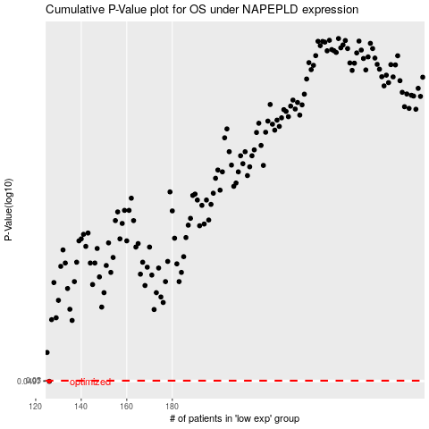

 |  |  |  |  |  | cases_OS | p_OS | rank | exp
 |  |  |  |  |  | 126 | 0.0497 | 205 | -0.46911647152
 |  |  |  |  |  |  | cases_RFS | p_RFS | rank | exp
 |  |  |  |  |  |  | 125 | 0.0497 | 263 | -0.47867653496

