NAPRT1 _multivariate
Reported by Tex Li-Hsing Chi. tex@gate.sinica.edu.tw 2019-08-17

Table 2. The clinicopathological features of HNSCC cohort and NAPRT1 expression. (Chi square test)
Cutoff at -0.201 (50.0%)
 |  | NAPRT1 expression |  | NAPRT1 expression |  | (Optimised)
 | Features | Low | (%) | High | (%) | Case no | P-value | Remark | Matthews
Gender | Female | 161 | 38.8 | 145 | 34.9 | 415 | 0.0792 | 0 | 0
2 | Male | 46 | 11.1 | 63 | 15.2
Age at diagnosis | <=65y | 131 | 31.6 | 143 | 34.5 | 415 | 0.2839 | 0 | 0
4 | >65y | 76 | 18.3 | 65 | 15.7
Clinical T Status | T1+T2 | 82 | 19.8 | 67 | 16.1 | 415 | 0.1417 | 0 | 0
6 | T3+T4 | 125 | 30.1 | 141 | 34
Clinical N Status | N0 | 101 | 24.3 | 115 | 27.7 | 415 | 0.2201 | 0 | 0
8 | N1-3 | 106 | 25.5 | 93 | 22.4
Clinical M Status | M0 | 205 | 49.4 | 207 | 49.9 | 415 | 0.6232 | 0 | 0
10 | M1 | 2 | 0.5 | 1 | 0.2
Clinical Stage | Stage I+II | 53 | 12.8 | 49 | 11.8 | 415 | 0.7113 | 0 | 0
12 | Stage III+IV | 154 | 37.1 | 159 | 38.3
Surgical Margin status | Negative | 149 | 35.9 | 169 | 40.7 | 415 | 0.0278 | 1 | 0
14 | Positive | 58 | 14 | 39 | 9.4
Tobacco Exposure | Low | 80 | 19.3 | 81 | 19.5 | 415 | 1 | 0 | 0
16 | High | 127 | 30.6 | 127 | 30.6

Table 3. Univariate/Multivariate Cox's proportional hazards regression analyses on OS time of NAPRT1 gene expression in HNSCC

 |  | Univariate |  |  |  | Multivariate
 | Features | HR | CI95%(L) | CI95%(H) | P-value | HR | CI95%(L) | CI95%(H) | P-value
1 | Female | 1 |  |  |  | 1
Gender | Male | 1.157 | 0.843 | 1.587 | 0.367 | 1.214 | 0.864 | 1.706 | 0.263
11 | <=65y | 1 |  |  |  | 1
Age at diagnosis | >65y | 1.329 | 0.99 | 1.784 | 0.058 | 1.386 | 1.019 | 1.886 | 0.038
12 | T1+T2 | 1 |  |  |  | 1
Clinical T Status | T3+T4 | 1.409 | 1.028 | 1.931 | 0.033 | 2.223 | 1.173 | 4.215 | 0.014
13 | N0 | 1 |  |  |  | 1
Clinical N Status | N1-3 | 1.185 | 0.89 | 1.577 | 0.246 | 1.241 | 0.869 | 1.77 | 0.235
14 | M0 | 1 |  |  |  | 1
Clinical M Status | M1 | 4.097 | 1.009 | 16.644 | 0.049 | 9.475 | 2.066 | 43.466 | 0.004
15 | Stage I+II | 1 |  |  |  | 1
Clinical Stage | Stage III+IV | 1.245 | 0.882 | 1.759 | 0.213 | 0.499 | 0.232 | 1.075 | 0.076
16 | Negative | 1 |  |  |  | 1
Surgical Margin status | Positive | 1.591 | 1.155 | 2.191 | 0.004 | 1.669 | 1.208 | 2.307 | 0.002
17 | Low | 1 |  |  |  | 1
Tobacco Exposure | High | 1.364 | 1.008 | 1.844 | 0.044 | 1.454 | 1.056 | 2.003 | 0.022
18 | Low | 1 |  |  |  | 1
RNAseq(z-score) | High | 0.988 | 0.742 | 1.317 | 0.937 | 0.953 | 0.709 | 1.28 | 0.749

Table 4. Univariate/Multivariate Cox's proportional hazards regression analyses on RFS time of NAPRT1 gene expression in HNSCC

 |  | Univariate |  |  |  | Multivariate
 | Features | HR | CI95%(L) | CI95%(H) | P-value | HR | CI95%(L) | CI95%(H) | P-value
1 | Female | 1 |  |  |  | 1
Gender | Male | 1.157 | 0.843 | 1.587 | 0.367 | 1.214 | 0.864 | 1.706 | 0.263
11 | <=65y | 1 |  |  |  | 1
Age at diagnosis | >65y | 1.329 | 0.99 | 1.784 | 0.058 | 1.386 | 1.019 | 1.886 | 0.038
12 | T1+T2 | 1 |  |  |  | 1
Clinical T Status | T3+T4 | 1.409 | 1.028 | 1.931 | 0.033 | 2.223 | 1.173 | 4.215 | 0.014
13 | N0 | 1 |  |  |  | 1
Clinical N Status | N1-3 | 1.185 | 0.89 | 1.577 | 0.246 | 1.241 | 0.869 | 1.77 | 0.235
14 | M0 | 1 |  |  |  | 1
Clinical M Status | M1 | 4.097 | 1.009 | 16.644 | 0.049 | 9.475 | 2.066 | 43.466 | 0.004
15 | Stage I+II | 1 |  |  |  | 1
Clinical Stage | Stage III+IV | 1.245 | 0.882 | 1.759 | 0.213 | 0.499 | 0.232 | 1.075 | 0.076
16 | Negative | 1 |  |  |  | 1
Surgical Margin status | Positive | 1.591 | 1.155 | 2.191 | 0.004 | 1.669 | 1.208 | 2.307 | 0.002
17 | Low | 1 |  |  |  | 1
Tobacco Exposure | High | 1.364 | 1.008 | 1.844 | 0.044 | 1.454 | 1.056 | 2.003 | 0.022
18 | Low | 1 |  |  |  | 1
RNAseq(z-score) | High | 0.988 | 0.742 | 1.317 | 0.937 | 0.953 | 0.709 | 1.28 | 0.749

Kaplan-Meier survival estimate: Cutoff at -0.201 (50.0%)



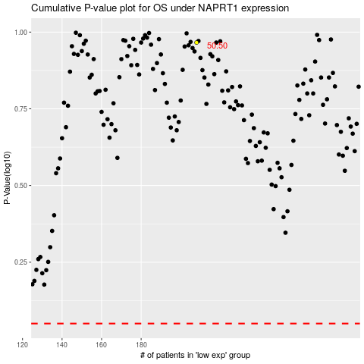

 |  |  |  |  |  | cases_OS | p_OS | rank | exp
 |  |  |  |  |  |  | cases_RFS | p_RFS | rank | exp

