NAPSA _multivariate
Reported by Tex Li-Hsing Chi. tex@gate.sinica.edu.tw 2019-08-17

Table 2. The clinicopathological features of HNSCC cohort and NAPSA expression. (Chi square test)
Cutoff at -0.251 (50.0%)
 |  | NAPSA expression |  | NAPSA expression |  | (Optimised)
 | Features | Low | (%) | High | (%) | Case no | P-value | Remark | Matthews
Gender | Female | 147 | 35.4 | 159 | 38.3 | 415 | 0.2523 | 0 | 0
2 | Male | 60 | 14.5 | 49 | 11.8
Age at diagnosis | <=65y | 137 | 33 | 137 | 33 | 415 | 1 | 0 | 0
4 | >65y | 70 | 16.9 | 71 | 17.1
Clinical T Status | T1+T2 | 73 | 17.6 | 76 | 18.3 | 415 | 0.8666 | 0 | 0
6 | T3+T4 | 134 | 32.3 | 132 | 31.8
Clinical N Status | N0 | 112 | 27 | 104 | 25.1 | 415 | 0.4599 | 0 | 0
8 | N1-3 | 95 | 22.9 | 104 | 25.1
Clinical M Status | M0 | 206 | 49.6 | 206 | 49.6 | 415 | 1 | 0 | 0
10 | M1 | 1 | 0.2 | 2 | 0.5
Clinical Stage | Stage I+II | 55 | 13.3 | 47 | 11.3 | 415 | 0.4087 | 0 | 0
12 | Stage III+IV | 152 | 36.6 | 161 | 38.8
Surgical Margin status | Negative | 158 | 38.1 | 160 | 38.6 | 415 | 0.9081 | 0 | 0
14 | Positive | 49 | 11.8 | 48 | 11.6
Tobacco Exposure | Low | 85 | 20.5 | 76 | 18.3 | 415 | 0.3655 | 0 | 0
16 | High | 122 | 29.4 | 132 | 31.8

Table 3. Univariate/Multivariate Cox's proportional hazards regression analyses on OS time of NAPSA gene expression in HNSCC

 |  | Univariate |  |  |  | Multivariate
 | Features | HR | CI95%(L) | CI95%(H) | P-value | HR | CI95%(L) | CI95%(H) | P-value
1 | Female | 1 |  |  |  | 1
Gender | Male | 1.157 | 0.843 | 1.587 | 0.367 | 1.179 | 0.843 | 1.649 | 0.335
11 | <=65y | 1 |  |  |  | 1
Age at diagnosis | >65y | 1.329 | 0.99 | 1.784 | 0.058 | 1.414 | 1.04 | 1.923 | 0.027
12 | T1+T2 | 1 |  |  |  | 1
Clinical T Status | T3+T4 | 1.409 | 1.028 | 1.931 | 0.033 | 2.137 | 1.13 | 4.042 | 0.02
13 | N0 | 1 |  |  |  | 1
Clinical N Status | N1-3 | 1.185 | 0.89 | 1.577 | 0.246 | 1.239 | 0.868 | 1.767 | 0.237
14 | M0 | 1 |  |  |  | 1
Clinical M Status | M1 | 4.097 | 1.009 | 16.644 | 0.049 | 9.357 | 2.04 | 42.924 | 0.004
15 | Stage I+II | 1 |  |  |  | 1
Clinical Stage | Stage III+IV | 1.245 | 0.882 | 1.759 | 0.213 | 0.529 | 0.246 | 1.139 | 0.104
16 | Negative | 1 |  |  |  | 1
Surgical Margin status | Positive | 1.591 | 1.155 | 2.191 | 0.004 | 1.691 | 1.223 | 2.338 | 0.001
17 | Low | 1 |  |  |  | 1
Tobacco Exposure | High | 1.364 | 1.008 | 1.844 | 0.044 | 1.486 | 1.076 | 2.051 | 0.016
18 | Low | 1 |  |  |  | 1
RNAseq(z-score) | High | 0.779 | 0.583 | 1.041 | 0.092 | 0.755 | 0.563 | 1.013 | 0.061

Table 4. Univariate/Multivariate Cox's proportional hazards regression analyses on RFS time of NAPSA gene expression in HNSCC

 |  | Univariate |  |  |  | Multivariate
 | Features | HR | CI95%(L) | CI95%(H) | P-value | HR | CI95%(L) | CI95%(H) | P-value
1 | Female | 1 |  |  |  | 1
Gender | Male | 1.157 | 0.843 | 1.587 | 0.367 | 1.179 | 0.843 | 1.649 | 0.335
11 | <=65y | 1 |  |  |  | 1
Age at diagnosis | >65y | 1.329 | 0.99 | 1.784 | 0.058 | 1.414 | 1.04 | 1.923 | 0.027
12 | T1+T2 | 1 |  |  |  | 1
Clinical T Status | T3+T4 | 1.409 | 1.028 | 1.931 | 0.033 | 2.137 | 1.13 | 4.042 | 0.02
13 | N0 | 1 |  |  |  | 1
Clinical N Status | N1-3 | 1.185 | 0.89 | 1.577 | 0.246 | 1.239 | 0.868 | 1.767 | 0.237
14 | M0 | 1 |  |  |  | 1
Clinical M Status | M1 | 4.097 | 1.009 | 16.644 | 0.049 | 9.357 | 2.04 | 42.924 | 0.004
15 | Stage I+II | 1 |  |  |  | 1
Clinical Stage | Stage III+IV | 1.245 | 0.882 | 1.759 | 0.213 | 0.529 | 0.246 | 1.139 | 0.104
16 | Negative | 1 |  |  |  | 1
Surgical Margin status | Positive | 1.591 | 1.155 | 2.191 | 0.004 | 1.691 | 1.223 | 2.338 | 0.001
17 | Low | 1 |  |  |  | 1
Tobacco Exposure | High | 1.364 | 1.008 | 1.844 | 0.044 | 1.486 | 1.076 | 2.051 | 0.016
18 | Low | 1 |  |  |  | 1
RNAseq(z-score) | High | 0.779 | 0.583 | 1.041 | 0.092 | 0.755 | 0.563 | 1.013 | 0.061

Kaplan-Meier survival estimate: Cutoff at -0.251 (50.0%)



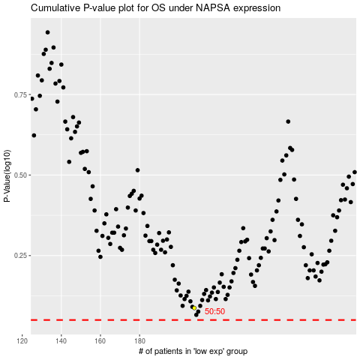

 |  |  |  |  |  | cases_OS | p_OS | rank | exp
 |  |  |  |  |  |  | cases_RFS | p_RFS | rank | exp

