NARF _multivariate
Reported by Tex Li-Hsing Chi. tex@gate.sinica.edu.tw 2019-08-17

Table 2. The clinicopathological features of HNSCC cohort and NARF expression. (Chi square test)
Cutoff at -0.283 (49.8%)
 |  | NARF expression |  | NARF expression |  | (Optimised)
 | Features | Low | (%) | High | (%) | Case no | P-value | Remark | Matthews
Gender | Female | 146 | 35.2 | 160 | 38.6 | 415 | 0.1714 | 0 | 0
2 | Male | 61 | 14.7 | 48 | 11.6
Age at diagnosis | <=65y | 135 | 32.5 | 139 | 33.5 | 415 | 0.8084 | 0 | 0
4 | >65y | 72 | 17.3 | 69 | 16.6
Clinical T Status | T1+T2 | 70 | 16.9 | 79 | 19 | 415 | 0.4343 | 0 | 0
6 | T3+T4 | 137 | 33 | 129 | 31.1
Clinical N Status | N0 | 113 | 27.2 | 103 | 24.8 | 415 | 0.3495 | 1 | 0
8 | N1-3 | 94 | 22.7 | 105 | 25.3
Clinical M Status | M0 | 206 | 49.6 | 206 | 49.6 | 415 | 1 | 0 | 0
10 | M1 | 1 | 0.2 | 2 | 0.5
Clinical Stage | Stage I+II | 52 | 12.5 | 50 | 12 | 415 | 0.8871 | 0 | 0
12 | Stage III+IV | 155 | 37.3 | 158 | 38.1
Surgical Margin status | Negative | 157 | 37.8 | 161 | 38.8 | 415 | 0.729 | 0 | 0
14 | Positive | 50 | 12 | 47 | 11.3
Tobacco Exposure | Low | 93 | 22.4 | 68 | 16.4 | 415 | 0.0118 | 1 | 0
16 | High | 114 | 27.5 | 140 | 33.7

Table 3. Univariate/Multivariate Cox's proportional hazards regression analyses on OS time of NARF gene expression in HNSCC

 |  | Univariate |  |  |  | Multivariate
 | Features | HR | CI95%(L) | CI95%(H) | P-value | HR | CI95%(L) | CI95%(H) | P-value
1 | Female | 1 |  |  |  | 1
Gender | Male | 1.157 | 0.843 | 1.587 | 0.367 | 1.206 | 0.863 | 1.684 | 0.273
11 | <=65y | 1 |  |  |  | 1
Age at diagnosis | >65y | 1.329 | 0.99 | 1.784 | 0.058 | 1.402 | 1.031 | 1.907 | 0.031
12 | T1+T2 | 1 |  |  |  | 1
Clinical T Status | T3+T4 | 1.409 | 1.028 | 1.931 | 0.033 | 2.181 | 1.152 | 4.128 | 0.017
13 | N0 | 1 |  |  |  | 1
Clinical N Status | N1-3 | 1.185 | 0.89 | 1.577 | 0.246 | 1.277 | 0.892 | 1.828 | 0.182
14 | M0 | 1 |  |  |  | 1
Clinical M Status | M1 | 4.097 | 1.009 | 16.644 | 0.049 | 9.424 | 2.055 | 43.219 | 0.004
15 | Stage I+II | 1 |  |  |  | 1
Clinical Stage | Stage III+IV | 1.245 | 0.882 | 1.759 | 0.213 | 0.503 | 0.234 | 1.081 | 0.079
16 | Negative | 1 |  |  |  | 1
Surgical Margin status | Positive | 1.591 | 1.155 | 2.191 | 0.004 | 1.681 | 1.216 | 2.323 | 0.002
17 | Low | 1 |  |  |  | 1
Tobacco Exposure | High | 1.364 | 1.008 | 1.844 | 0.044 | 1.508 | 1.086 | 2.093 | 0.014
18 | Low | 1 |  |  |  | 1
RNAseq(z-score) | High | 0.913 | 0.685 | 1.218 | 0.536 | 0.841 | 0.624 | 1.135 | 0.257

Table 4. Univariate/Multivariate Cox's proportional hazards regression analyses on RFS time of NARF gene expression in HNSCC

 |  | Univariate |  |  |  | Multivariate
 | Features | HR | CI95%(L) | CI95%(H) | P-value | HR | CI95%(L) | CI95%(H) | P-value
1 | Female | 1 |  |  |  | 1
Gender | Male | 1.157 | 0.843 | 1.587 | 0.367 | 1.206 | 0.863 | 1.684 | 0.273
11 | <=65y | 1 |  |  |  | 1
Age at diagnosis | >65y | 1.329 | 0.99 | 1.784 | 0.058 | 1.402 | 1.031 | 1.907 | 0.031
12 | T1+T2 | 1 |  |  |  | 1
Clinical T Status | T3+T4 | 1.409 | 1.028 | 1.931 | 0.033 | 2.181 | 1.152 | 4.128 | 0.017
13 | N0 | 1 |  |  |  | 1
Clinical N Status | N1-3 | 1.185 | 0.89 | 1.577 | 0.246 | 1.277 | 0.892 | 1.828 | 0.182
14 | M0 | 1 |  |  |  | 1
Clinical M Status | M1 | 4.097 | 1.009 | 16.644 | 0.049 | 9.424 | 2.055 | 43.219 | 0.004
15 | Stage I+II | 1 |  |  |  | 1
Clinical Stage | Stage III+IV | 1.245 | 0.882 | 1.759 | 0.213 | 0.503 | 0.234 | 1.081 | 0.079
16 | Negative | 1 |  |  |  | 1
Surgical Margin status | Positive | 1.591 | 1.155 | 2.191 | 0.004 | 1.681 | 1.216 | 2.323 | 0.002
17 | Low | 1 |  |  |  | 1
Tobacco Exposure | High | 1.364 | 1.008 | 1.844 | 0.044 | 1.508 | 1.086 | 2.093 | 0.014
18 | Low | 1 |  |  |  | 1
RNAseq(z-score) | High | 0.913 | 0.685 | 1.218 | 0.536 | 0.841 | 0.624 | 1.135 | 0.257

Kaplan-Meier survival estimate: Cutoff at -0.283 (49.8%)



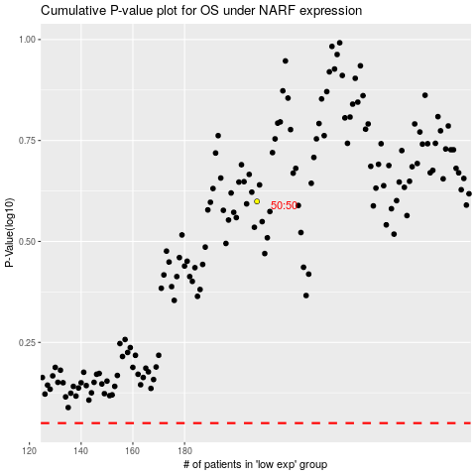

 |  |  |  |  |  | cases_OS | p_OS | rank | exp
 |  |  |  |  |  |  | cases_RFS | p_RFS | rank | exp

