NAT1 _multivariate
Reported by Tex Li-Hsing Chi. tex@gate.sinica.edu.tw 2019-08-17

Table 2. The clinicopathological features of HNSCC cohort and NAT1 expression. (Chi square test)
Cutoff at -0.302 (49.8%)
 |  | NAT1 expression |  | NAT1 expression |  | (Optimised)
 | Features | Low | (%) | High | (%) | Case no | P-value | Remark | Matthews
Gender | Female | 157 | 37.8 | 149 | 35.9 | 415 | 0.3881 | 0 | 0
2 | Male | 50 | 12 | 59 | 14.2
Age at diagnosis | <=65y | 135 | 32.5 | 139 | 33.5 | 415 | 0.8084 | 0 | 0
4 | >65y | 72 | 17.3 | 69 | 16.6
Clinical T Status | T1+T2 | 72 | 17.3 | 77 | 18.6 | 415 | 0.7095 | 0 | 0
6 | T3+T4 | 135 | 32.5 | 131 | 31.6
Clinical N Status | N0 | 102 | 24.6 | 114 | 27.5 | 415 | 0.3031 | 0 | 0
8 | N1-3 | 105 | 25.3 | 94 | 22.7
Clinical M Status | M0 | 204 | 49.2 | 208 | 50.1 | 415 | 0.1232 | 0 | 0
10 | M1 | 3 | 0.7 | 0 | 0
Clinical Stage | Stage I+II | 48 | 11.6 | 54 | 13 | 415 | 0.5878 | 0 | 0
12 | Stage III+IV | 159 | 38.3 | 154 | 37.1
Surgical Margin status | Negative | 164 | 39.5 | 154 | 37.1 | 415 | 0.2462 | 0 | 0
14 | Positive | 43 | 10.4 | 54 | 13
Tobacco Exposure | Low | 79 | 19 | 82 | 19.8 | 415 | 0.8405 | 0 | 0
16 | High | 128 | 30.8 | 126 | 30.4

Table 3. Univariate/Multivariate Cox's proportional hazards regression analyses on OS time of NAT1 gene expression in HNSCC

 |  | Univariate |  |  |  | Multivariate
 | Features | HR | CI95%(L) | CI95%(H) | P-value | HR | CI95%(L) | CI95%(H) | P-value
1 | Female | 1 |  |  |  | 1
Gender | Male | 1.157 | 0.843 | 1.587 | 0.367 | 1.188 | 0.849 | 1.664 | 0.315
11 | <=65y | 1 |  |  |  | 1
Age at diagnosis | >65y | 1.329 | 0.99 | 1.784 | 0.058 | 1.397 | 1.028 | 1.9 | 0.033
12 | T1+T2 | 1 |  |  |  | 1
Clinical T Status | T3+T4 | 1.409 | 1.028 | 1.931 | 0.033 | 2.222 | 1.174 | 4.205 | 0.014
13 | N0 | 1 |  |  |  | 1
Clinical N Status | N1-3 | 1.185 | 0.89 | 1.577 | 0.246 | 1.248 | 0.874 | 1.782 | 0.222
14 | M0 | 1 |  |  |  | 1
Clinical M Status | M1 | 4.097 | 1.009 | 16.644 | 0.049 | 9.871 | 2.136 | 45.623 | 0.003
15 | Stage I+II | 1 |  |  |  | 1
Clinical Stage | Stage III+IV | 1.245 | 0.882 | 1.759 | 0.213 | 0.5 | 0.233 | 1.074 | 0.076
16 | Negative | 1 |  |  |  | 1
Surgical Margin status | Positive | 1.591 | 1.155 | 2.191 | 0.004 | 1.655 | 1.195 | 2.29 | 0.002
17 | Low | 1 |  |  |  | 1
Tobacco Exposure | High | 1.364 | 1.008 | 1.844 | 0.044 | 1.447 | 1.05 | 1.995 | 0.024
18 | Low | 1 |  |  |  | 1
RNAseq(z-score) | High | 1.112 | 0.834 | 1.481 | 0.47 | 1.095 | 0.817 | 1.466 | 0.544

Table 4. Univariate/Multivariate Cox's proportional hazards regression analyses on RFS time of NAT1 gene expression in HNSCC

 |  | Univariate |  |  |  | Multivariate
 | Features | HR | CI95%(L) | CI95%(H) | P-value | HR | CI95%(L) | CI95%(H) | P-value
1 | Female | 1 |  |  |  | 1
Gender | Male | 1.157 | 0.843 | 1.587 | 0.367 | 1.188 | 0.849 | 1.664 | 0.315
11 | <=65y | 1 |  |  |  | 1
Age at diagnosis | >65y | 1.329 | 0.99 | 1.784 | 0.058 | 1.397 | 1.028 | 1.9 | 0.033
12 | T1+T2 | 1 |  |  |  | 1
Clinical T Status | T3+T4 | 1.409 | 1.028 | 1.931 | 0.033 | 2.222 | 1.174 | 4.205 | 0.014
13 | N0 | 1 |  |  |  | 1
Clinical N Status | N1-3 | 1.185 | 0.89 | 1.577 | 0.246 | 1.248 | 0.874 | 1.782 | 0.222
14 | M0 | 1 |  |  |  | 1
Clinical M Status | M1 | 4.097 | 1.009 | 16.644 | 0.049 | 9.871 | 2.136 | 45.623 | 0.003
15 | Stage I+II | 1 |  |  |  | 1
Clinical Stage | Stage III+IV | 1.245 | 0.882 | 1.759 | 0.213 | 0.5 | 0.233 | 1.074 | 0.076
16 | Negative | 1 |  |  |  | 1
Surgical Margin status | Positive | 1.591 | 1.155 | 2.191 | 0.004 | 1.655 | 1.195 | 2.29 | 0.002
17 | Low | 1 |  |  |  | 1
Tobacco Exposure | High | 1.364 | 1.008 | 1.844 | 0.044 | 1.447 | 1.05 | 1.995 | 0.024
18 | Low | 1 |  |  |  | 1
RNAseq(z-score) | High | 1.112 | 0.834 | 1.481 | 0.47 | 1.095 | 0.817 | 1.466 | 0.544

Kaplan-Meier survival estimate: Cutoff at -0.302 (49.8%)



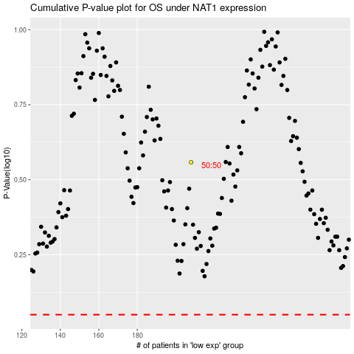

 |  |  |  |  |  | cases_OS | p_OS | rank | exp
 |  |  |  |  |  |  | cases_RFS | p_RFS | rank | exp

