NAT15 _multivariate
Reported by Tex Li-Hsing Chi. tex@gate.sinica.edu.tw 2019-08-17

Table 2. The clinicopathological features of HNSCC cohort and NAT15 expression. (Chi square test)
Cutoff at -0.135 (49.8%)
 |  | NAT15 expression |  | NAT15 expression |  | (Optimised)
 | Features | Low | (%) | High | (%) | Case no | P-value | Remark | Matthews
Gender | Female | 148 | 35.7 | 158 | 38.1 | 415 | 0.3567 | 0 | 0
2 | Male | 59 | 14.2 | 50 | 12
Age at diagnosis | <=65y | 139 | 33.5 | 135 | 32.5 | 415 | 0.7044 | 0 | 0
4 | >65y | 68 | 16.4 | 73 | 17.6
Clinical T Status | T1+T2 | 81 | 19.5 | 68 | 16.4 | 415 | 0.206 | 0 | 0
6 | T3+T4 | 126 | 30.4 | 140 | 33.7
Clinical N Status | N0 | 104 | 25.1 | 112 | 27 | 415 | 0.5243 | 0 | 0
8 | N1-3 | 103 | 24.8 | 96 | 23.1
Clinical M Status | M0 | 206 | 49.6 | 206 | 49.6 | 415 | 1 | 0 | 0
10 | M1 | 1 | 0.2 | 2 | 0.5
Clinical Stage | Stage I+II | 58 | 14 | 44 | 10.6 | 415 | 0.131 | 0 | 0
12 | Stage III+IV | 149 | 35.9 | 164 | 39.5
Surgical Margin status | Negative | 151 | 36.4 | 167 | 40.2 | 415 | 0.0828 | 0 | 0
14 | Positive | 56 | 13.5 | 41 | 9.9
Tobacco Exposure | Low | 82 | 19.8 | 79 | 19 | 415 | 0.763 | 0 | 0
16 | High | 125 | 30.1 | 129 | 31.1

Table 3. Univariate/Multivariate Cox's proportional hazards regression analyses on OS time of NAT15 gene expression in HNSCC

 |  | Univariate |  |  |  | Multivariate
 | Features | HR | CI95%(L) | CI95%(H) | P-value | HR | CI95%(L) | CI95%(H) | P-value
1 | Female | 1 |  |  |  | 1
Gender | Male | 1.157 | 0.843 | 1.587 | 0.367 | 1.203 | 0.861 | 1.681 | 0.28
11 | <=65y | 1 |  |  |  | 1
Age at diagnosis | >65y | 1.329 | 0.99 | 1.784 | 0.058 | 1.392 | 1.024 | 1.893 | 0.035
12 | T1+T2 | 1 |  |  |  | 1
Clinical T Status | T3+T4 | 1.409 | 1.028 | 1.931 | 0.033 | 2.2 | 1.163 | 4.161 | 0.015
13 | N0 | 1 |  |  |  | 1
Clinical N Status | N1-3 | 1.185 | 0.89 | 1.577 | 0.246 | 1.242 | 0.87 | 1.773 | 0.233
14 | M0 | 1 |  |  |  | 1
Clinical M Status | M1 | 4.097 | 1.009 | 16.644 | 0.049 | 9.351 | 2.033 | 43.019 | 0.004
15 | Stage I+II | 1 |  |  |  | 1
Clinical Stage | Stage III+IV | 1.245 | 0.882 | 1.759 | 0.213 | 0.504 | 0.235 | 1.082 | 0.079
16 | Negative | 1 |  |  |  | 1
Surgical Margin status | Positive | 1.591 | 1.155 | 2.191 | 0.004 | 1.671 | 1.209 | 2.309 | 0.002
17 | Low | 1 |  |  |  | 1
Tobacco Exposure | High | 1.364 | 1.008 | 1.844 | 0.044 | 1.451 | 1.052 | 2.001 | 0.023
18 | Low | 1 |  |  |  | 1
RNAseq(z-score) | High | 1.048 | 0.787 | 1.396 | 0.748 | 1.017 | 0.76 | 1.36 | 0.912

Table 4. Univariate/Multivariate Cox's proportional hazards regression analyses on RFS time of NAT15 gene expression in HNSCC

 |  | Univariate |  |  |  | Multivariate
 | Features | HR | CI95%(L) | CI95%(H) | P-value | HR | CI95%(L) | CI95%(H) | P-value
1 | Female | 1 |  |  |  | 1
Gender | Male | 1.157 | 0.843 | 1.587 | 0.367 | 1.203 | 0.861 | 1.681 | 0.28
11 | <=65y | 1 |  |  |  | 1
Age at diagnosis | >65y | 1.329 | 0.99 | 1.784 | 0.058 | 1.392 | 1.024 | 1.893 | 0.035
12 | T1+T2 | 1 |  |  |  | 1
Clinical T Status | T3+T4 | 1.409 | 1.028 | 1.931 | 0.033 | 2.2 | 1.163 | 4.161 | 0.015
13 | N0 | 1 |  |  |  | 1
Clinical N Status | N1-3 | 1.185 | 0.89 | 1.577 | 0.246 | 1.242 | 0.87 | 1.773 | 0.233
14 | M0 | 1 |  |  |  | 1
Clinical M Status | M1 | 4.097 | 1.009 | 16.644 | 0.049 | 9.351 | 2.033 | 43.019 | 0.004
15 | Stage I+II | 1 |  |  |  | 1
Clinical Stage | Stage III+IV | 1.245 | 0.882 | 1.759 | 0.213 | 0.504 | 0.235 | 1.082 | 0.079
16 | Negative | 1 |  |  |  | 1
Surgical Margin status | Positive | 1.591 | 1.155 | 2.191 | 0.004 | 1.671 | 1.209 | 2.309 | 0.002
17 | Low | 1 |  |  |  | 1
Tobacco Exposure | High | 1.364 | 1.008 | 1.844 | 0.044 | 1.451 | 1.052 | 2.001 | 0.023
18 | Low | 1 |  |  |  | 1
RNAseq(z-score) | High | 1.048 | 0.787 | 1.396 | 0.748 | 1.017 | 0.76 | 1.36 | 0.912

Kaplan-Meier survival estimate: Cutoff at -0.135 (49.8%)

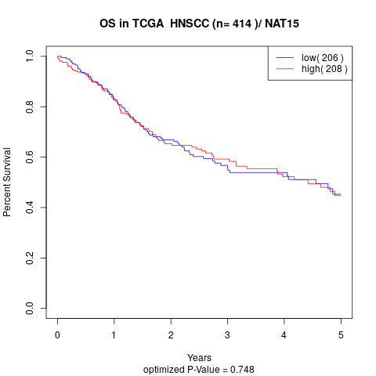

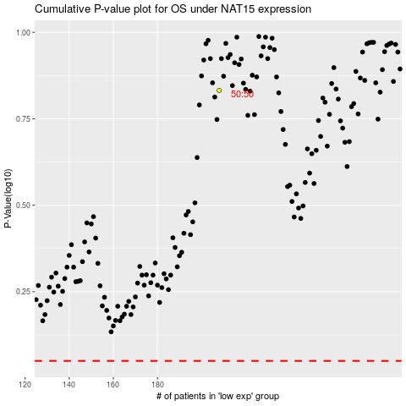

 |  |  |  |  |  | cases_OS | p_OS | rank | exp
 |  |  |  |  |  |  | cases_RFS | p_RFS | rank | exp

