NAT8B _multivariate
Reported by Tex Li-Hsing Chi. tex@gate.sinica.edu.tw 2019-08-17

Table 2. The clinicopathological features of HNSCC cohort and NAT8B expression. (Chi square test)
Cutoff at -0.223 (49.8%)
 |  | NAT8B expression |  | NAT8B expression |  | (Optimised)
 | Features | Low | (%) | High | (%) | Case no | P-value | Remark | Matthews
Gender | Female | 156 | 37.6 | 150 | 36.1 | 415 | 0.5222 | 0 | 0
2 | Male | 51 | 12.3 | 58 | 14
Age at diagnosis | <=65y | 144 | 34.7 | 130 | 31.3 | 415 | 0.1568 | 0 | 0
4 | >65y | 63 | 15.2 | 78 | 18.8
Clinical T Status | T1+T2 | 76 | 18.3 | 73 | 17.6 | 415 | 0.8092 | 0 | 0
6 | T3+T4 | 131 | 31.6 | 135 | 32.5
Clinical N Status | N0 | 112 | 27 | 104 | 25.1 | 415 | 0.4599 | 0 | 0
8 | N1-3 | 95 | 22.9 | 104 | 25.1
Clinical M Status | M0 | 206 | 49.6 | 206 | 49.6 | 415 | 1 | 0 | 0
10 | M1 | 1 | 0.2 | 2 | 0.5
Clinical Stage | Stage I+II | 54 | 13 | 48 | 11.6 | 415 | 0.5498 | 0 | 0
12 | Stage III+IV | 153 | 36.9 | 160 | 38.6
Surgical Margin status | Negative | 152 | 36.6 | 166 | 40 | 415 | 0.1329 | 0 | 0
14 | Positive | 55 | 13.3 | 42 | 10.1
Tobacco Exposure | Low | 74 | 17.8 | 87 | 21 | 415 | 0.227 | 0 | 0
16 | High | 133 | 32 | 121 | 29.2

Table 3. Univariate/Multivariate Cox's proportional hazards regression analyses on OS time of NAT8B gene expression in HNSCC

 |  | Univariate |  |  |  | Multivariate
 | Features | HR | CI95%(L) | CI95%(H) | P-value | HR | CI95%(L) | CI95%(H) | P-value
1 | Female | 1 |  |  |  | 1
Gender | Male | 1.157 | 0.843 | 1.587 | 0.367 | 1.201 | 0.859 | 1.679 | 0.284
11 | <=65y | 1 |  |  |  | 1
Age at diagnosis | >65y | 1.329 | 0.99 | 1.784 | 0.058 | 1.403 | 1.031 | 1.909 | 0.031
12 | T1+T2 | 1 |  |  |  | 1
Clinical T Status | T3+T4 | 1.409 | 1.028 | 1.931 | 0.033 | 2.201 | 1.164 | 4.16 | 0.015
13 | N0 | 1 |  |  |  | 1
Clinical N Status | N1-3 | 1.185 | 0.89 | 1.577 | 0.246 | 1.25 | 0.875 | 1.784 | 0.22
14 | M0 | 1 |  |  |  | 1
Clinical M Status | M1 | 4.097 | 1.009 | 16.644 | 0.049 | 9.619 | 2.095 | 44.156 | 0.004
15 | Stage I+II | 1 |  |  |  | 1
Clinical Stage | Stage III+IV | 1.245 | 0.882 | 1.759 | 0.213 | 0.51 | 0.237 | 1.095 | 0.084
16 | Negative | 1 |  |  |  | 1
Surgical Margin status | Positive | 1.591 | 1.155 | 2.191 | 0.004 | 1.652 | 1.193 | 2.287 | 0.002
17 | Low | 1 |  |  |  | 1
Tobacco Exposure | High | 1.364 | 1.008 | 1.844 | 0.044 | 1.441 | 1.044 | 1.988 | 0.026
18 | Low | 1 |  |  |  | 1
RNAseq(z-score) | High | 0.909 | 0.681 | 1.212 | 0.514 | 0.91 | 0.677 | 1.223 | 0.532

Table 4. Univariate/Multivariate Cox's proportional hazards regression analyses on RFS time of NAT8B gene expression in HNSCC

 |  | Univariate |  |  |  | Multivariate
 | Features | HR | CI95%(L) | CI95%(H) | P-value | HR | CI95%(L) | CI95%(H) | P-value
1 | Female | 1 |  |  |  | 1
Gender | Male | 1.157 | 0.843 | 1.587 | 0.367 | 1.201 | 0.859 | 1.679 | 0.284
11 | <=65y | 1 |  |  |  | 1
Age at diagnosis | >65y | 1.329 | 0.99 | 1.784 | 0.058 | 1.403 | 1.031 | 1.909 | 0.031
12 | T1+T2 | 1 |  |  |  | 1
Clinical T Status | T3+T4 | 1.409 | 1.028 | 1.931 | 0.033 | 2.201 | 1.164 | 4.16 | 0.015
13 | N0 | 1 |  |  |  | 1
Clinical N Status | N1-3 | 1.185 | 0.89 | 1.577 | 0.246 | 1.25 | 0.875 | 1.784 | 0.22
14 | M0 | 1 |  |  |  | 1
Clinical M Status | M1 | 4.097 | 1.009 | 16.644 | 0.049 | 9.619 | 2.095 | 44.156 | 0.004
15 | Stage I+II | 1 |  |  |  | 1
Clinical Stage | Stage III+IV | 1.245 | 0.882 | 1.759 | 0.213 | 0.51 | 0.237 | 1.095 | 0.084
16 | Negative | 1 |  |  |  | 1
Surgical Margin status | Positive | 1.591 | 1.155 | 2.191 | 0.004 | 1.652 | 1.193 | 2.287 | 0.002
17 | Low | 1 |  |  |  | 1
Tobacco Exposure | High | 1.364 | 1.008 | 1.844 | 0.044 | 1.441 | 1.044 | 1.988 | 0.026
18 | Low | 1 |  |  |  | 1
RNAseq(z-score) | High | 0.909 | 0.681 | 1.212 | 0.514 | 0.91 | 0.677 | 1.223 | 0.532

Kaplan-Meier survival estimate: Cutoff at -0.223 (49.8%)



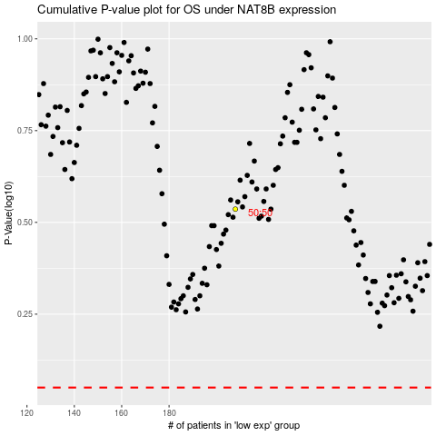

 |  |  |  |  |  | cases_OS | p_OS | rank | exp
 |  |  |  |  |  |  | cases_RFS | p_RFS | rank | exp

