NAV1 _multivariate
Reported by Tex Li-Hsing Chi. tex@gate.sinica.edu.tw 2019-08-17

Table 2. The clinicopathological features of HNSCC cohort and NAV1 expression. (Chi square test)
Cutoff at -0.065 (49.8%)
 |  | NAV1 expression |  | NAV1 expression |  | (Optimised)
 | Features | Low | (%) | High | (%) | Case no | P-value | Remark | Matthews
Gender | Female | 163 | 39.3 | 143 | 34.5 | 415 | 0.0277 | 1 | 0
2 | Male | 44 | 10.6 | 65 | 15.7
Age at diagnosis | <=65y | 145 | 34.9 | 129 | 31.1 | 415 | 0.1046 | 0 | 0
4 | >65y | 62 | 14.9 | 79 | 19
Clinical T Status | T1+T2 | 81 | 19.5 | 68 | 16.4 | 415 | 0.206 | 0 | 0
6 | T3+T4 | 126 | 30.4 | 140 | 33.7
Clinical N Status | N0 | 106 | 25.5 | 110 | 26.5 | 415 | 0.8075 | 0 | 0
8 | N1-3 | 101 | 24.3 | 98 | 23.6
Clinical M Status | M0 | 204 | 49.2 | 208 | 50.1 | 415 | 0.1232 | 0 | 0
10 | M1 | 3 | 0.7 | 0 | 0
Clinical Stage | Stage I+II | 49 | 11.8 | 53 | 12.8 | 415 | 0.7535 | 0 | 0
12 | Stage III+IV | 158 | 38.1 | 155 | 37.3
Surgical Margin status | Negative | 147 | 35.4 | 171 | 41.2 | 415 | 0.0077 | 1 | 0
14 | Positive | 60 | 14.5 | 37 | 8.9
Tobacco Exposure | Low | 79 | 19 | 82 | 19.8 | 415 | 0.8405 | 0 | 0
16 | High | 128 | 30.8 | 126 | 30.4

Table 3. Univariate/Multivariate Cox's proportional hazards regression analyses on OS time of NAV1 gene expression in HNSCC

 |  | Univariate |  |  |  | Multivariate
 | Features | HR | CI95%(L) | CI95%(H) | P-value | HR | CI95%(L) | CI95%(H) | P-value
1 | Female | 1 |  |  |  | 1
Gender | Male | 1.157 | 0.843 | 1.587 | 0.367 | 1.197 | 0.857 | 1.672 | 0.292
11 | <=65y | 1 |  |  |  | 1
Age at diagnosis | >65y | 1.329 | 0.99 | 1.784 | 0.058 | 1.389 | 1.022 | 1.888 | 0.036
12 | T1+T2 | 1 |  |  |  | 1
Clinical T Status | T3+T4 | 1.409 | 1.028 | 1.931 | 0.033 | 2.178 | 1.15 | 4.124 | 0.017
13 | N0 | 1 |  |  |  | 1
Clinical N Status | N1-3 | 1.185 | 0.89 | 1.577 | 0.246 | 1.243 | 0.871 | 1.773 | 0.231
14 | M0 | 1 |  |  |  | 1
Clinical M Status | M1 | 4.097 | 1.009 | 16.644 | 0.049 | 9.677 | 2.102 | 44.549 | 0.004
15 | Stage I+II | 1 |  |  |  | 1
Clinical Stage | Stage III+IV | 1.245 | 0.882 | 1.759 | 0.213 | 0.511 | 0.238 | 1.098 | 0.085
16 | Negative | 1 |  |  |  | 1
Surgical Margin status | Positive | 1.591 | 1.155 | 2.191 | 0.004 | 1.704 | 1.222 | 2.376 | 0.002
17 | Low | 1 |  |  |  | 1
Tobacco Exposure | High | 1.364 | 1.008 | 1.844 | 0.044 | 1.448 | 1.051 | 1.996 | 0.024
18 | Low | 1 |  |  |  | 1
RNAseq(z-score) | High | 1.01 | 0.757 | 1.348 | 0.945 | 1.079 | 0.799 | 1.457 | 0.618

Table 4. Univariate/Multivariate Cox's proportional hazards regression analyses on RFS time of NAV1 gene expression in HNSCC

 |  | Univariate |  |  |  | Multivariate
 | Features | HR | CI95%(L) | CI95%(H) | P-value | HR | CI95%(L) | CI95%(H) | P-value
1 | Female | 1 |  |  |  | 1
Gender | Male | 1.157 | 0.843 | 1.587 | 0.367 | 1.197 | 0.857 | 1.672 | 0.292
11 | <=65y | 1 |  |  |  | 1
Age at diagnosis | >65y | 1.329 | 0.99 | 1.784 | 0.058 | 1.389 | 1.022 | 1.888 | 0.036
12 | T1+T2 | 1 |  |  |  | 1
Clinical T Status | T3+T4 | 1.409 | 1.028 | 1.931 | 0.033 | 2.178 | 1.15 | 4.124 | 0.017
13 | N0 | 1 |  |  |  | 1
Clinical N Status | N1-3 | 1.185 | 0.89 | 1.577 | 0.246 | 1.243 | 0.871 | 1.773 | 0.231
14 | M0 | 1 |  |  |  | 1
Clinical M Status | M1 | 4.097 | 1.009 | 16.644 | 0.049 | 9.677 | 2.102 | 44.549 | 0.004
15 | Stage I+II | 1 |  |  |  | 1
Clinical Stage | Stage III+IV | 1.245 | 0.882 | 1.759 | 0.213 | 0.511 | 0.238 | 1.098 | 0.085
16 | Negative | 1 |  |  |  | 1
Surgical Margin status | Positive | 1.591 | 1.155 | 2.191 | 0.004 | 1.704 | 1.222 | 2.376 | 0.002
17 | Low | 1 |  |  |  | 1
Tobacco Exposure | High | 1.364 | 1.008 | 1.844 | 0.044 | 1.448 | 1.051 | 1.996 | 0.024
18 | Low | 1 |  |  |  | 1
RNAseq(z-score) | High | 1.01 | 0.757 | 1.348 | 0.945 | 1.079 | 0.799 | 1.457 | 0.618

Kaplan-Meier survival estimate: Cutoff at -0.065 (49.8%)



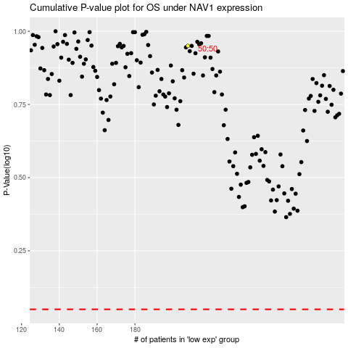

 |  |  |  |  |  | cases_OS | p_OS | rank | exp
 |  |  |  |  |  |  | cases_RFS | p_RFS | rank | exp

