NBLA00301 _multivariate
Reported by Tex Li-Hsing Chi. tex@gate.sinica.edu.tw 2019-08-17

Table 2. The clinicopathological features of HNSCC cohort and NBLA00301 expression. (Chi square test)
Cutoff at -0.188 (50.0%)
 |  | NBLA00301 expression |  | NBLA00301 expression |  | (Optimised)
 | Features | Low | (%) | High | (%) | Case no | P-value | Remark | Matthews
Gender | Female | 159 | 38.3 | 147 | 35.4 | 415 | 0.1905 | 0 | 0
2 | Male | 48 | 11.6 | 61 | 14.7
Age at diagnosis | <=65y | 128 | 30.8 | 146 | 35.2 | 415 | 0.0904 | 0 | 0
4 | >65y | 79 | 19 | 62 | 14.9
Clinical T Status | T1+T2 | 62 | 14.9 | 87 | 21 | 415 | 0.0156 | 1 | 0
6 | T3+T4 | 145 | 34.9 | 121 | 29.2
Clinical N Status | N0 | 120 | 28.9 | 96 | 23.1 | 415 | 0.0208 | 1 | 0
8 | N1-3 | 87 | 21 | 112 | 27
Clinical M Status | M0 | 204 | 49.2 | 208 | 50.1 | 415 | 0.1232 | 0 | 0
10 | M1 | 3 | 0.7 | 0 | 0
Clinical Stage | Stage I+II | 46 | 11.1 | 56 | 13.5 | 415 | 0.3182 | 0 | 0
12 | Stage III+IV | 161 | 38.8 | 152 | 36.6
Surgical Margin status | Negative | 165 | 39.8 | 153 | 36.9 | 415 | 0.1639 | 0 | 0
14 | Positive | 42 | 10.1 | 55 | 13.3
Tobacco Exposure | Low | 79 | 19 | 82 | 19.8 | 415 | 0.8405 | 0 | 0
16 | High | 128 | 30.8 | 126 | 30.4

Table 3. Univariate/Multivariate Cox's proportional hazards regression analyses on OS time of NBLA00301 gene expression in HNSCC

 |  | Univariate |  |  |  | Multivariate
 | Features | HR | CI95%(L) | CI95%(H) | P-value | HR | CI95%(L) | CI95%(H) | P-value
1 | Female | 1 |  |  |  | 1
Gender | Male | 1.157 | 0.843 | 1.587 | 0.367 | 1.213 | 0.867 | 1.696 | 0.26
11 | <=65y | 1 |  |  |  | 1
Age at diagnosis | >65y | 1.329 | 0.99 | 1.784 | 0.058 | 1.38 | 1.015 | 1.878 | 0.04
12 | T1+T2 | 1 |  |  |  | 1
Clinical T Status | T3+T4 | 1.409 | 1.028 | 1.931 | 0.033 | 2.174 | 1.149 | 4.114 | 0.017
13 | N0 | 1 |  |  |  | 1
Clinical N Status | N1-3 | 1.185 | 0.89 | 1.577 | 0.246 | 1.265 | 0.884 | 1.809 | 0.199
14 | M0 | 1 |  |  |  | 1
Clinical M Status | M1 | 4.097 | 1.009 | 16.644 | 0.049 | 8.74 | 1.888 | 40.46 | 0.006
15 | Stage I+II | 1 |  |  |  | 1
Clinical Stage | Stage III+IV | 1.245 | 0.882 | 1.759 | 0.213 | 0.5 | 0.233 | 1.073 | 0.075
16 | Negative | 1 |  |  |  | 1
Surgical Margin status | Positive | 1.591 | 1.155 | 2.191 | 0.004 | 1.707 | 1.23 | 2.367 | 0.001
17 | Low | 1 |  |  |  | 1
Tobacco Exposure | High | 1.364 | 1.008 | 1.844 | 0.044 | 1.456 | 1.056 | 2.007 | 0.022
18 | Low | 1 |  |  |  | 1
RNAseq(z-score) | High | 0.892 | 0.67 | 1.189 | 0.436 | 0.883 | 0.656 | 1.19 | 0.415

Table 4. Univariate/Multivariate Cox's proportional hazards regression analyses on RFS time of NBLA00301 gene expression in HNSCC

 |  | Univariate |  |  |  | Multivariate
 | Features | HR | CI95%(L) | CI95%(H) | P-value | HR | CI95%(L) | CI95%(H) | P-value
1 | Female | 1 |  |  |  | 1
Gender | Male | 1.157 | 0.843 | 1.587 | 0.367 | 1.213 | 0.867 | 1.696 | 0.26
11 | <=65y | 1 |  |  |  | 1
Age at diagnosis | >65y | 1.329 | 0.99 | 1.784 | 0.058 | 1.38 | 1.015 | 1.878 | 0.04
12 | T1+T2 | 1 |  |  |  | 1
Clinical T Status | T3+T4 | 1.409 | 1.028 | 1.931 | 0.033 | 2.174 | 1.149 | 4.114 | 0.017
13 | N0 | 1 |  |  |  | 1
Clinical N Status | N1-3 | 1.185 | 0.89 | 1.577 | 0.246 | 1.265 | 0.884 | 1.809 | 0.199
14 | M0 | 1 |  |  |  | 1
Clinical M Status | M1 | 4.097 | 1.009 | 16.644 | 0.049 | 8.74 | 1.888 | 40.46 | 0.006
15 | Stage I+II | 1 |  |  |  | 1
Clinical Stage | Stage III+IV | 1.245 | 0.882 | 1.759 | 0.213 | 0.5 | 0.233 | 1.073 | 0.075
16 | Negative | 1 |  |  |  | 1
Surgical Margin status | Positive | 1.591 | 1.155 | 2.191 | 0.004 | 1.707 | 1.23 | 2.367 | 0.001
17 | Low | 1 |  |  |  | 1
Tobacco Exposure | High | 1.364 | 1.008 | 1.844 | 0.044 | 1.456 | 1.056 | 2.007 | 0.022
18 | Low | 1 |  |  |  | 1
RNAseq(z-score) | High | 0.892 | 0.67 | 1.189 | 0.436 | 0.883 | 0.656 | 1.19 | 0.415

Kaplan-Meier survival estimate: Cutoff at -0.188 (50.0%)



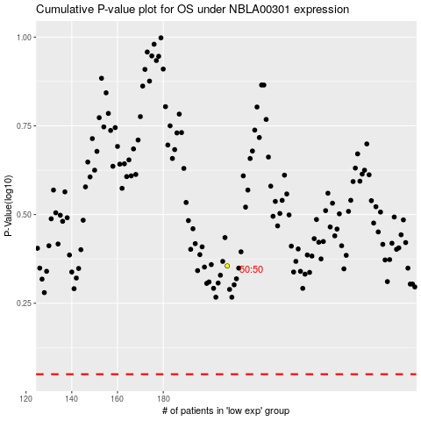

 |  |  |  |  |  | cases_OS | p_OS | rank | exp
 |  |  |  |  |  |  | cases_RFS | p_RFS | rank | exp

