NBN _multivariate
Reported by Tex Li-Hsing Chi. tex@gate.sinica.edu.tw 2019-08-17

Table 2. The clinicopathological features of HNSCC cohort and NBN expression. (Chi square test)
Cutoff at -0.347 (37.2%)
 |  | NBN expression |  | NBN expression |  | (Optimised)
 | Features | Low | (%) | High | (%) | Case no | P-value | Remark | Matthews
Gender | Female | 124 | 29.9 | 182 | 43.9 | 415 | 0.0216 | 1 | 0
2 | Male | 30 | 7.2 | 79 | 19
Age at diagnosis | <=65y | 105 | 25.3 | 169 | 40.7 | 415 | 0.5448 | 0 | 0
4 | >65y | 49 | 11.8 | 92 | 22.2
Clinical T Status | T1+T2 | 52 | 12.5 | 97 | 23.4 | 415 | 0.5543 | 0 | 0
6 | T3+T4 | 102 | 24.6 | 164 | 39.5
Clinical N Status | N0 | 86 | 20.7 | 130 | 31.3 | 415 | 0.2769 | 0 | 0
8 | N1-3 | 68 | 16.4 | 131 | 31.6
Clinical M Status | M0 | 152 | 36.6 | 260 | 62.7 | 415 | 0.5582 | 0 | 0
10 | M1 | 2 | 0.5 | 1 | 0.2
Clinical Stage | Stage I+II | 31 | 7.5 | 71 | 17.1 | 415 | 0.1339 | 0 | 0
12 | Stage III+IV | 123 | 29.6 | 190 | 45.8
Surgical Margin status | Negative | 118 | 28.4 | 200 | 48.2 | 415 | 1 | 0 | 0
14 | Positive | 36 | 8.7 | 61 | 14.7
Tobacco Exposure | Low | 56 | 13.5 | 105 | 25.3 | 415 | 0.4663 | 0 | 0
16 | High | 98 | 23.6 | 156 | 37.6

Table 3. Univariate/Multivariate Cox's proportional hazards regression analyses on OS time of NBN gene expression in HNSCC

 |  | Univariate |  |  |  | Multivariate
 | Features | HR | CI95%(L) | CI95%(H) | P-value | HR | CI95%(L) | CI95%(H) | P-value
1 | Female | 1 |  |  |  | 1
Gender | Male | 1.157 | 0.843 | 1.587 | 0.367 | 1.165 | 0.834 | 1.629 | 0.37
11 | <=65y | 1 |  |  |  | 1
Age at diagnosis | >65y | 1.329 | 0.99 | 1.784 | 0.058 | 1.374 | 1.01 | 1.87 | 0.043
12 | T1+T2 | 1 |  |  |  | 1
Clinical T Status | T3+T4 | 1.409 | 1.028 | 1.931 | 0.033 | 2.142 | 1.133 | 4.051 | 0.019
13 | N0 | 1 |  |  |  | 1
Clinical N Status | N1-3 | 1.185 | 0.89 | 1.577 | 0.246 | 1.177 | 0.823 | 1.685 | 0.372
14 | M0 | 1 |  |  |  | 1
Clinical M Status | M1 | 4.097 | 1.009 | 16.644 | 0.049 | 10.646 | 2.313 | 49.003 | 0.002
15 | Stage I+II | 1 |  |  |  | 1
Clinical Stage | Stage III+IV | 1.245 | 0.882 | 1.759 | 0.213 | 0.56 | 0.259 | 1.209 | 0.14
16 | Negative | 1 |  |  |  | 1
Surgical Margin status | Positive | 1.591 | 1.155 | 2.191 | 0.004 | 1.671 | 1.21 | 2.306 | 0.002
17 | Low | 1 |  |  |  | 1
Tobacco Exposure | High | 1.364 | 1.008 | 1.844 | 0.044 | 1.482 | 1.076 | 2.04 | 0.016
18 | Low | 1 |  |  |  | 1
RNAseq(z-score) | High | 1.384 | 1.02 | 1.879 | 0.037 | 1.417 | 1.035 | 1.939 | 0.03

Table 4. Univariate/Multivariate Cox's proportional hazards regression analyses on RFS time of NBN gene expression in HNSCC

 |  | Univariate |  |  |  | Multivariate
 | Features | HR | CI95%(L) | CI95%(H) | P-value | HR | CI95%(L) | CI95%(H) | P-value
1 | Female | 1 |  |  |  | 1
Gender | Male | 1.157 | 0.843 | 1.587 | 0.367 | 1.165 | 0.834 | 1.629 | 0.37
11 | <=65y | 1 |  |  |  | 1
Age at diagnosis | >65y | 1.329 | 0.99 | 1.784 | 0.058 | 1.374 | 1.01 | 1.87 | 0.043
12 | T1+T2 | 1 |  |  |  | 1
Clinical T Status | T3+T4 | 1.409 | 1.028 | 1.931 | 0.033 | 2.142 | 1.133 | 4.051 | 0.019
13 | N0 | 1 |  |  |  | 1
Clinical N Status | N1-3 | 1.185 | 0.89 | 1.577 | 0.246 | 1.177 | 0.823 | 1.685 | 0.372
14 | M0 | 1 |  |  |  | 1
Clinical M Status | M1 | 4.097 | 1.009 | 16.644 | 0.049 | 10.646 | 2.313 | 49.003 | 0.002
15 | Stage I+II | 1 |  |  |  | 1
Clinical Stage | Stage III+IV | 1.245 | 0.882 | 1.759 | 0.213 | 0.56 | 0.259 | 1.209 | 0.14
16 | Negative | 1 |  |  |  | 1
Surgical Margin status | Positive | 1.591 | 1.155 | 2.191 | 0.004 | 1.671 | 1.21 | 2.306 | 0.002
17 | Low | 1 |  |  |  | 1
Tobacco Exposure | High | 1.364 | 1.008 | 1.844 | 0.044 | 1.482 | 1.076 | 2.04 | 0.016
18 | Low | 1 |  |  |  | 1
RNAseq(z-score) | High | 1.384 | 1.02 | 1.879 | 0.037 | 1.417 | 1.035 | 1.939 | 0.03

Kaplan-Meier survival estimate: Cutoff at -0.347 (37.2%)



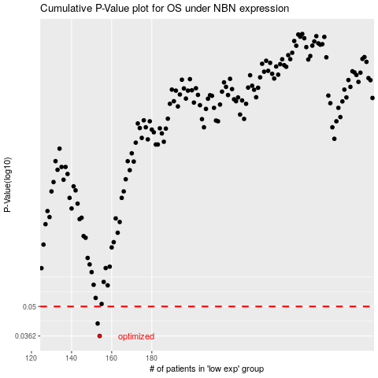

 |  |  |  |  |  | cases_OS | p_OS | rank | exp
 |  |  |  |  |  | 154 | 0.0362 | 370 | -0.34710649885
 |  |  |  |  |  | 153 | 0.0415 | 103 | -0.35713547796
 |  |  |  |  |  |  | cases_RFS | p_RFS | rank | exp
 |  |  |  |  |  |  | 153 | 0.0362 | 103 | -0.35713547796
 |  |  |  |  |  |  | 152 | 0.0415 | 396 | -0.36484708571

