NCAPH2 _multivariate
Reported by Tex Li-Hsing Chi. tex@gate.sinica.edu.tw 2019-08-17

Table 2. The clinicopathological features of HNSCC cohort and NCAPH2 expression. (Chi square test)
Cutoff at -0.222 (49.8%)
 |  | NCAPH2 expression |  | NCAPH2 expression |  | (Optimised)
 | Features | Low | (%) | High | (%) | Case no | P-value | Remark | Matthews
Gender | Female | 138 | 33.3 | 168 | 40.5 | 415 | 0.0016 | 1 | 0
2 | Male | 69 | 16.6 | 40 | 9.6
Age at diagnosis | <=65y | 131 | 31.6 | 143 | 34.5 | 415 | 0.2839 | 0 | 0
4 | >65y | 76 | 18.3 | 65 | 15.7
Clinical T Status | T1+T2 | 76 | 18.3 | 73 | 17.6 | 415 | 0.8092 | 0 | 0
6 | T3+T4 | 131 | 31.6 | 135 | 32.5
Clinical N Status | N0 | 120 | 28.9 | 96 | 23.1 | 415 | 0.0208 | 1 | 0
8 | N1-3 | 87 | 21 | 112 | 27
Clinical M Status | M0 | 207 | 49.9 | 205 | 49.4 | 415 | 0.2482 | 0 | 0
10 | M1 | 0 | 0 | 3 | 0.7
Clinical Stage | Stage I+II | 60 | 14.5 | 42 | 10.1 | 415 | 0.0493 | 1 | 0
12 | Stage III+IV | 147 | 35.4 | 166 | 40
Surgical Margin status | Negative | 166 | 40 | 152 | 36.6 | 415 | 0.1042 | 0 | 0
14 | Positive | 41 | 9.9 | 56 | 13.5
Tobacco Exposure | Low | 101 | 24.3 | 60 | 14.5 | 415 | 0 | 1 | 0
16 | High | 106 | 25.5 | 148 | 35.7

Table 3. Univariate/Multivariate Cox's proportional hazards regression analyses on OS time of NCAPH2 gene expression in HNSCC

 |  | Univariate |  |  |  | Multivariate
 | Features | HR | CI95%(L) | CI95%(H) | P-value | HR | CI95%(L) | CI95%(H) | P-value
1 | Female | 1 |  |  |  | 1
Gender | Male | 1.157 | 0.843 | 1.587 | 0.367 | 1.182 | 0.845 | 1.652 | 0.329
11 | <=65y | 1 |  |  |  | 1
Age at diagnosis | >65y | 1.329 | 0.99 | 1.784 | 0.058 | 1.392 | 1.024 | 1.892 | 0.035
12 | T1+T2 | 1 |  |  |  | 1
Clinical T Status | T3+T4 | 1.409 | 1.028 | 1.931 | 0.033 | 2.156 | 1.139 | 4.082 | 0.018
13 | N0 | 1 |  |  |  | 1
Clinical N Status | N1-3 | 1.185 | 0.89 | 1.577 | 0.246 | 1.238 | 0.868 | 1.765 | 0.238
14 | M0 | 1 |  |  |  | 1
Clinical M Status | M1 | 4.097 | 1.009 | 16.644 | 0.049 | 10.048 | 2.182 | 46.273 | 0.003
15 | Stage I+II | 1 |  |  |  | 1
Clinical Stage | Stage III+IV | 1.245 | 0.882 | 1.759 | 0.213 | 0.524 | 0.244 | 1.129 | 0.099
16 | Negative | 1 |  |  |  | 1
Surgical Margin status | Positive | 1.591 | 1.155 | 2.191 | 0.004 | 1.722 | 1.241 | 2.391 | 0.001
17 | Low | 1 |  |  |  | 1
Tobacco Exposure | High | 1.364 | 1.008 | 1.844 | 0.044 | 1.495 | 1.08 | 2.068 | 0.015
18 | Low | 1 |  |  |  | 1
RNAseq(z-score) | High | 0.955 | 0.717 | 1.272 | 0.755 | 0.842 | 0.623 | 1.137 | 0.262

Table 4. Univariate/Multivariate Cox's proportional hazards regression analyses on RFS time of NCAPH2 gene expression in HNSCC

 |  | Univariate |  |  |  | Multivariate
 | Features | HR | CI95%(L) | CI95%(H) | P-value | HR | CI95%(L) | CI95%(H) | P-value
1 | Female | 1 |  |  |  | 1
Gender | Male | 1.157 | 0.843 | 1.587 | 0.367 | 1.182 | 0.845 | 1.652 | 0.329
11 | <=65y | 1 |  |  |  | 1
Age at diagnosis | >65y | 1.329 | 0.99 | 1.784 | 0.058 | 1.392 | 1.024 | 1.892 | 0.035
12 | T1+T2 | 1 |  |  |  | 1
Clinical T Status | T3+T4 | 1.409 | 1.028 | 1.931 | 0.033 | 2.156 | 1.139 | 4.082 | 0.018
13 | N0 | 1 |  |  |  | 1
Clinical N Status | N1-3 | 1.185 | 0.89 | 1.577 | 0.246 | 1.238 | 0.868 | 1.765 | 0.238
14 | M0 | 1 |  |  |  | 1
Clinical M Status | M1 | 4.097 | 1.009 | 16.644 | 0.049 | 10.048 | 2.182 | 46.273 | 0.003
15 | Stage I+II | 1 |  |  |  | 1
Clinical Stage | Stage III+IV | 1.245 | 0.882 | 1.759 | 0.213 | 0.524 | 0.244 | 1.129 | 0.099
16 | Negative | 1 |  |  |  | 1
Surgical Margin status | Positive | 1.591 | 1.155 | 2.191 | 0.004 | 1.722 | 1.241 | 2.391 | 0.001
17 | Low | 1 |  |  |  | 1
Tobacco Exposure | High | 1.364 | 1.008 | 1.844 | 0.044 | 1.495 | 1.08 | 2.068 | 0.015
18 | Low | 1 |  |  |  | 1
RNAseq(z-score) | High | 0.955 | 0.717 | 1.272 | 0.755 | 0.842 | 0.623 | 1.137 | 0.262

Kaplan-Meier survival estimate: Cutoff at -0.222 (49.8%)



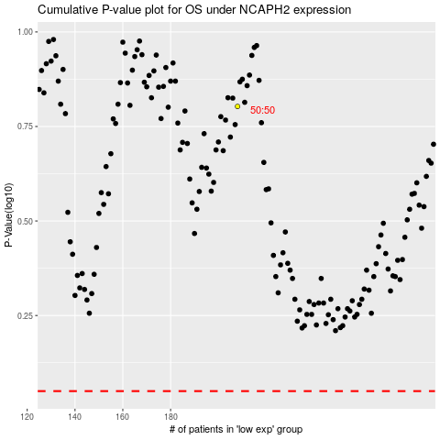

 |  |  |  |  |  | cases_OS | p_OS | rank | exp
 |  |  |  |  |  |  | cases_RFS | p_RFS | rank | exp

