NCCRP1 _multivariate
Reported by Tex Li-Hsing Chi. tex@gate.sinica.edu.tw 2019-08-17

Table 2. The clinicopathological features of HNSCC cohort and NCCRP1 expression. (Chi square test)
Cutoff at -0.147 (66.7%)
 |  | NCCRP1 expression |  | NCCRP1 expression |  | (Optimised)
 | Features | Low | (%) | High | (%) | Case no | P-value | Remark | Matthews
Gender | Female | 210 | 50.6 | 96 | 23.1 | 415 | 0.1568 | 0 | 0
2 | Male | 66 | 15.9 | 43 | 10.4
Age at diagnosis | <=65y | 187 | 45.1 | 87 | 21 | 415 | 0.348 | 0 | 0
4 | >65y | 89 | 21.4 | 52 | 12.5
Clinical T Status | T1+T2 | 106 | 25.5 | 43 | 10.4 | 415 | 0.1649 | 0 | 0
6 | T3+T4 | 170 | 41 | 96 | 23.1
Clinical N Status | N0 | 143 | 34.5 | 73 | 17.6 | 415 | 0.9746 | 0 | 0
8 | N1-3 | 133 | 32 | 66 | 15.9
Clinical M Status | M0 | 273 | 65.8 | 139 | 33.5 | 415 | 0.554 | 0 | 0
10 | M1 | 3 | 0.7 | 0 | 0
Clinical Stage | Stage I+II | 71 | 17.1 | 31 | 7.5 | 415 | 0.5199 | 0 | 0
12 | Stage III+IV | 205 | 49.4 | 108 | 26
Surgical Margin status | Negative | 213 | 51.3 | 105 | 25.3 | 415 | 0.7139 | 0 | 0
14 | Positive | 63 | 15.2 | 34 | 8.2
Tobacco Exposure | Low | 98 | 23.6 | 63 | 15.2 | 415 | 0.0555 | 0 | 0
16 | High | 178 | 42.9 | 76 | 18.3

Table 3. Univariate/Multivariate Cox's proportional hazards regression analyses on OS time of NCCRP1 gene expression in HNSCC

 |  | Univariate |  |  |  | Multivariate
 | Features | HR | CI95%(L) | CI95%(H) | P-value | HR | CI95%(L) | CI95%(H) | P-value
1 | Female | 1 |  |  |  | 1
Gender | Male | 1.157 | 0.843 | 1.587 | 0.367 | 1.257 | 0.898 | 1.76 | 0.182
11 | <=65y | 1 |  |  |  | 1
Age at diagnosis | >65y | 1.329 | 0.99 | 1.784 | 0.058 | 1.417 | 1.041 | 1.928 | 0.027
12 | T1+T2 | 1 |  |  |  | 1
Clinical T Status | T3+T4 | 1.409 | 1.028 | 1.931 | 0.033 | 2.275 | 1.203 | 4.299 | 0.011
13 | N0 | 1 |  |  |  | 1
Clinical N Status | N1-3 | 1.185 | 0.89 | 1.577 | 0.246 | 1.247 | 0.873 | 1.781 | 0.225
14 | M0 | 1 |  |  |  | 1
Clinical M Status | M1 | 4.097 | 1.009 | 16.644 | 0.049 | 8.727 | 1.902 | 40.045 | 0.005
15 | Stage I+II | 1 |  |  |  | 1
Clinical Stage | Stage III+IV | 1.245 | 0.882 | 1.759 | 0.213 | 0.493 | 0.23 | 1.057 | 0.069
16 | Negative | 1 |  |  |  | 1
Surgical Margin status | Positive | 1.591 | 1.155 | 2.191 | 0.004 | 1.701 | 1.231 | 2.351 | 0.001
17 | Low | 1 |  |  |  | 1
Tobacco Exposure | High | 1.364 | 1.008 | 1.844 | 0.044 | 1.396 | 1.011 | 1.926 | 0.042
18 | Low | 1 |  |  |  | 1
RNAseq(z-score) | High | 0.718 | 0.521 | 0.989 | 0.043 | 0.69 | 0.497 | 0.959 | 0.027

Table 4. Univariate/Multivariate Cox's proportional hazards regression analyses on RFS time of NCCRP1 gene expression in HNSCC

 |  | Univariate |  |  |  | Multivariate
 | Features | HR | CI95%(L) | CI95%(H) | P-value | HR | CI95%(L) | CI95%(H) | P-value
1 | Female | 1 |  |  |  | 1
Gender | Male | 1.157 | 0.843 | 1.587 | 0.367 | 1.257 | 0.898 | 1.76 | 0.182
11 | <=65y | 1 |  |  |  | 1
Age at diagnosis | >65y | 1.329 | 0.99 | 1.784 | 0.058 | 1.417 | 1.041 | 1.928 | 0.027
12 | T1+T2 | 1 |  |  |  | 1
Clinical T Status | T3+T4 | 1.409 | 1.028 | 1.931 | 0.033 | 2.275 | 1.203 | 4.299 | 0.011
13 | N0 | 1 |  |  |  | 1
Clinical N Status | N1-3 | 1.185 | 0.89 | 1.577 | 0.246 | 1.247 | 0.873 | 1.781 | 0.225
14 | M0 | 1 |  |  |  | 1
Clinical M Status | M1 | 4.097 | 1.009 | 16.644 | 0.049 | 8.727 | 1.902 | 40.045 | 0.005
15 | Stage I+II | 1 |  |  |  | 1
Clinical Stage | Stage III+IV | 1.245 | 0.882 | 1.759 | 0.213 | 0.493 | 0.23 | 1.057 | 0.069
16 | Negative | 1 |  |  |  | 1
Surgical Margin status | Positive | 1.591 | 1.155 | 2.191 | 0.004 | 1.701 | 1.231 | 2.351 | 0.001
17 | Low | 1 |  |  |  | 1
Tobacco Exposure | High | 1.364 | 1.008 | 1.844 | 0.044 | 1.396 | 1.011 | 1.926 | 0.042
18 | Low | 1 |  |  |  | 1
RNAseq(z-score) | High | 0.718 | 0.521 | 0.989 | 0.043 | 0.69 | 0.497 | 0.959 | 0.027

Kaplan-Meier survival estimate: Cutoff at -0.147 (66.7%)



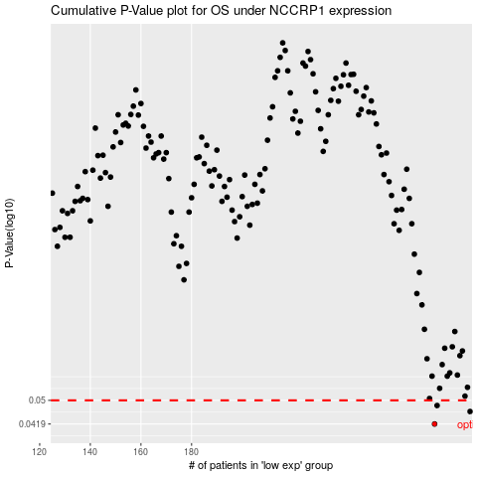

 |  |  |  |  |  | cases_OS | p_OS | rank | exp
 |  |  |  |  |  | 276 | 0.0419 | 11 | -0.147295634
 |  |  |  |  |  | 290 | 0.046 | 88 | -0.065689860094
 |  |  |  |  |  | 277 | 0.0481 | 294 | -0.1430969169
 |  |  |  |  |  |  | cases_RFS | p_RFS | rank | exp
 |  |  |  |  |  |  | 275 | 0.0419 | 349 | -0.14761289855
 |  |  |  |  |  |  | 289 | 0.046 | 48 | -0.076651081687
 |  |  |  |  |  |  | 276 | 0.0481 | 11 | -0.147295634

