NCF1C _multivariate
Reported by Tex Li-Hsing Chi. tex@gate.sinica.edu.tw 2019-08-17

Table 2. The clinicopathological features of HNSCC cohort and NCF1C expression. (Chi square test)
Cutoff at -0.008 (69.1%)
 |  | NCF1C expression |  | NCF1C expression |  | (Optimised)
 | Features | Low | (%) | High | (%) | Case no | P-value | Remark | Matthews
Gender | Female | 218 | 52.5 | 88 | 21.2 | 415 | 0.1555 | 0 | 0
2 | Male | 69 | 16.6 | 40 | 9.6
Age at diagnosis | <=65y | 194 | 46.7 | 80 | 19.3 | 415 | 0.3681 | 0 | 0
4 | >65y | 93 | 22.4 | 48 | 11.6
Clinical T Status | T1+T2 | 92 | 22.2 | 57 | 13.7 | 415 | 0.0195 | 1 | 0
6 | T3+T4 | 195 | 47 | 71 | 17.1
Clinical N Status | N0 | 147 | 35.4 | 69 | 16.6 | 415 | 0.6894 | 0 | 0
8 | N1-3 | 140 | 33.7 | 59 | 14.2
Clinical M Status | M0 | 284 | 68.4 | 128 | 30.8 | 415 | 0.5558 | 0 | 0
10 | M1 | 3 | 0.7 | 0 | 0
Clinical Stage | Stage I+II | 65 | 15.7 | 37 | 8.9 | 415 | 0.2135 | 0 | 0
12 | Stage III+IV | 222 | 53.5 | 91 | 21.9
Surgical Margin status | Negative | 216 | 52 | 102 | 24.6 | 415 | 0.3797 | 0 | 0
14 | Positive | 71 | 17.1 | 26 | 6.3
Tobacco Exposure | Low | 108 | 26 | 53 | 12.8 | 415 | 0.5131 | 0 | 0
16 | High | 179 | 43.1 | 75 | 18.1

Table 3. Univariate/Multivariate Cox's proportional hazards regression analyses on OS time of NCF1C gene expression in HNSCC

 |  | Univariate |  |  |  | Multivariate
 | Features | HR | CI95%(L) | CI95%(H) | P-value | HR | CI95%(L) | CI95%(H) | P-value
1 | Female | 1 |  |  |  | 1
Gender | Male | 1.157 | 0.843 | 1.587 | 0.367 | 1.251 | 0.893 | 1.751 | 0.193
11 | <=65y | 1 |  |  |  | 1
Age at diagnosis | >65y | 1.329 | 0.99 | 1.784 | 0.058 | 1.403 | 1.032 | 1.908 | 0.031
12 | T1+T2 | 1 |  |  |  | 1
Clinical T Status | T3+T4 | 1.409 | 1.028 | 1.931 | 0.033 | 2.089 | 1.102 | 3.96 | 0.024
13 | N0 | 1 |  |  |  | 1
Clinical N Status | N1-3 | 1.185 | 0.89 | 1.577 | 0.246 | 1.234 | 0.865 | 1.76 | 0.245
14 | M0 | 1 |  |  |  | 1
Clinical M Status | M1 | 4.097 | 1.009 | 16.644 | 0.049 | 8.402 | 1.826 | 38.66 | 0.006
15 | Stage I+II | 1 |  |  |  | 1
Clinical Stage | Stage III+IV | 1.245 | 0.882 | 1.759 | 0.213 | 0.513 | 0.239 | 1.101 | 0.087
16 | Negative | 1 |  |  |  | 1
Surgical Margin status | Positive | 1.591 | 1.155 | 2.191 | 0.004 | 1.673 | 1.211 | 2.313 | 0.002
17 | Low | 1 |  |  |  | 1
Tobacco Exposure | High | 1.364 | 1.008 | 1.844 | 0.044 | 1.456 | 1.057 | 2.006 | 0.021
18 | Low | 1 |  |  |  | 1
RNAseq(z-score) | High | 0.71 | 0.514 | 0.981 | 0.038 | 0.732 | 0.526 | 1.018 | 0.064

Table 4. Univariate/Multivariate Cox's proportional hazards regression analyses on RFS time of NCF1C gene expression in HNSCC

 |  | Univariate |  |  |  | Multivariate
 | Features | HR | CI95%(L) | CI95%(H) | P-value | HR | CI95%(L) | CI95%(H) | P-value
1 | Female | 1 |  |  |  | 1
Gender | Male | 1.157 | 0.843 | 1.587 | 0.367 | 1.251 | 0.893 | 1.751 | 0.193
11 | <=65y | 1 |  |  |  | 1
Age at diagnosis | >65y | 1.329 | 0.99 | 1.784 | 0.058 | 1.403 | 1.032 | 1.908 | 0.031
12 | T1+T2 | 1 |  |  |  | 1
Clinical T Status | T3+T4 | 1.409 | 1.028 | 1.931 | 0.033 | 2.089 | 1.102 | 3.96 | 0.024
13 | N0 | 1 |  |  |  | 1
Clinical N Status | N1-3 | 1.185 | 0.89 | 1.577 | 0.246 | 1.234 | 0.865 | 1.76 | 0.245
14 | M0 | 1 |  |  |  | 1
Clinical M Status | M1 | 4.097 | 1.009 | 16.644 | 0.049 | 8.402 | 1.826 | 38.66 | 0.006
15 | Stage I+II | 1 |  |  |  | 1
Clinical Stage | Stage III+IV | 1.245 | 0.882 | 1.759 | 0.213 | 0.513 | 0.239 | 1.101 | 0.087
16 | Negative | 1 |  |  |  | 1
Surgical Margin status | Positive | 1.591 | 1.155 | 2.191 | 0.004 | 1.673 | 1.211 | 2.313 | 0.002
17 | Low | 1 |  |  |  | 1
Tobacco Exposure | High | 1.364 | 1.008 | 1.844 | 0.044 | 1.456 | 1.057 | 2.006 | 0.021
18 | Low | 1 |  |  |  | 1
RNAseq(z-score) | High | 0.71 | 0.514 | 0.981 | 0.038 | 0.732 | 0.526 | 1.018 | 0.064

Kaplan-Meier survival estimate: Cutoff at -0.008 (69.1%)



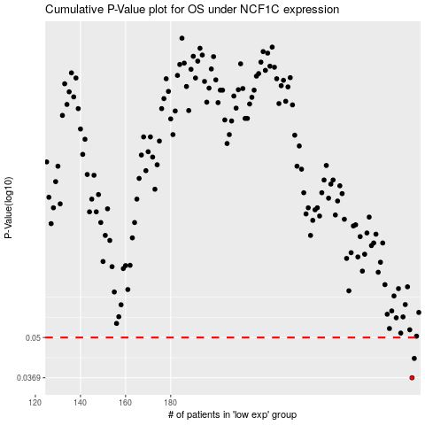

 |  |  |  |  |  | cases_OS | p_OS | rank | exp
 |  |  |  |  |  | 287 | 0.0369 | 91 | -0.0081780061913
 |  |  |  |  |  | 288 | 0.0427 | 288 | 0.0017772080673
 |  |  |  |  |  |  | cases_RFS | p_RFS | rank | exp
 |  |  |  |  |  |  | 286 | 0.0369 | 274 | -0.017811958124
 |  |  |  |  |  |  | 287 | 0.0427 | 91 | -0.0081780061913

