NCF2 _multivariate
Reported by Tex Li-Hsing Chi. tex@gate.sinica.edu.tw 2019-08-17

Table 2. The clinicopathological features of HNSCC cohort and NCF2 expression. (Chi square test)
Cutoff at -0.14 (50.0%)
 |  | NCF2 expression |  | NCF2 expression |  | (Optimised)
 | Features | Low | (%) | High | (%) | Case no | P-value | Remark | Matthews
Gender | Female | 161 | 38.8 | 145 | 34.9 | 415 | 0.0792 | 0 | 0
2 | Male | 46 | 11.1 | 63 | 15.2
Age at diagnosis | <=65y | 144 | 34.7 | 130 | 31.3 | 415 | 0.1568 | 0 | 0
4 | >65y | 63 | 15.2 | 78 | 18.8
Clinical T Status | T1+T2 | 78 | 18.8 | 71 | 17.1 | 415 | 0.5152 | 0 | 0
6 | T3+T4 | 129 | 31.1 | 137 | 33
Clinical N Status | N0 | 111 | 26.7 | 105 | 25.3 | 415 | 0.5875 | 0 | 0
8 | N1-3 | 96 | 23.1 | 103 | 24.8
Clinical M Status | M0 | 206 | 49.6 | 206 | 49.6 | 415 | 1 | 0 | 0
10 | M1 | 1 | 0.2 | 2 | 0.5
Clinical Stage | Stage I+II | 50 | 12 | 52 | 12.5 | 415 | 0.9315 | 0 | 0
12 | Stage III+IV | 157 | 37.8 | 156 | 37.6
Surgical Margin status | Negative | 157 | 37.8 | 161 | 38.8 | 415 | 0.729 | 0 | 0
14 | Positive | 50 | 12 | 47 | 11.3
Tobacco Exposure | Low | 75 | 18.1 | 86 | 20.7 | 415 | 0.3141 | 0 | 0
16 | High | 132 | 31.8 | 122 | 29.4

Table 3. Univariate/Multivariate Cox's proportional hazards regression analyses on OS time of NCF2 gene expression in HNSCC

 |  | Univariate |  |  |  | Multivariate
 | Features | HR | CI95%(L) | CI95%(H) | P-value | HR | CI95%(L) | CI95%(H) | P-value
1 | Female | 1 |  |  |  | 1
Gender | Male | 1.157 | 0.843 | 1.587 | 0.367 | 1.19 | 0.851 | 1.665 | 0.308
11 | <=65y | 1 |  |  |  | 1
Age at diagnosis | >65y | 1.329 | 0.99 | 1.784 | 0.058 | 1.378 | 1.013 | 1.875 | 0.041
12 | T1+T2 | 1 |  |  |  | 1
Clinical T Status | T3+T4 | 1.409 | 1.028 | 1.931 | 0.033 | 2.149 | 1.133 | 4.074 | 0.019
13 | N0 | 1 |  |  |  | 1
Clinical N Status | N1-3 | 1.185 | 0.89 | 1.577 | 0.246 | 1.23 | 0.862 | 1.756 | 0.254
14 | M0 | 1 |  |  |  | 1
Clinical M Status | M1 | 4.097 | 1.009 | 16.644 | 0.049 | 8.864 | 1.921 | 40.903 | 0.005
15 | Stage I+II | 1 |  |  |  | 1
Clinical Stage | Stage III+IV | 1.245 | 0.882 | 1.759 | 0.213 | 0.522 | 0.242 | 1.126 | 0.098
16 | Negative | 1 |  |  |  | 1
Surgical Margin status | Positive | 1.591 | 1.155 | 2.191 | 0.004 | 1.669 | 1.208 | 2.306 | 0.002
17 | Low | 1 |  |  |  | 1
Tobacco Exposure | High | 1.364 | 1.008 | 1.844 | 0.044 | 1.455 | 1.056 | 2.004 | 0.022
18 | Low | 1 |  |  |  | 1
RNAseq(z-score) | High | 1.188 | 0.892 | 1.583 | 0.239 | 1.127 | 0.842 | 1.508 | 0.422

Table 4. Univariate/Multivariate Cox's proportional hazards regression analyses on RFS time of NCF2 gene expression in HNSCC

 |  | Univariate |  |  |  | Multivariate
 | Features | HR | CI95%(L) | CI95%(H) | P-value | HR | CI95%(L) | CI95%(H) | P-value
1 | Female | 1 |  |  |  | 1
Gender | Male | 1.157 | 0.843 | 1.587 | 0.367 | 1.19 | 0.851 | 1.665 | 0.308
11 | <=65y | 1 |  |  |  | 1
Age at diagnosis | >65y | 1.329 | 0.99 | 1.784 | 0.058 | 1.378 | 1.013 | 1.875 | 0.041
12 | T1+T2 | 1 |  |  |  | 1
Clinical T Status | T3+T4 | 1.409 | 1.028 | 1.931 | 0.033 | 2.149 | 1.133 | 4.074 | 0.019
13 | N0 | 1 |  |  |  | 1
Clinical N Status | N1-3 | 1.185 | 0.89 | 1.577 | 0.246 | 1.23 | 0.862 | 1.756 | 0.254
14 | M0 | 1 |  |  |  | 1
Clinical M Status | M1 | 4.097 | 1.009 | 16.644 | 0.049 | 8.864 | 1.921 | 40.903 | 0.005
15 | Stage I+II | 1 |  |  |  | 1
Clinical Stage | Stage III+IV | 1.245 | 0.882 | 1.759 | 0.213 | 0.522 | 0.242 | 1.126 | 0.098
16 | Negative | 1 |  |  |  | 1
Surgical Margin status | Positive | 1.591 | 1.155 | 2.191 | 0.004 | 1.669 | 1.208 | 2.306 | 0.002
17 | Low | 1 |  |  |  | 1
Tobacco Exposure | High | 1.364 | 1.008 | 1.844 | 0.044 | 1.455 | 1.056 | 2.004 | 0.022
18 | Low | 1 |  |  |  | 1
RNAseq(z-score) | High | 1.188 | 0.892 | 1.583 | 0.239 | 1.127 | 0.842 | 1.508 | 0.422

Kaplan-Meier survival estimate: Cutoff at -0.14 (50.0%)



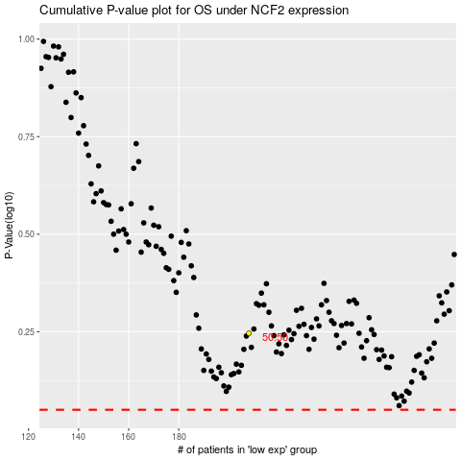

 |  |  |  |  |  | cases_OS | p_OS | rank | exp
 |  |  |  |  |  |  | cases_RFS | p_RFS | rank | exp

