NCKAP1 _multivariate
Reported by Tex Li-Hsing Chi. tex@gate.sinica.edu.tw 2019-08-17

Table 2. The clinicopathological features of HNSCC cohort and NCKAP1 expression. (Chi square test)
Cutoff at -0.022 (50.0%)
 |  | NCKAP1 expression |  | NCKAP1 expression |  | (Optimised)
 | Features | Low | (%) | High | (%) | Case no | P-value | Remark | Matthews
Gender | Female | 154 | 37.1 | 152 | 36.6 | 415 | 0.8463 | 0 | 0
2 | Male | 53 | 12.8 | 56 | 13.5
Age at diagnosis | <=65y | 140 | 33.7 | 134 | 32.3 | 415 | 0.5574 | 0 | 0
4 | >65y | 67 | 16.1 | 74 | 17.8
Clinical T Status | T1+T2 | 84 | 20.2 | 65 | 15.7 | 415 | 0.0603 | 0 | 0
6 | T3+T4 | 123 | 29.6 | 143 | 34.5
Clinical N Status | N0 | 104 | 25.1 | 112 | 27 | 415 | 0.5243 | 0 | 0
8 | N1-3 | 103 | 24.8 | 96 | 23.1
Clinical M Status | M0 | 204 | 49.2 | 208 | 50.1 | 415 | 0.1232 | 0 | 0
10 | M1 | 3 | 0.7 | 0 | 0
Clinical Stage | Stage I+II | 50 | 12 | 52 | 12.5 | 415 | 0.9315 | 0 | 0
12 | Stage III+IV | 157 | 37.8 | 156 | 37.6
Surgical Margin status | Negative | 157 | 37.8 | 161 | 38.8 | 415 | 0.729 | 0 | 0
14 | Positive | 50 | 12 | 47 | 11.3
Tobacco Exposure | Low | 90 | 21.7 | 71 | 17.1 | 415 | 0.0559 | 0 | 0
16 | High | 117 | 28.2 | 137 | 33

Table 3. Univariate/Multivariate Cox's proportional hazards regression analyses on OS time of NCKAP1 gene expression in HNSCC

 |  | Univariate |  |  |  | Multivariate
 | Features | HR | CI95%(L) | CI95%(H) | P-value | HR | CI95%(L) | CI95%(H) | P-value
1 | Female | 1 |  |  |  | 1
Gender | Male | 1.157 | 0.843 | 1.587 | 0.367 | 1.196 | 0.857 | 1.67 | 0.293
11 | <=65y | 1 |  |  |  | 1
Age at diagnosis | >65y | 1.329 | 0.99 | 1.784 | 0.058 | 1.387 | 1.02 | 1.886 | 0.037
12 | T1+T2 | 1 |  |  |  | 1
Clinical T Status | T3+T4 | 1.409 | 1.028 | 1.931 | 0.033 | 2.154 | 1.136 | 4.082 | 0.019
13 | N0 | 1 |  |  |  | 1
Clinical N Status | N1-3 | 1.185 | 0.89 | 1.577 | 0.246 | 1.25 | 0.876 | 1.785 | 0.219
14 | M0 | 1 |  |  |  | 1
Clinical M Status | M1 | 4.097 | 1.009 | 16.644 | 0.049 | 9.841 | 2.139 | 45.286 | 0.003
15 | Stage I+II | 1 |  |  |  | 1
Clinical Stage | Stage III+IV | 1.245 | 0.882 | 1.759 | 0.213 | 0.512 | 0.238 | 1.101 | 0.087
16 | Negative | 1 |  |  |  | 1
Surgical Margin status | Positive | 1.591 | 1.155 | 2.191 | 0.004 | 1.674 | 1.211 | 2.314 | 0.002
17 | Low | 1 |  |  |  | 1
Tobacco Exposure | High | 1.364 | 1.008 | 1.844 | 0.044 | 1.439 | 1.044 | 1.983 | 0.026
18 | Low | 1 |  |  |  | 1
RNAseq(z-score) | High | 1.18 | 0.884 | 1.577 | 0.262 | 1.138 | 0.847 | 1.527 | 0.391

Table 4. Univariate/Multivariate Cox's proportional hazards regression analyses on RFS time of NCKAP1 gene expression in HNSCC

 |  | Univariate |  |  |  | Multivariate
 | Features | HR | CI95%(L) | CI95%(H) | P-value | HR | CI95%(L) | CI95%(H) | P-value
1 | Female | 1 |  |  |  | 1
Gender | Male | 1.157 | 0.843 | 1.587 | 0.367 | 1.196 | 0.857 | 1.67 | 0.293
11 | <=65y | 1 |  |  |  | 1
Age at diagnosis | >65y | 1.329 | 0.99 | 1.784 | 0.058 | 1.387 | 1.02 | 1.886 | 0.037
12 | T1+T2 | 1 |  |  |  | 1
Clinical T Status | T3+T4 | 1.409 | 1.028 | 1.931 | 0.033 | 2.154 | 1.136 | 4.082 | 0.019
13 | N0 | 1 |  |  |  | 1
Clinical N Status | N1-3 | 1.185 | 0.89 | 1.577 | 0.246 | 1.25 | 0.876 | 1.785 | 0.219
14 | M0 | 1 |  |  |  | 1
Clinical M Status | M1 | 4.097 | 1.009 | 16.644 | 0.049 | 9.841 | 2.139 | 45.286 | 0.003
15 | Stage I+II | 1 |  |  |  | 1
Clinical Stage | Stage III+IV | 1.245 | 0.882 | 1.759 | 0.213 | 0.512 | 0.238 | 1.101 | 0.087
16 | Negative | 1 |  |  |  | 1
Surgical Margin status | Positive | 1.591 | 1.155 | 2.191 | 0.004 | 1.674 | 1.211 | 2.314 | 0.002
17 | Low | 1 |  |  |  | 1
Tobacco Exposure | High | 1.364 | 1.008 | 1.844 | 0.044 | 1.439 | 1.044 | 1.983 | 0.026
18 | Low | 1 |  |  |  | 1
RNAseq(z-score) | High | 1.18 | 0.884 | 1.577 | 0.262 | 1.138 | 0.847 | 1.527 | 0.391

Kaplan-Meier survival estimate: Cutoff at -0.022 (50.0%)



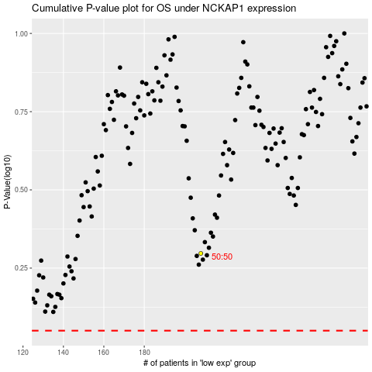

 |  |  |  |  |  | cases_OS | p_OS | rank | exp
 |  |  |  |  |  |  | cases_RFS | p_RFS | rank | exp

