NCKAP1L _multivariate
Reported by Tex Li-Hsing Chi. tex@gate.sinica.edu.tw 2019-08-17

Table 2. The clinicopathological features of HNSCC cohort and NCKAP1L expression. (Chi square test)
Cutoff at -0.48 (37.9%)
 |  | NCKAP1L expression |  | NCKAP1L expression |  | (Optimised)
 | Features | Low | (%) | High | (%) | Case no | P-value | Remark | Matthews
Gender | Female | 124 | 29.9 | 182 | 43.9 | 415 | 0.1079 | 0 | 0
2 | Male | 34 | 8.2 | 75 | 18.1
Age at diagnosis | <=65y | 109 | 26.3 | 165 | 39.8 | 415 | 0.3721 | 0 | 0
4 | >65y | 49 | 11.8 | 92 | 22.2
Clinical T Status | T1+T2 | 52 | 12.5 | 97 | 23.4 | 415 | 0.373 | 0 | 0
6 | T3+T4 | 106 | 25.5 | 160 | 38.6
Clinical N Status | N0 | 89 | 21.4 | 127 | 30.6 | 415 | 0.205 | 0 | 0
8 | N1-3 | 69 | 16.6 | 130 | 31.3
Clinical M Status | M0 | 156 | 37.6 | 256 | 61.7 | 415 | 0.5605 | 0 | 0
10 | M1 | 2 | 0.5 | 1 | 0.2
Clinical Stage | Stage I+II | 39 | 9.4 | 63 | 15.2 | 415 | 1 | 0 | 0
12 | Stage III+IV | 119 | 28.7 | 194 | 46.7
Surgical Margin status | Negative | 115 | 27.7 | 203 | 48.9 | 415 | 0.1535 | 0 | 0
14 | Positive | 43 | 10.4 | 54 | 13
Tobacco Exposure | Low | 59 | 14.2 | 102 | 24.6 | 415 | 0.6786 | 0 | 0
16 | High | 99 | 23.9 | 155 | 37.3

Table 3. Univariate/Multivariate Cox's proportional hazards regression analyses on OS time of NCKAP1L gene expression in HNSCC

 |  | Univariate |  |  |  | Multivariate
 | Features | HR | CI95%(L) | CI95%(H) | P-value | HR | CI95%(L) | CI95%(H) | P-value
1 | Female | 1 |  |  |  | 1
Gender | Male | 1.157 | 0.843 | 1.587 | 0.367 | 1.21 | 0.866 | 1.693 | 0.264
11 | <=65y | 1 |  |  |  | 1
Age at diagnosis | >65y | 1.329 | 0.99 | 1.784 | 0.058 | 1.404 | 1.034 | 1.907 | 0.03
12 | T1+T2 | 1 |  |  |  | 1
Clinical T Status | T3+T4 | 1.409 | 1.028 | 1.931 | 0.033 | 2.147 | 1.135 | 4.062 | 0.019
13 | N0 | 1 |  |  |  | 1
Clinical N Status | N1-3 | 1.185 | 0.89 | 1.577 | 0.246 | 1.268 | 0.889 | 1.81 | 0.191
14 | M0 | 1 |  |  |  | 1
Clinical M Status | M1 | 4.097 | 1.009 | 16.644 | 0.049 | 8.52 | 1.853 | 39.184 | 0.006
15 | Stage I+II | 1 |  |  |  | 1
Clinical Stage | Stage III+IV | 1.245 | 0.882 | 1.759 | 0.213 | 0.514 | 0.24 | 1.102 | 0.087
16 | Negative | 1 |  |  |  | 1
Surgical Margin status | Positive | 1.591 | 1.155 | 2.191 | 0.004 | 1.658 | 1.2 | 2.292 | 0.002
17 | Low | 1 |  |  |  | 1
Tobacco Exposure | High | 1.364 | 1.008 | 1.844 | 0.044 | 1.434 | 1.04 | 1.977 | 0.028
18 | Low | 1 |  |  |  | 1
RNAseq(z-score) | High | 0.742 | 0.555 | 0.992 | 0.044 | 0.751 | 0.56 | 1.006 | 0.055

Table 4. Univariate/Multivariate Cox's proportional hazards regression analyses on RFS time of NCKAP1L gene expression in HNSCC

 |  | Univariate |  |  |  | Multivariate
 | Features | HR | CI95%(L) | CI95%(H) | P-value | HR | CI95%(L) | CI95%(H) | P-value
1 | Female | 1 |  |  |  | 1
Gender | Male | 1.157 | 0.843 | 1.587 | 0.367 | 1.21 | 0.866 | 1.693 | 0.264
11 | <=65y | 1 |  |  |  | 1
Age at diagnosis | >65y | 1.329 | 0.99 | 1.784 | 0.058 | 1.404 | 1.034 | 1.907 | 0.03
12 | T1+T2 | 1 |  |  |  | 1
Clinical T Status | T3+T4 | 1.409 | 1.028 | 1.931 | 0.033 | 2.147 | 1.135 | 4.062 | 0.019
13 | N0 | 1 |  |  |  | 1
Clinical N Status | N1-3 | 1.185 | 0.89 | 1.577 | 0.246 | 1.268 | 0.889 | 1.81 | 0.191
14 | M0 | 1 |  |  |  | 1
Clinical M Status | M1 | 4.097 | 1.009 | 16.644 | 0.049 | 8.52 | 1.853 | 39.184 | 0.006
15 | Stage I+II | 1 |  |  |  | 1
Clinical Stage | Stage III+IV | 1.245 | 0.882 | 1.759 | 0.213 | 0.514 | 0.24 | 1.102 | 0.087
16 | Negative | 1 |  |  |  | 1
Surgical Margin status | Positive | 1.591 | 1.155 | 2.191 | 0.004 | 1.658 | 1.2 | 2.292 | 0.002
17 | Low | 1 |  |  |  | 1
Tobacco Exposure | High | 1.364 | 1.008 | 1.844 | 0.044 | 1.434 | 1.04 | 1.977 | 0.028
18 | Low | 1 |  |  |  | 1
RNAseq(z-score) | High | 0.742 | 0.555 | 0.992 | 0.044 | 0.751 | 0.56 | 1.006 | 0.055

Kaplan-Meier survival estimate: Cutoff at -0.48 (37.9%)



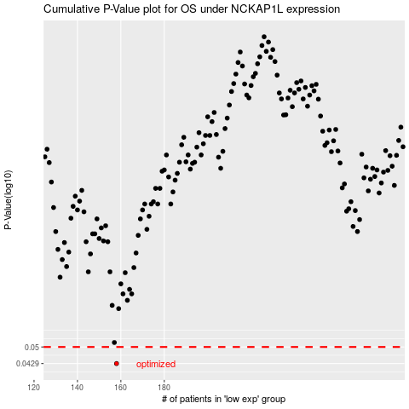

 |  |  |  |  |  | cases_OS | p_OS | rank | exp
 |  |  |  |  |  | 158 | 0.0429 | 219 | -0.48002076816
 |  |  |  |  |  |  | cases_RFS | p_RFS | rank | exp
 |  |  |  |  |  |  | 157 | 0.0429 | 203 | -0.4834743736

