NCKAP5 _multivariate
Reported by Tex Li-Hsing Chi. tex@gate.sinica.edu.tw 2019-08-17

Table 2. The clinicopathological features of HNSCC cohort and NCKAP5 expression. (Chi square test)
Cutoff at -0.153 (50.0%)
 |  | NCKAP5 expression |  | NCKAP5 expression |  | (Optimised)
 | Features | Low | (%) | High | (%) | Case no | P-value | Remark | Matthews
Gender | Female | 158 | 38.1 | 148 | 35.7 | 415 | 0.2774 | 0 | 0
2 | Male | 49 | 11.8 | 60 | 14.5
Age at diagnosis | <=65y | 138 | 33.3 | 136 | 32.8 | 415 | 0.8634 | 0 | 0
4 | >65y | 69 | 16.6 | 72 | 17.3
Clinical T Status | T1+T2 | 76 | 18.3 | 73 | 17.6 | 415 | 0.8092 | 0 | 0
6 | T3+T4 | 131 | 31.6 | 135 | 32.5
Clinical N Status | N0 | 103 | 24.8 | 113 | 27.2 | 415 | 0.4047 | 0 | 0
8 | N1-3 | 104 | 25.1 | 95 | 22.9
Clinical M Status | M0 | 205 | 49.4 | 207 | 49.9 | 415 | 0.6232 | 0 | 0
10 | M1 | 2 | 0.5 | 1 | 0.2
Clinical Stage | Stage I+II | 49 | 11.8 | 53 | 12.8 | 415 | 0.7535 | 0 | 0
12 | Stage III+IV | 158 | 38.1 | 155 | 37.3
Surgical Margin status | Negative | 153 | 36.9 | 165 | 39.8 | 415 | 0.2036 | 0 | 0
14 | Positive | 54 | 13 | 43 | 10.4
Tobacco Exposure | Low | 71 | 17.1 | 90 | 21.7 | 415 | 0.0698 | 0 | 0
16 | High | 136 | 32.8 | 118 | 28.4

Table 3. Univariate/Multivariate Cox's proportional hazards regression analyses on OS time of NCKAP5 gene expression in HNSCC

 |  | Univariate |  |  |  | Multivariate
 | Features | HR | CI95%(L) | CI95%(H) | P-value | HR | CI95%(L) | CI95%(H) | P-value
1 | Female | 1 |  |  |  | 1
Gender | Male | 1.157 | 0.843 | 1.587 | 0.367 | 1.212 | 0.867 | 1.695 | 0.261
11 | <=65y | 1 |  |  |  | 1
Age at diagnosis | >65y | 1.329 | 0.99 | 1.784 | 0.058 | 1.391 | 1.024 | 1.89 | 0.035
12 | T1+T2 | 1 |  |  |  | 1
Clinical T Status | T3+T4 | 1.409 | 1.028 | 1.931 | 0.033 | 2.207 | 1.168 | 4.172 | 0.015
13 | N0 | 1 |  |  |  | 1
Clinical N Status | N1-3 | 1.185 | 0.89 | 1.577 | 0.246 | 1.228 | 0.86 | 1.754 | 0.259
14 | M0 | 1 |  |  |  | 1
Clinical M Status | M1 | 4.097 | 1.009 | 16.644 | 0.049 | 9.336 | 2.037 | 42.796 | 0.004
15 | Stage I+II | 1 |  |  |  | 1
Clinical Stage | Stage III+IV | 1.245 | 0.882 | 1.759 | 0.213 | 0.508 | 0.237 | 1.091 | 0.082
16 | Negative | 1 |  |  |  | 1
Surgical Margin status | Positive | 1.591 | 1.155 | 2.191 | 0.004 | 1.649 | 1.191 | 2.283 | 0.003
17 | Low | 1 |  |  |  | 1
Tobacco Exposure | High | 1.364 | 1.008 | 1.844 | 0.044 | 1.44 | 1.045 | 1.986 | 0.026
18 | Low | 1 |  |  |  | 1
RNAseq(z-score) | High | 0.856 | 0.643 | 1.14 | 0.288 | 0.898 | 0.671 | 1.202 | 0.471

Table 4. Univariate/Multivariate Cox's proportional hazards regression analyses on RFS time of NCKAP5 gene expression in HNSCC

 |  | Univariate |  |  |  | Multivariate
 | Features | HR | CI95%(L) | CI95%(H) | P-value | HR | CI95%(L) | CI95%(H) | P-value
1 | Female | 1 |  |  |  | 1
Gender | Male | 1.157 | 0.843 | 1.587 | 0.367 | 1.212 | 0.867 | 1.695 | 0.261
11 | <=65y | 1 |  |  |  | 1
Age at diagnosis | >65y | 1.329 | 0.99 | 1.784 | 0.058 | 1.391 | 1.024 | 1.89 | 0.035
12 | T1+T2 | 1 |  |  |  | 1
Clinical T Status | T3+T4 | 1.409 | 1.028 | 1.931 | 0.033 | 2.207 | 1.168 | 4.172 | 0.015
13 | N0 | 1 |  |  |  | 1
Clinical N Status | N1-3 | 1.185 | 0.89 | 1.577 | 0.246 | 1.228 | 0.86 | 1.754 | 0.259
14 | M0 | 1 |  |  |  | 1
Clinical M Status | M1 | 4.097 | 1.009 | 16.644 | 0.049 | 9.336 | 2.037 | 42.796 | 0.004
15 | Stage I+II | 1 |  |  |  | 1
Clinical Stage | Stage III+IV | 1.245 | 0.882 | 1.759 | 0.213 | 0.508 | 0.237 | 1.091 | 0.082
16 | Negative | 1 |  |  |  | 1
Surgical Margin status | Positive | 1.591 | 1.155 | 2.191 | 0.004 | 1.649 | 1.191 | 2.283 | 0.003
17 | Low | 1 |  |  |  | 1
Tobacco Exposure | High | 1.364 | 1.008 | 1.844 | 0.044 | 1.44 | 1.045 | 1.986 | 0.026
18 | Low | 1 |  |  |  | 1
RNAseq(z-score) | High | 0.856 | 0.643 | 1.14 | 0.288 | 0.898 | 0.671 | 1.202 | 0.471

Kaplan-Meier survival estimate: Cutoff at -0.153 (50.0%)



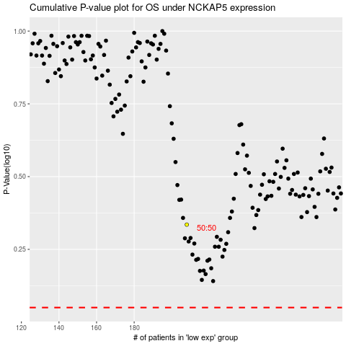

 |  |  |  |  |  | cases_OS | p_OS | rank | exp
 |  |  |  |  |  |  | cases_RFS | p_RFS | rank | exp

