NCKAP5L _multivariate
Reported by Tex Li-Hsing Chi. tex@gate.sinica.edu.tw 2019-08-17

Table 2. The clinicopathological features of HNSCC cohort and NCKAP5L expression. (Chi square test)
Cutoff at -0.053 (49.8%)
 |  | NCKAP5L expression |  | NCKAP5L expression |  | (Optimised)
 | Features | Low | (%) | High | (%) | Case no | P-value | Remark | Matthews
Gender | Female | 150 | 36.1 | 156 | 37.6 | 415 | 0.6344 | 0 | 0
2 | Male | 57 | 13.7 | 52 | 12.5
Age at diagnosis | <=65y | 147 | 35.4 | 127 | 30.6 | 415 | 0.0416 | 1 | 0
4 | >65y | 60 | 14.5 | 81 | 19.5
Clinical T Status | T1+T2 | 70 | 16.9 | 79 | 19 | 415 | 0.4343 | 0 | 0
6 | T3+T4 | 137 | 33 | 129 | 31.1
Clinical N Status | N0 | 102 | 24.6 | 114 | 27.5 | 415 | 0.3031 | 0 | 0
8 | N1-3 | 105 | 25.3 | 94 | 22.7
Clinical M Status | M0 | 206 | 49.6 | 206 | 49.6 | 415 | 1 | 0 | 0
10 | M1 | 1 | 0.2 | 2 | 0.5
Clinical Stage | Stage I+II | 43 | 10.4 | 59 | 14.2 | 415 | 0.0925 | 0 | 0
12 | Stage III+IV | 164 | 39.5 | 149 | 35.9
Surgical Margin status | Negative | 154 | 37.1 | 164 | 39.5 | 415 | 0.2984 | 0 | 0
14 | Positive | 53 | 12.8 | 44 | 10.6
Tobacco Exposure | Low | 73 | 17.6 | 88 | 21.2 | 415 | 0.1587 | 0 | 0
16 | High | 134 | 32.3 | 120 | 28.9

Table 3. Univariate/Multivariate Cox's proportional hazards regression analyses on OS time of NCKAP5L gene expression in HNSCC

 |  | Univariate |  |  |  | Multivariate
 | Features | HR | CI95%(L) | CI95%(H) | P-value | HR | CI95%(L) | CI95%(H) | P-value
1 | Female | 1 |  |  |  | 1
Gender | Male | 1.157 | 0.843 | 1.587 | 0.367 | 1.219 | 0.865 | 1.718 | 0.258
11 | <=65y | 1 |  |  |  | 1
Age at diagnosis | >65y | 1.329 | 0.99 | 1.784 | 0.058 | 1.382 | 1.015 | 1.883 | 0.04
12 | T1+T2 | 1 |  |  |  | 1
Clinical T Status | T3+T4 | 1.409 | 1.028 | 1.931 | 0.033 | 2.183 | 1.152 | 4.135 | 0.017
13 | N0 | 1 |  |  |  | 1
Clinical N Status | N1-3 | 1.185 | 0.89 | 1.577 | 0.246 | 1.235 | 0.865 | 1.763 | 0.246
14 | M0 | 1 |  |  |  | 1
Clinical M Status | M1 | 4.097 | 1.009 | 16.644 | 0.049 | 9.302 | 2.027 | 42.689 | 0.004
15 | Stage I+II | 1 |  |  |  | 1
Clinical Stage | Stage III+IV | 1.245 | 0.882 | 1.759 | 0.213 | 0.514 | 0.238 | 1.109 | 0.09
16 | Negative | 1 |  |  |  | 1
Surgical Margin status | Positive | 1.591 | 1.155 | 2.191 | 0.004 | 1.68 | 1.214 | 2.323 | 0.002
17 | Low | 1 |  |  |  | 1
Tobacco Exposure | High | 1.364 | 1.008 | 1.844 | 0.044 | 1.459 | 1.058 | 2.012 | 0.021
18 | Low | 1 |  |  |  | 1
RNAseq(z-score) | High | 1.022 | 0.767 | 1.361 | 0.882 | 1.058 | 0.785 | 1.426 | 0.713

Table 4. Univariate/Multivariate Cox's proportional hazards regression analyses on RFS time of NCKAP5L gene expression in HNSCC

 |  | Univariate |  |  |  | Multivariate
 | Features | HR | CI95%(L) | CI95%(H) | P-value | HR | CI95%(L) | CI95%(H) | P-value
1 | Female | 1 |  |  |  | 1
Gender | Male | 1.157 | 0.843 | 1.587 | 0.367 | 1.219 | 0.865 | 1.718 | 0.258
11 | <=65y | 1 |  |  |  | 1
Age at diagnosis | >65y | 1.329 | 0.99 | 1.784 | 0.058 | 1.382 | 1.015 | 1.883 | 0.04
12 | T1+T2 | 1 |  |  |  | 1
Clinical T Status | T3+T4 | 1.409 | 1.028 | 1.931 | 0.033 | 2.183 | 1.152 | 4.135 | 0.017
13 | N0 | 1 |  |  |  | 1
Clinical N Status | N1-3 | 1.185 | 0.89 | 1.577 | 0.246 | 1.235 | 0.865 | 1.763 | 0.246
14 | M0 | 1 |  |  |  | 1
Clinical M Status | M1 | 4.097 | 1.009 | 16.644 | 0.049 | 9.302 | 2.027 | 42.689 | 0.004
15 | Stage I+II | 1 |  |  |  | 1
Clinical Stage | Stage III+IV | 1.245 | 0.882 | 1.759 | 0.213 | 0.514 | 0.238 | 1.109 | 0.09
16 | Negative | 1 |  |  |  | 1
Surgical Margin status | Positive | 1.591 | 1.155 | 2.191 | 0.004 | 1.68 | 1.214 | 2.323 | 0.002
17 | Low | 1 |  |  |  | 1
Tobacco Exposure | High | 1.364 | 1.008 | 1.844 | 0.044 | 1.459 | 1.058 | 2.012 | 0.021
18 | Low | 1 |  |  |  | 1
RNAseq(z-score) | High | 1.022 | 0.767 | 1.361 | 0.882 | 1.058 | 0.785 | 1.426 | 0.713

Kaplan-Meier survival estimate: Cutoff at -0.053 (49.8%)

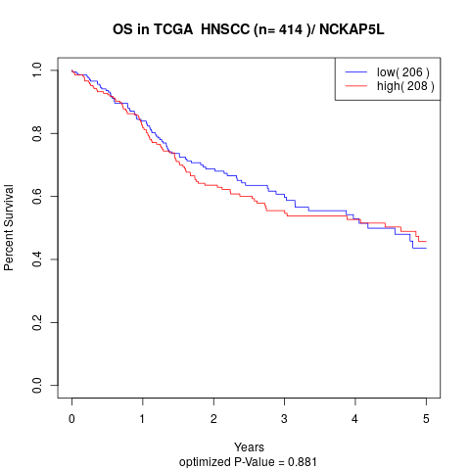

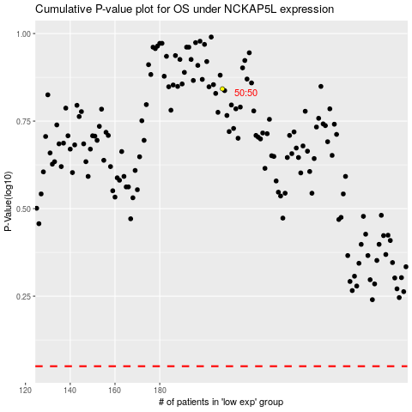

 |  |  |  |  |  | cases_OS | p_OS | rank | exp
 |  |  |  |  |  |  | cases_RFS | p_RFS | rank | exp

