NCKIPSD _multivariate
Reported by Tex Li-Hsing Chi. tex@gate.sinica.edu.tw 2019-08-17

Table 2. The clinicopathological features of HNSCC cohort and NCKIPSD expression. (Chi square test)
Cutoff at -0.594 (30.0%)
 |  | NCKIPSD expression |  | NCKIPSD expression |  | (Optimised)
 | Features | Low | (%) | High | (%) | Case no | P-value | Remark | Matthews
Gender | Female | 89 | 21.4 | 217 | 52.3 | 415 | 0.5164 | 0 | 0
2 | Male | 36 | 8.7 | 73 | 17.6
Age at diagnosis | <=65y | 84 | 20.2 | 190 | 45.8 | 415 | 0.8266 | 0 | 0
4 | >65y | 41 | 9.9 | 100 | 24.1
Clinical T Status | T1+T2 | 49 | 11.8 | 100 | 24.1 | 415 | 0.4194 | 0 | 0
6 | T3+T4 | 76 | 18.3 | 190 | 45.8
Clinical N Status | N0 | 62 | 14.9 | 154 | 37.1 | 415 | 0.5835 | 0 | 0
8 | N1-3 | 63 | 15.2 | 136 | 32.8
Clinical M Status | M0 | 124 | 29.9 | 288 | 69.4 | 415 | 1 | 0 | 0
10 | M1 | 1 | 0.2 | 2 | 0.5
Clinical Stage | Stage I+II | 35 | 8.4 | 67 | 16.1 | 415 | 0.3479 | 0 | 0
12 | Stage III+IV | 90 | 21.7 | 223 | 53.7
Surgical Margin status | Negative | 96 | 23.1 | 222 | 53.5 | 415 | 1 | 0 | 0
14 | Positive | 29 | 7 | 68 | 16.4
Tobacco Exposure | Low | 51 | 12.3 | 110 | 26.5 | 415 | 0.585 | 0 | 0
16 | High | 74 | 17.8 | 180 | 43.4

Table 3. Univariate/Multivariate Cox's proportional hazards regression analyses on OS time of NCKIPSD gene expression in HNSCC

 |  | Univariate |  |  |  | Multivariate
 | Features | HR | CI95%(L) | CI95%(H) | P-value | HR | CI95%(L) | CI95%(H) | P-value
1 | Female | 1 |  |  |  | 1
Gender | Male | 1.157 | 0.843 | 1.587 | 0.367 | 1.195 | 0.857 | 1.666 | 0.295
11 | <=65y | 1 |  |  |  | 1
Age at diagnosis | >65y | 1.329 | 0.99 | 1.784 | 0.058 | 1.397 | 1.027 | 1.899 | 0.033
12 | T1+T2 | 1 |  |  |  | 1
Clinical T Status | T3+T4 | 1.409 | 1.028 | 1.931 | 0.033 | 2.145 | 1.134 | 4.055 | 0.019
13 | N0 | 1 |  |  |  | 1
Clinical N Status | N1-3 | 1.185 | 0.89 | 1.577 | 0.246 | 1.185 | 0.827 | 1.697 | 0.356
14 | M0 | 1 |  |  |  | 1
Clinical M Status | M1 | 4.097 | 1.009 | 16.644 | 0.049 | 9.017 | 1.965 | 41.369 | 0.005
15 | Stage I+II | 1 |  |  |  | 1
Clinical Stage | Stage III+IV | 1.245 | 0.882 | 1.759 | 0.213 | 0.539 | 0.25 | 1.162 | 0.115
16 | Negative | 1 |  |  |  | 1
Surgical Margin status | Positive | 1.591 | 1.155 | 2.191 | 0.004 | 1.671 | 1.21 | 2.309 | 0.002
17 | Low | 1 |  |  |  | 1
Tobacco Exposure | High | 1.364 | 1.008 | 1.844 | 0.044 | 1.477 | 1.072 | 2.036 | 0.017
18 | Low | 1 |  |  |  | 1
RNAseq(z-score) | High | 0.737 | 0.543 | 1 | 0.05 | 0.743 | 0.545 | 1.013 | 0.061

Table 4. Univariate/Multivariate Cox's proportional hazards regression analyses on RFS time of NCKIPSD gene expression in HNSCC

 |  | Univariate |  |  |  | Multivariate
 | Features | HR | CI95%(L) | CI95%(H) | P-value | HR | CI95%(L) | CI95%(H) | P-value
1 | Female | 1 |  |  |  | 1
Gender | Male | 1.157 | 0.843 | 1.587 | 0.367 | 1.195 | 0.857 | 1.666 | 0.295
11 | <=65y | 1 |  |  |  | 1
Age at diagnosis | >65y | 1.329 | 0.99 | 1.784 | 0.058 | 1.397 | 1.027 | 1.899 | 0.033
12 | T1+T2 | 1 |  |  |  | 1
Clinical T Status | T3+T4 | 1.409 | 1.028 | 1.931 | 0.033 | 2.145 | 1.134 | 4.055 | 0.019
13 | N0 | 1 |  |  |  | 1
Clinical N Status | N1-3 | 1.185 | 0.89 | 1.577 | 0.246 | 1.185 | 0.827 | 1.697 | 0.356
14 | M0 | 1 |  |  |  | 1
Clinical M Status | M1 | 4.097 | 1.009 | 16.644 | 0.049 | 9.017 | 1.965 | 41.369 | 0.005
15 | Stage I+II | 1 |  |  |  | 1
Clinical Stage | Stage III+IV | 1.245 | 0.882 | 1.759 | 0.213 | 0.539 | 0.25 | 1.162 | 0.115
16 | Negative | 1 |  |  |  | 1
Surgical Margin status | Positive | 1.591 | 1.155 | 2.191 | 0.004 | 1.671 | 1.21 | 2.309 | 0.002
17 | Low | 1 |  |  |  | 1
Tobacco Exposure | High | 1.364 | 1.008 | 1.844 | 0.044 | 1.477 | 1.072 | 2.036 | 0.017
18 | Low | 1 |  |  |  | 1
RNAseq(z-score) | High | 0.737 | 0.543 | 1 | 0.05 | 0.743 | 0.545 | 1.013 | 0.061

Kaplan-Meier survival estimate: Cutoff at -0.594 (30.0%)



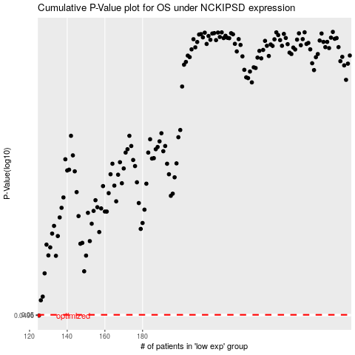

 |  |  |  |  |  | cases_OS | p_OS | rank | exp
 |  |  |  |  |  | 125 | 0.0496 | 330 | -0.59353126576
 |  |  |  |  |  |  | cases_RFS | p_RFS | rank | exp
 |  |  |  |  |  |  |  | 0.0496 | 203 | -0.59449987807

