NCLN _multivariate
Reported by Tex Li-Hsing Chi. tex@gate.sinica.edu.tw 2019-08-17

Table 2. The clinicopathological features of HNSCC cohort and NCLN expression. (Chi square test)
Cutoff at -0.043 (50.0%)
 |  | NCLN expression |  | NCLN expression |  | (Optimised)
 | Features | Low | (%) | High | (%) | Case no | P-value | Remark | Matthews
Gender | Female | 153 | 36.9 | 153 | 36.9 | 415 | 1 | 0 | 0
2 | Male | 54 | 13 | 55 | 13.3
Age at diagnosis | <=65y | 141 | 34 | 133 | 32 | 415 | 0.4272 | 0 | 0
4 | >65y | 66 | 15.9 | 75 | 18.1
Clinical T Status | T1+T2 | 73 | 17.6 | 76 | 18.3 | 415 | 0.8666 | 0 | 0
6 | T3+T4 | 134 | 32.3 | 132 | 31.8
Clinical N Status | N0 | 97 | 23.4 | 119 | 28.7 | 415 | 0.0442 | 1 | 0
8 | N1-3 | 110 | 26.5 | 89 | 21.4
Clinical M Status | M0 | 206 | 49.6 | 206 | 49.6 | 415 | 1 | 0 | 0
10 | M1 | 1 | 0.2 | 2 | 0.5
Clinical Stage | Stage I+II | 42 | 10.1 | 60 | 14.5 | 415 | 0.0561 | 0 | 0
12 | Stage III+IV | 165 | 39.8 | 148 | 35.7
Surgical Margin status | Negative | 155 | 37.3 | 163 | 39.3 | 415 | 0.4187 | 0 | 0
14 | Positive | 52 | 12.5 | 45 | 10.8
Tobacco Exposure | Low | 77 | 18.6 | 84 | 20.2 | 415 | 0.5459 | 0 | 0
16 | High | 130 | 31.3 | 124 | 29.9

Table 3. Univariate/Multivariate Cox's proportional hazards regression analyses on OS time of NCLN gene expression in HNSCC

 |  | Univariate |  |  |  | Multivariate
 | Features | HR | CI95%(L) | CI95%(H) | P-value | HR | CI95%(L) | CI95%(H) | P-value
1 | Female | 1 |  |  |  | 1
Gender | Male | 1.157 | 0.843 | 1.587 | 0.367 | 1.202 | 0.86 | 1.678 | 0.281
11 | <=65y | 1 |  |  |  | 1
Age at diagnosis | >65y | 1.329 | 0.99 | 1.784 | 0.058 | 1.395 | 1.025 | 1.897 | 0.034
12 | T1+T2 | 1 |  |  |  | 1
Clinical T Status | T3+T4 | 1.409 | 1.028 | 1.931 | 0.033 | 2.214 | 1.169 | 4.194 | 0.015
13 | N0 | 1 |  |  |  | 1
Clinical N Status | N1-3 | 1.185 | 0.89 | 1.577 | 0.246 | 1.242 | 0.87 | 1.772 | 0.232
14 | M0 | 1 |  |  |  | 1
Clinical M Status | M1 | 4.097 | 1.009 | 16.644 | 0.049 | 9.495 | 2.066 | 43.638 | 0.004
15 | Stage I+II | 1 |  |  |  | 1
Clinical Stage | Stage III+IV | 1.245 | 0.882 | 1.759 | 0.213 | 0.5 | 0.232 | 1.078 | 0.077
16 | Negative | 1 |  |  |  | 1
Surgical Margin status | Positive | 1.591 | 1.155 | 2.191 | 0.004 | 1.673 | 1.21 | 2.312 | 0.002
17 | Low | 1 |  |  |  | 1
Tobacco Exposure | High | 1.364 | 1.008 | 1.844 | 0.044 | 1.453 | 1.055 | 2.002 | 0.022
18 | Low | 1 |  |  |  | 1
RNAseq(z-score) | High | 1.014 | 0.762 | 1.351 | 0.922 | 0.97 | 0.725 | 1.297 | 0.836

Table 4. Univariate/Multivariate Cox's proportional hazards regression analyses on RFS time of NCLN gene expression in HNSCC

 |  | Univariate |  |  |  | Multivariate
 | Features | HR | CI95%(L) | CI95%(H) | P-value | HR | CI95%(L) | CI95%(H) | P-value
1 | Female | 1 |  |  |  | 1
Gender | Male | 1.157 | 0.843 | 1.587 | 0.367 | 1.202 | 0.86 | 1.678 | 0.281
11 | <=65y | 1 |  |  |  | 1
Age at diagnosis | >65y | 1.329 | 0.99 | 1.784 | 0.058 | 1.395 | 1.025 | 1.897 | 0.034
12 | T1+T2 | 1 |  |  |  | 1
Clinical T Status | T3+T4 | 1.409 | 1.028 | 1.931 | 0.033 | 2.214 | 1.169 | 4.194 | 0.015
13 | N0 | 1 |  |  |  | 1
Clinical N Status | N1-3 | 1.185 | 0.89 | 1.577 | 0.246 | 1.242 | 0.87 | 1.772 | 0.232
14 | M0 | 1 |  |  |  | 1
Clinical M Status | M1 | 4.097 | 1.009 | 16.644 | 0.049 | 9.495 | 2.066 | 43.638 | 0.004
15 | Stage I+II | 1 |  |  |  | 1
Clinical Stage | Stage III+IV | 1.245 | 0.882 | 1.759 | 0.213 | 0.5 | 0.232 | 1.078 | 0.077
16 | Negative | 1 |  |  |  | 1
Surgical Margin status | Positive | 1.591 | 1.155 | 2.191 | 0.004 | 1.673 | 1.21 | 2.312 | 0.002
17 | Low | 1 |  |  |  | 1
Tobacco Exposure | High | 1.364 | 1.008 | 1.844 | 0.044 | 1.453 | 1.055 | 2.002 | 0.022
18 | Low | 1 |  |  |  | 1
RNAseq(z-score) | High | 1.014 | 0.762 | 1.351 | 0.922 | 0.97 | 0.725 | 1.297 | 0.836

Kaplan-Meier survival estimate: Cutoff at -0.043 (50.0%)



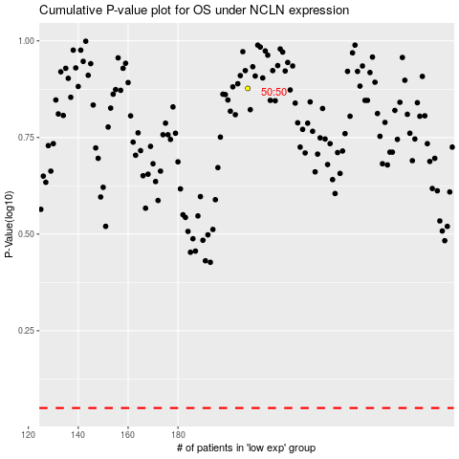

 |  |  |  |  |  | cases_OS | p_OS | rank | exp
 |  |  |  |  |  |  | cases_RFS | p_RFS | rank | exp

