NCOA7 _multivariate
Reported by Tex Li-Hsing Chi. tex@gate.sinica.edu.tw 2019-08-17

Table 2. The clinicopathological features of HNSCC cohort and NCOA7 expression. (Chi square test)
Cutoff at -0.327 (49.8%)
 |  | NCOA7 expression |  | NCOA7 expression |  | (Optimised)
 | Features | Low | (%) | High | (%) | Case no | P-value | Remark | Matthews
Gender | Female | 154 | 37.1 | 152 | 36.6 | 415 | 0.8463 | 0 | 0
2 | Male | 53 | 12.8 | 56 | 13.5
Age at diagnosis | <=65y | 141 | 34 | 133 | 32 | 415 | 0.4272 | 0 | 0
4 | >65y | 66 | 15.9 | 75 | 18.1
Clinical T Status | T1+T2 | 61 | 14.7 | 88 | 21.2 | 415 | 0.0087 | 1 | 0
6 | T3+T4 | 146 | 35.2 | 120 | 28.9
Clinical N Status | N0 | 100 | 24.1 | 116 | 28 | 415 | 0.1548 | 0 | 0
8 | N1-3 | 107 | 25.8 | 92 | 22.2
Clinical M Status | M0 | 204 | 49.2 | 208 | 50.1 | 415 | 0.1232 | 0 | 0
10 | M1 | 3 | 0.7 | 0 | 0
Clinical Stage | Stage I+II | 43 | 10.4 | 59 | 14.2 | 415 | 0.0925 | 0 | 0
12 | Stage III+IV | 164 | 39.5 | 149 | 35.9
Surgical Margin status | Negative | 161 | 38.8 | 157 | 37.8 | 415 | 0.6429 | 0 | 0
14 | Positive | 46 | 11.1 | 51 | 12.3
Tobacco Exposure | Low | 79 | 19 | 82 | 19.8 | 415 | 0.8405 | 0 | 0
16 | High | 128 | 30.8 | 126 | 30.4

Table 3. Univariate/Multivariate Cox's proportional hazards regression analyses on OS time of NCOA7 gene expression in HNSCC

 |  | Univariate |  |  |  | Multivariate
 | Features | HR | CI95%(L) | CI95%(H) | P-value | HR | CI95%(L) | CI95%(H) | P-value
1 | Female | 1 |  |  |  | 1
Gender | Male | 1.157 | 0.843 | 1.587 | 0.367 | 1.205 | 0.862 | 1.684 | 0.275
11 | <=65y | 1 |  |  |  | 1
Age at diagnosis | >65y | 1.329 | 0.99 | 1.784 | 0.058 | 1.398 | 1.027 | 1.903 | 0.033
12 | T1+T2 | 1 |  |  |  | 1
Clinical T Status | T3+T4 | 1.409 | 1.028 | 1.931 | 0.033 | 2.176 | 1.147 | 4.13 | 0.017
13 | N0 | 1 |  |  |  | 1
Clinical N Status | N1-3 | 1.185 | 0.89 | 1.577 | 0.246 | 1.237 | 0.867 | 1.766 | 0.241
14 | M0 | 1 |  |  |  | 1
Clinical M Status | M1 | 4.097 | 1.009 | 16.644 | 0.049 | 9.104 | 1.963 | 42.218 | 0.005
15 | Stage I+II | 1 |  |  |  | 1
Clinical Stage | Stage III+IV | 1.245 | 0.882 | 1.759 | 0.213 | 0.51 | 0.237 | 1.098 | 0.085
16 | Negative | 1 |  |  |  | 1
Surgical Margin status | Positive | 1.591 | 1.155 | 2.191 | 0.004 | 1.674 | 1.212 | 2.313 | 0.002
17 | Low | 1 |  |  |  | 1
Tobacco Exposure | High | 1.364 | 1.008 | 1.844 | 0.044 | 1.455 | 1.056 | 2.004 | 0.022
18 | Low | 1 |  |  |  | 1
RNAseq(z-score) | High | 0.934 | 0.701 | 1.244 | 0.64 | 0.951 | 0.71 | 1.273 | 0.736

Table 4. Univariate/Multivariate Cox's proportional hazards regression analyses on RFS time of NCOA7 gene expression in HNSCC

 |  | Univariate |  |  |  | Multivariate
 | Features | HR | CI95%(L) | CI95%(H) | P-value | HR | CI95%(L) | CI95%(H) | P-value
1 | Female | 1 |  |  |  | 1
Gender | Male | 1.157 | 0.843 | 1.587 | 0.367 | 1.205 | 0.862 | 1.684 | 0.275
11 | <=65y | 1 |  |  |  | 1
Age at diagnosis | >65y | 1.329 | 0.99 | 1.784 | 0.058 | 1.398 | 1.027 | 1.903 | 0.033
12 | T1+T2 | 1 |  |  |  | 1
Clinical T Status | T3+T4 | 1.409 | 1.028 | 1.931 | 0.033 | 2.176 | 1.147 | 4.13 | 0.017
13 | N0 | 1 |  |  |  | 1
Clinical N Status | N1-3 | 1.185 | 0.89 | 1.577 | 0.246 | 1.237 | 0.867 | 1.766 | 0.241
14 | M0 | 1 |  |  |  | 1
Clinical M Status | M1 | 4.097 | 1.009 | 16.644 | 0.049 | 9.104 | 1.963 | 42.218 | 0.005
15 | Stage I+II | 1 |  |  |  | 1
Clinical Stage | Stage III+IV | 1.245 | 0.882 | 1.759 | 0.213 | 0.51 | 0.237 | 1.098 | 0.085
16 | Negative | 1 |  |  |  | 1
Surgical Margin status | Positive | 1.591 | 1.155 | 2.191 | 0.004 | 1.674 | 1.212 | 2.313 | 0.002
17 | Low | 1 |  |  |  | 1
Tobacco Exposure | High | 1.364 | 1.008 | 1.844 | 0.044 | 1.455 | 1.056 | 2.004 | 0.022
18 | Low | 1 |  |  |  | 1
RNAseq(z-score) | High | 0.934 | 0.701 | 1.244 | 0.64 | 0.951 | 0.71 | 1.273 | 0.736

Kaplan-Meier survival estimate: Cutoff at -0.327 (49.8%)



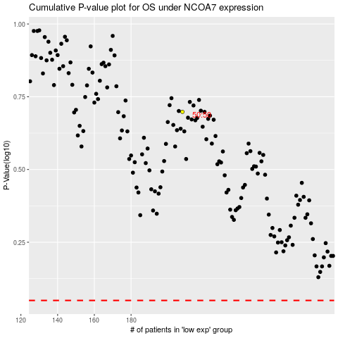

 |  |  |  |  |  | cases_OS | p_OS | rank | exp
 |  |  |  |  |  |  | cases_RFS | p_RFS | rank | exp

