NCRNA00081 _multivariate
Reported by Tex Li-Hsing Chi. tex@gate.sinica.edu.tw 2019-08-17

Table 2. The clinicopathological features of HNSCC cohort and NCRNA00081 expression. (Chi square test)
Cutoff at -0.144 (50.0%)
 |  | NCRNA00081 expression |  | NCRNA00081 expression |  | (Optimised)
 | Features | Low | (%) | High | (%) | Case no | P-value | Remark | Matthews
Gender | Female | 153 | 36.9 | 153 | 36.9 | 415 | 1 | 0 | 0
2 | Male | 54 | 13 | 55 | 13.3
Age at diagnosis | <=65y | 137 | 33 | 137 | 33 | 415 | 1 | 0 | 0
4 | >65y | 70 | 16.9 | 71 | 17.1
Clinical T Status | T1+T2 | 70 | 16.9 | 79 | 19 | 415 | 0.4343 | 0 | 0
6 | T3+T4 | 137 | 33 | 129 | 31.1
Clinical N Status | N0 | 112 | 27 | 104 | 25.1 | 415 | 0.4599 | 0 | 0
8 | N1-3 | 95 | 22.9 | 104 | 25.1
Clinical M Status | M0 | 207 | 49.9 | 205 | 49.4 | 415 | 0.2482 | 0 | 0
10 | M1 | 0 | 0 | 3 | 0.7
Clinical Stage | Stage I+II | 46 | 11.1 | 56 | 13.5 | 415 | 0.3182 | 0 | 0
12 | Stage III+IV | 161 | 38.8 | 152 | 36.6
Surgical Margin status | Negative | 165 | 39.8 | 153 | 36.9 | 415 | 0.1639 | 0 | 0
14 | Positive | 42 | 10.1 | 55 | 13.3
Tobacco Exposure | Low | 79 | 19 | 82 | 19.8 | 415 | 0.8405 | 0 | 0
16 | High | 128 | 30.8 | 126 | 30.4

Table 3. Univariate/Multivariate Cox's proportional hazards regression analyses on OS time of NCRNA00081 gene expression in HNSCC

 |  | Univariate |  |  |  | Multivariate
 | Features | HR | CI95%(L) | CI95%(H) | P-value | HR | CI95%(L) | CI95%(H) | P-value
1 | Female | 1 |  |  |  | 1
Gender | Male | 1.157 | 0.843 | 1.587 | 0.367 | 1.185 | 0.847 | 1.657 | 0.322
11 | <=65y | 1 |  |  |  | 1
Age at diagnosis | >65y | 1.329 | 0.99 | 1.784 | 0.058 | 1.391 | 1.023 | 1.891 | 0.035
12 | T1+T2 | 1 |  |  |  | 1
Clinical T Status | T3+T4 | 1.409 | 1.028 | 1.931 | 0.033 | 2.21 | 1.17 | 4.177 | 0.015
13 | N0 | 1 |  |  |  | 1
Clinical N Status | N1-3 | 1.185 | 0.89 | 1.577 | 0.246 | 1.221 | 0.855 | 1.744 | 0.272
14 | M0 | 1 |  |  |  | 1
Clinical M Status | M1 | 4.097 | 1.009 | 16.644 | 0.049 | 8.726 | 1.892 | 40.257 | 0.005
15 | Stage I+II | 1 |  |  |  | 1
Clinical Stage | Stage III+IV | 1.245 | 0.882 | 1.759 | 0.213 | 0.518 | 0.241 | 1.113 | 0.092
16 | Negative | 1 |  |  |  | 1
Surgical Margin status | Positive | 1.591 | 1.155 | 2.191 | 0.004 | 1.649 | 1.192 | 2.28 | 0.002
17 | Low | 1 |  |  |  | 1
Tobacco Exposure | High | 1.364 | 1.008 | 1.844 | 0.044 | 1.453 | 1.054 | 2.001 | 0.022
18 | Low | 1 |  |  |  | 1
RNAseq(z-score) | High | 1.182 | 0.888 | 1.575 | 0.252 | 1.163 | 0.867 | 1.561 | 0.313

Table 4. Univariate/Multivariate Cox's proportional hazards regression analyses on RFS time of NCRNA00081 gene expression in HNSCC

 |  | Univariate |  |  |  | Multivariate
 | Features | HR | CI95%(L) | CI95%(H) | P-value | HR | CI95%(L) | CI95%(H) | P-value
1 | Female | 1 |  |  |  | 1
Gender | Male | 1.157 | 0.843 | 1.587 | 0.367 | 1.185 | 0.847 | 1.657 | 0.322
11 | <=65y | 1 |  |  |  | 1
Age at diagnosis | >65y | 1.329 | 0.99 | 1.784 | 0.058 | 1.391 | 1.023 | 1.891 | 0.035
12 | T1+T2 | 1 |  |  |  | 1
Clinical T Status | T3+T4 | 1.409 | 1.028 | 1.931 | 0.033 | 2.21 | 1.17 | 4.177 | 0.015
13 | N0 | 1 |  |  |  | 1
Clinical N Status | N1-3 | 1.185 | 0.89 | 1.577 | 0.246 | 1.221 | 0.855 | 1.744 | 0.272
14 | M0 | 1 |  |  |  | 1
Clinical M Status | M1 | 4.097 | 1.009 | 16.644 | 0.049 | 8.726 | 1.892 | 40.257 | 0.005
15 | Stage I+II | 1 |  |  |  | 1
Clinical Stage | Stage III+IV | 1.245 | 0.882 | 1.759 | 0.213 | 0.518 | 0.241 | 1.113 | 0.092
16 | Negative | 1 |  |  |  | 1
Surgical Margin status | Positive | 1.591 | 1.155 | 2.191 | 0.004 | 1.649 | 1.192 | 2.28 | 0.002
17 | Low | 1 |  |  |  | 1
Tobacco Exposure | High | 1.364 | 1.008 | 1.844 | 0.044 | 1.453 | 1.054 | 2.001 | 0.022
18 | Low | 1 |  |  |  | 1
RNAseq(z-score) | High | 1.182 | 0.888 | 1.575 | 0.252 | 1.163 | 0.867 | 1.561 | 0.313

Kaplan-Meier survival estimate: Cutoff at -0.144 (50.0%)



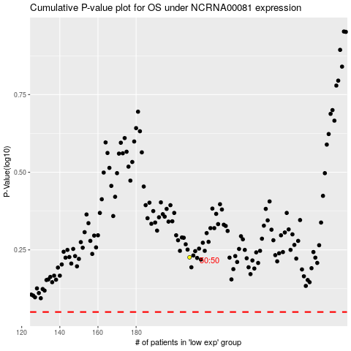

 |  |  |  |  |  | cases_OS | p_OS | rank | exp
 |  |  |  |  |  |  | cases_RFS | p_RFS | rank | exp

