NCRNA00086 _multivariate
Reported by Tex Li-Hsing Chi. tex@gate.sinica.edu.tw 2019-08-17

Table 2. The clinicopathological features of HNSCC cohort and NCRNA00086 expression. (Chi square test)
Cutoff at -0.443 (49.8%)
 |  | NCRNA00086 expression |  | NCRNA00086 expression |  | (Optimised)
 | Features | Low | (%) | High | (%) | Case no | P-value | Remark | Matthews
Gender | Female | 153 | 36.9 | 153 | 36.9 | 415 | 1 | 0 | 0
2 | Male | 54 | 13 | 55 | 13.3
Age at diagnosis | <=65y | 133 | 32 | 141 | 34 | 415 | 0.5111 | 0 | 0
4 | >65y | 74 | 17.8 | 67 | 16.1
Clinical T Status | T1+T2 | 74 | 17.8 | 75 | 18.1 | 415 | 1 | 0 | 0
6 | T3+T4 | 133 | 32 | 133 | 32
Clinical N Status | N0 | 105 | 25.3 | 111 | 26.7 | 415 | 0.6598 | 0 | 0
8 | N1-3 | 102 | 24.6 | 97 | 23.4
Clinical M Status | M0 | 204 | 49.2 | 208 | 50.1 | 415 | 0.1232 | 0 | 0
10 | M1 | 3 | 0.7 | 0 | 0
Clinical Stage | Stage I+II | 55 | 13.3 | 47 | 11.3 | 415 | 0.4087 | 0 | 0
12 | Stage III+IV | 152 | 36.6 | 161 | 38.8
Surgical Margin status | Negative | 161 | 38.8 | 157 | 37.8 | 415 | 0.6429 | 0 | 0
14 | Positive | 46 | 11.1 | 51 | 12.3
Tobacco Exposure | Low | 89 | 21.4 | 72 | 17.3 | 415 | 0.0872 | 0 | 0
16 | High | 118 | 28.4 | 136 | 32.8

Table 3. Univariate/Multivariate Cox's proportional hazards regression analyses on OS time of NCRNA00086 gene expression in HNSCC

 |  | Univariate |  |  |  | Multivariate
 | Features | HR | CI95%(L) | CI95%(H) | P-value | HR | CI95%(L) | CI95%(H) | P-value
1 | Female | 1 |  |  |  | 1
Gender | Male | 1.157 | 0.843 | 1.587 | 0.367 | 1.2 | 0.859 | 1.676 | 0.286
11 | <=65y | 1 |  |  |  | 1
Age at diagnosis | >65y | 1.329 | 0.99 | 1.784 | 0.058 | 1.393 | 1.025 | 1.894 | 0.034
12 | T1+T2 | 1 |  |  |  | 1
Clinical T Status | T3+T4 | 1.409 | 1.028 | 1.931 | 0.033 | 2.222 | 1.172 | 4.216 | 0.014
13 | N0 | 1 |  |  |  | 1
Clinical N Status | N1-3 | 1.185 | 0.89 | 1.577 | 0.246 | 1.245 | 0.872 | 1.778 | 0.228
14 | M0 | 1 |  |  |  | 1
Clinical M Status | M1 | 4.097 | 1.009 | 16.644 | 0.049 | 9.68 | 2.084 | 44.961 | 0.004
15 | Stage I+II | 1 |  |  |  | 1
Clinical Stage | Stage III+IV | 1.245 | 0.882 | 1.759 | 0.213 | 0.497 | 0.23 | 1.074 | 0.076
16 | Negative | 1 |  |  |  | 1
Surgical Margin status | Positive | 1.591 | 1.155 | 2.191 | 0.004 | 1.671 | 1.209 | 2.309 | 0.002
17 | Low | 1 |  |  |  | 1
Tobacco Exposure | High | 1.364 | 1.008 | 1.844 | 0.044 | 1.446 | 1.047 | 1.995 | 0.025
18 | Low | 1 |  |  |  | 1
RNAseq(z-score) | High | 1.02 | 0.764 | 1.362 | 0.891 | 1.044 | 0.776 | 1.403 | 0.778

Table 4. Univariate/Multivariate Cox's proportional hazards regression analyses on RFS time of NCRNA00086 gene expression in HNSCC

 |  | Univariate |  |  |  | Multivariate
 | Features | HR | CI95%(L) | CI95%(H) | P-value | HR | CI95%(L) | CI95%(H) | P-value
1 | Female | 1 |  |  |  | 1
Gender | Male | 1.157 | 0.843 | 1.587 | 0.367 | 1.2 | 0.859 | 1.676 | 0.286
11 | <=65y | 1 |  |  |  | 1
Age at diagnosis | >65y | 1.329 | 0.99 | 1.784 | 0.058 | 1.393 | 1.025 | 1.894 | 0.034
12 | T1+T2 | 1 |  |  |  | 1
Clinical T Status | T3+T4 | 1.409 | 1.028 | 1.931 | 0.033 | 2.222 | 1.172 | 4.216 | 0.014
13 | N0 | 1 |  |  |  | 1
Clinical N Status | N1-3 | 1.185 | 0.89 | 1.577 | 0.246 | 1.245 | 0.872 | 1.778 | 0.228
14 | M0 | 1 |  |  |  | 1
Clinical M Status | M1 | 4.097 | 1.009 | 16.644 | 0.049 | 9.68 | 2.084 | 44.961 | 0.004
15 | Stage I+II | 1 |  |  |  | 1
Clinical Stage | Stage III+IV | 1.245 | 0.882 | 1.759 | 0.213 | 0.497 | 0.23 | 1.074 | 0.076
16 | Negative | 1 |  |  |  | 1
Surgical Margin status | Positive | 1.591 | 1.155 | 2.191 | 0.004 | 1.671 | 1.209 | 2.309 | 0.002
17 | Low | 1 |  |  |  | 1
Tobacco Exposure | High | 1.364 | 1.008 | 1.844 | 0.044 | 1.446 | 1.047 | 1.995 | 0.025
18 | Low | 1 |  |  |  | 1
RNAseq(z-score) | High | 1.02 | 0.764 | 1.362 | 0.891 | 1.044 | 0.776 | 1.403 | 0.778

Kaplan-Meier survival estimate: Cutoff at -0.443 (49.8%)

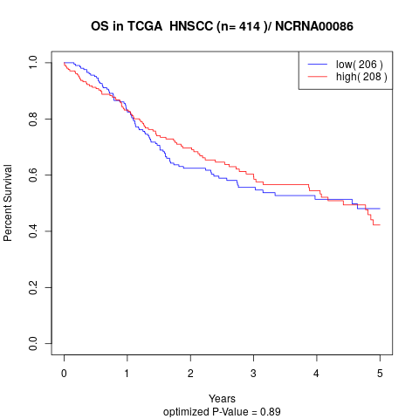

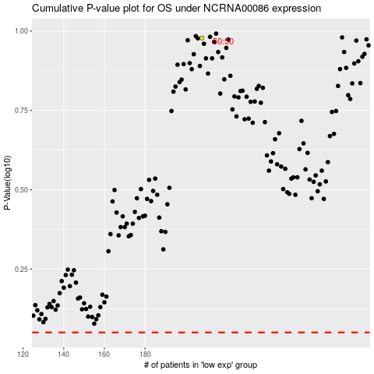

 |  |  |  |  |  | cases_OS | p_OS | rank | exp
 |  |  |  |  |  |  | cases_RFS | p_RFS | rank | exp

