NCRNA00087 _multivariate
Reported by Tex Li-Hsing Chi. tex@gate.sinica.edu.tw 2019-08-17

Table 2. The clinicopathological features of HNSCC cohort and NCRNA00087 expression. (Chi square test)
Cutoff at -0.353 (49.8%)
 |  | NCRNA00087 expression |  | NCRNA00087 expression |  | (Optimised)
 | Features | Low | (%) | High | (%) | Case no | P-value | Remark | Matthews
Gender | Female | 157 | 37.8 | 149 | 35.9 | 415 | 0.3881 | 0 | 0
2 | Male | 50 | 12 | 59 | 14.2
Age at diagnosis | <=65y | 135 | 32.5 | 139 | 33.5 | 415 | 0.8084 | 0 | 0
4 | >65y | 72 | 17.3 | 69 | 16.6
Clinical T Status | T1+T2 | 78 | 18.8 | 71 | 17.1 | 415 | 0.5152 | 0 | 0
6 | T3+T4 | 129 | 31.1 | 137 | 33
Clinical N Status | N0 | 94 | 22.7 | 122 | 29.4 | 415 | 0.0093 | 1 | 0
8 | N1-3 | 113 | 27.2 | 86 | 20.7
Clinical M Status | M0 | 205 | 49.4 | 207 | 49.9 | 415 | 0.6232 | 0 | 0
10 | M1 | 2 | 0.5 | 1 | 0.2
Clinical Stage | Stage I+II | 52 | 12.5 | 50 | 12 | 415 | 0.8871 | 0 | 0
12 | Stage III+IV | 155 | 37.3 | 158 | 38.1
Surgical Margin status | Negative | 152 | 36.6 | 166 | 40 | 415 | 0.1329 | 0 | 0
14 | Positive | 55 | 13.3 | 42 | 10.1
Tobacco Exposure | Low | 86 | 20.7 | 75 | 18.1 | 415 | 0.2687 | 0 | 0
16 | High | 121 | 29.2 | 133 | 32

Table 3. Univariate/Multivariate Cox's proportional hazards regression analyses on OS time of NCRNA00087 gene expression in HNSCC

 |  | Univariate |  |  |  | Multivariate
 | Features | HR | CI95%(L) | CI95%(H) | P-value | HR | CI95%(L) | CI95%(H) | P-value
1 | Female | 1 |  |  |  | 1
Gender | Male | 1.157 | 0.843 | 1.587 | 0.367 | 1.247 | 0.888 | 1.75 | 0.203
11 | <=65y | 1 |  |  |  | 1
Age at diagnosis | >65y | 1.329 | 0.99 | 1.784 | 0.058 | 1.359 | 0.997 | 1.851 | 0.052
12 | T1+T2 | 1 |  |  |  | 1
Clinical T Status | T3+T4 | 1.409 | 1.028 | 1.931 | 0.033 | 2.154 | 1.139 | 4.073 | 0.018
13 | N0 | 1 |  |  |  | 1
Clinical N Status | N1-3 | 1.185 | 0.89 | 1.577 | 0.246 | 1.174 | 0.818 | 1.686 | 0.383
14 | M0 | 1 |  |  |  | 1
Clinical M Status | M1 | 4.097 | 1.009 | 16.644 | 0.049 | 9.26 | 2.02 | 42.451 | 0.004
15 | Stage I+II | 1 |  |  |  | 1
Clinical Stage | Stage III+IV | 1.245 | 0.882 | 1.759 | 0.213 | 0.543 | 0.252 | 1.171 | 0.119
16 | Negative | 1 |  |  |  | 1
Surgical Margin status | Positive | 1.591 | 1.155 | 2.191 | 0.004 | 1.666 | 1.206 | 2.302 | 0.002
17 | Low | 1 |  |  |  | 1
Tobacco Exposure | High | 1.364 | 1.008 | 1.844 | 0.044 | 1.505 | 1.086 | 2.084 | 0.014
18 | Low | 1 |  |  |  | 1
RNAseq(z-score) | High | 0.802 | 0.602 | 1.069 | 0.132 | 0.79 | 0.586 | 1.065 | 0.122

Table 4. Univariate/Multivariate Cox's proportional hazards regression analyses on RFS time of NCRNA00087 gene expression in HNSCC

 |  | Univariate |  |  |  | Multivariate
 | Features | HR | CI95%(L) | CI95%(H) | P-value | HR | CI95%(L) | CI95%(H) | P-value
1 | Female | 1 |  |  |  | 1
Gender | Male | 1.157 | 0.843 | 1.587 | 0.367 | 1.247 | 0.888 | 1.75 | 0.203
11 | <=65y | 1 |  |  |  | 1
Age at diagnosis | >65y | 1.329 | 0.99 | 1.784 | 0.058 | 1.359 | 0.997 | 1.851 | 0.052
12 | T1+T2 | 1 |  |  |  | 1
Clinical T Status | T3+T4 | 1.409 | 1.028 | 1.931 | 0.033 | 2.154 | 1.139 | 4.073 | 0.018
13 | N0 | 1 |  |  |  | 1
Clinical N Status | N1-3 | 1.185 | 0.89 | 1.577 | 0.246 | 1.174 | 0.818 | 1.686 | 0.383
14 | M0 | 1 |  |  |  | 1
Clinical M Status | M1 | 4.097 | 1.009 | 16.644 | 0.049 | 9.26 | 2.02 | 42.451 | 0.004
15 | Stage I+II | 1 |  |  |  | 1
Clinical Stage | Stage III+IV | 1.245 | 0.882 | 1.759 | 0.213 | 0.543 | 0.252 | 1.171 | 0.119
16 | Negative | 1 |  |  |  | 1
Surgical Margin status | Positive | 1.591 | 1.155 | 2.191 | 0.004 | 1.666 | 1.206 | 2.302 | 0.002
17 | Low | 1 |  |  |  | 1
Tobacco Exposure | High | 1.364 | 1.008 | 1.844 | 0.044 | 1.505 | 1.086 | 2.084 | 0.014
18 | Low | 1 |  |  |  | 1
RNAseq(z-score) | High | 0.802 | 0.602 | 1.069 | 0.132 | 0.79 | 0.586 | 1.065 | 0.122

Kaplan-Meier survival estimate: Cutoff at -0.353 (49.8%)

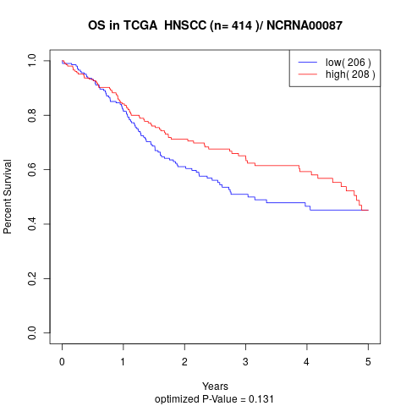

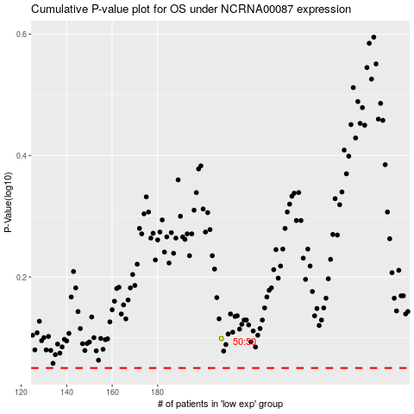

 |  |  |  |  |  | cases_OS | p_OS | rank | exp
 |  |  |  |  |  |  | cases_RFS | p_RFS | rank | exp

