NCRNA00092 _multivariate
Reported by Tex Li-Hsing Chi. tex@gate.sinica.edu.tw 2019-08-17

Table 2. The clinicopathological features of HNSCC cohort and NCRNA00092 expression. (Chi square test)
Cutoff at -0.241 (60.4%)
 |  | NCRNA00092 expression |  | NCRNA00092 expression |  | (Optimised)
 | Features | Low | (%) | High | (%) | Case no | P-value | Remark | Matthews
Gender | Female | 182 | 43.9 | 124 | 29.9 | 415 | 0.5569 | 0 | 0
2 | Male | 69 | 16.6 | 40 | 9.6
Age at diagnosis | <=65y | 178 | 42.9 | 96 | 23.1 | 415 | 0.0125 | 1 | 0
4 | >65y | 73 | 17.6 | 68 | 16.4
Clinical T Status | T1+T2 | 83 | 20 | 66 | 15.9 | 415 | 0.166 | 0 | 0
6 | T3+T4 | 168 | 40.5 | 98 | 23.6
Clinical N Status | N0 | 128 | 30.8 | 88 | 21.2 | 415 | 0.667 | 0 | 0
8 | N1-3 | 123 | 29.6 | 76 | 18.3
Clinical M Status | M0 | 249 | 60 | 163 | 39.3 | 415 | 1 | 0 | 0
10 | M1 | 2 | 0.5 | 1 | 0.2
Clinical Stage | Stage I+II | 59 | 14.2 | 43 | 10.4 | 415 | 0.6093 | 0 | 0
12 | Stage III+IV | 192 | 46.3 | 121 | 29.2
Surgical Margin status | Negative | 191 | 46 | 127 | 30.6 | 415 | 0.8128 | 0 | 0
14 | Positive | 60 | 14.5 | 37 | 8.9
Tobacco Exposure | Low | 98 | 23.6 | 63 | 15.2 | 415 | 0.9182 | 0 | 0
16 | High | 153 | 36.9 | 101 | 24.3

Table 3. Univariate/Multivariate Cox's proportional hazards regression analyses on OS time of NCRNA00092 gene expression in HNSCC

 |  | Univariate |  |  |  | Multivariate
 | Features | HR | CI95%(L) | CI95%(H) | P-value | HR | CI95%(L) | CI95%(H) | P-value
1 | Female | 1 |  |  |  | 1
Gender | Male | 1.157 | 0.843 | 1.587 | 0.367 | 1.148 | 0.82 | 1.607 | 0.42
11 | <=65y | 1 |  |  |  | 1
Age at diagnosis | >65y | 1.329 | 0.99 | 1.784 | 0.058 | 1.44 | 1.058 | 1.96 | 0.02
12 | T1+T2 | 1 |  |  |  | 1
Clinical T Status | T3+T4 | 1.409 | 1.028 | 1.931 | 0.033 | 2.129 | 1.126 | 4.025 | 0.02
13 | N0 | 1 |  |  |  | 1
Clinical N Status | N1-3 | 1.185 | 0.89 | 1.577 | 0.246 | 1.234 | 0.865 | 1.761 | 0.246
14 | M0 | 1 |  |  |  | 1
Clinical M Status | M1 | 4.097 | 1.009 | 16.644 | 0.049 | 8.593 | 1.87 | 39.482 | 0.006
15 | Stage I+II | 1 |  |  |  | 1
Clinical Stage | Stage III+IV | 1.245 | 0.882 | 1.759 | 0.213 | 0.51 | 0.238 | 1.095 | 0.084
16 | Negative | 1 |  |  |  | 1
Surgical Margin status | Positive | 1.591 | 1.155 | 2.191 | 0.004 | 1.655 | 1.198 | 2.288 | 0.002
17 | Low | 1 |  |  |  | 1
Tobacco Exposure | High | 1.364 | 1.008 | 1.844 | 0.044 | 1.471 | 1.067 | 2.028 | 0.019
18 | Low | 1 |  |  |  | 1
RNAseq(z-score) | High | 0.71 | 0.527 | 0.957 | 0.024 | 0.721 | 0.533 | 0.976 | 0.034

Table 4. Univariate/Multivariate Cox's proportional hazards regression analyses on RFS time of NCRNA00092 gene expression in HNSCC

 |  | Univariate |  |  |  | Multivariate
 | Features | HR | CI95%(L) | CI95%(H) | P-value | HR | CI95%(L) | CI95%(H) | P-value
1 | Female | 1 |  |  |  | 1
Gender | Male | 1.157 | 0.843 | 1.587 | 0.367 | 1.148 | 0.82 | 1.607 | 0.42
11 | <=65y | 1 |  |  |  | 1
Age at diagnosis | >65y | 1.329 | 0.99 | 1.784 | 0.058 | 1.44 | 1.058 | 1.96 | 0.02
12 | T1+T2 | 1 |  |  |  | 1
Clinical T Status | T3+T4 | 1.409 | 1.028 | 1.931 | 0.033 | 2.129 | 1.126 | 4.025 | 0.02
13 | N0 | 1 |  |  |  | 1
Clinical N Status | N1-3 | 1.185 | 0.89 | 1.577 | 0.246 | 1.234 | 0.865 | 1.761 | 0.246
14 | M0 | 1 |  |  |  | 1
Clinical M Status | M1 | 4.097 | 1.009 | 16.644 | 0.049 | 8.593 | 1.87 | 39.482 | 0.006
15 | Stage I+II | 1 |  |  |  | 1
Clinical Stage | Stage III+IV | 1.245 | 0.882 | 1.759 | 0.213 | 0.51 | 0.238 | 1.095 | 0.084
16 | Negative | 1 |  |  |  | 1
Surgical Margin status | Positive | 1.591 | 1.155 | 2.191 | 0.004 | 1.655 | 1.198 | 2.288 | 0.002
17 | Low | 1 |  |  |  | 1
Tobacco Exposure | High | 1.364 | 1.008 | 1.844 | 0.044 | 1.471 | 1.067 | 2.028 | 0.019
18 | Low | 1 |  |  |  | 1
RNAseq(z-score) | High | 0.71 | 0.527 | 0.957 | 0.024 | 0.721 | 0.533 | 0.976 | 0.034

Kaplan-Meier survival estimate: Cutoff at -0.241 (60.4%)

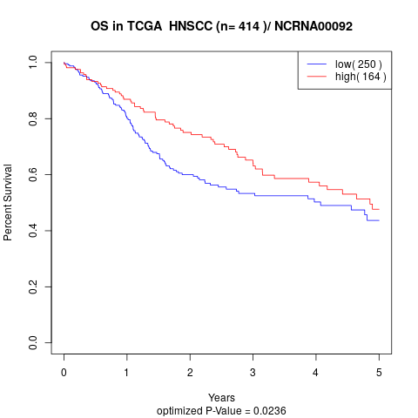

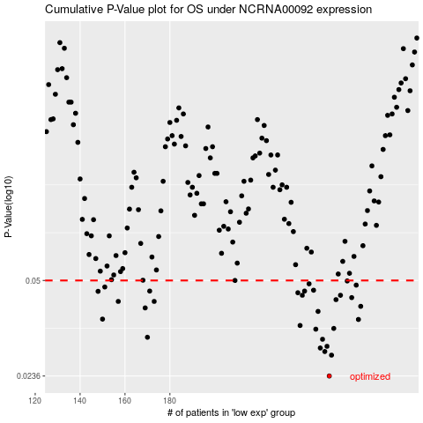

 |  |  |  |  |  | cases_OS | p_OS | rank | exp
 |  |  |  |  |  | 251 | 0.0236 | 162 | -0.24147868206
 |  |  |  |  |  | 252 | 0.0278 | 30 | -0.2390995072
 |  |  |  |  |  | 249 | 0.0286 | 315 | -0.24421848974
 |  |  |  |  |  | 247 | 0.0294 | 313 | -0.24527033547
 |  |  |  |  |  | 250 | 0.0298 | 107 | -0.24254054536
 |  |  |  |  |  | 248 | 0.0315 | 72 | -0.24479950928
 |  |  |  |  |  | 170 | 0.032 | 35 | -0.30171938953
 |  |  |  |  |  | 245 | 0.0341 | 376 | -0.247894941
 |  |  |  |  |  | 253 | 0.0343 | 75 | -0.23826804819
 |  |  |  |  |  | 238 | 0.0351 | 399 | -0.25357991672
 |  |  |  |  |  | 264 | 0.0368 | 307 | -0.22926224525
 |  |  |  |  |  | 150 | 0.0369 | 112 | -0.31101069345
 |  |  |  |  |  | 246 | 0.0392 | 387 | -0.24741409724
 |  |  |  |  |  | 169 | 0.0403 | 206 | -0.3041837138
 |  |  |  |  |  | 265 | 0.0408 | 205 | -0.22914203431
 |  |  |  |  |  | 157 | 0.0424 | 152 | -0.30866157133
 |  |  |  |  |  | 173 | 0.0424 | 189 | -0.29883933575
 |  |  |  |  |  | 254 | 0.043 | 84 | -0.23779722201
 |  |  |  |  |  | 261 | 0.0437 | 403 | -0.23405565649
 |  |  |  |  |  | 239 | 0.0445 | 20 | -0.25204722723
 |  |  |  |  |  | 256 | 0.0445 | 255 | -0.23751172103
 |  |  |  |  |  | 237 | 0.0454 | 117 | -0.25474195581
 |  |  |  |  |  | 148 | 0.0459 | 96 | -0.31144144932
 |  |  |  |  |  | 240 | 0.046 | 131 | -0.25168158562
 |  |  |  |  |  | 171 | 0.046 | 406 | -0.30075269321
 |  |  |  |  |  | 244 | 0.0463 | 296 | -0.2491421295
 |  |  |  |  |  | 151 | 0.0475 | 171 | -0.31077027157
 |  |  |  |  |  | 263 | 0.0482 | 54 | -0.23114554998
 |  |  |  |  |  | 242 | 0.0487 | 122 | -0.24973316663
 |  |  |  |  |  | 259 | 0.0498 | 144 | -0.23464669362
 |  |  |  |  |  | 209 | 0.05 | 330 | -0.27876410871
 |  |  |  |  |  |  | cases_RFS | p_RFS | rank | exp
 |  |  |  |  |  |  | 250 | 0.0236 | 107 | -0.24254054536
 |  |  |  |  |  |  | 251 | 0.0278 | 162 | -0.24147868206
 |  |  |  |  |  |  | 248 | 0.0286 | 72 | -0.24479950928
 |  |  |  |  |  |  | 246 | 0.0294 | 387 | -0.24741409724
 |  |  |  |  |  |  | 249 | 0.0298 | 315 | -0.24421848974
 |  |  |  |  |  |  | 247 | 0.0315 | 313 | -0.24527033547
 |  |  |  |  |  |  | 169 | 0.032 | 206 | -0.3041837138
 |  |  |  |  |  |  | 244 | 0.0341 | 296 | -0.2491421295
 |  |  |  |  |  |  | 252 | 0.0343 | 30 | -0.2390995072
 |  |  |  |  |  |  | 237 | 0.0351 | 117 | -0.25474195581
 |  |  |  |  |  |  | 263 | 0.0368 | 54 | -0.23114554998
 |  |  |  |  |  |  | 149 | 0.0369 | 250 | -0.31126113291
 |  |  |  |  |  |  | 245 | 0.0392 | 376 | -0.247894941
 |  |  |  |  |  |  | 168 | 0.0403 | 375 | -0.30482483882
 |  |  |  |  |  |  | 264 | 0.0408 | 307 | -0.22926224525
 |  |  |  |  |  |  | 172 | 0.0424 | 241 | -0.29930014435
 |  |  |  |  |  |  | 156 | 0.0424 | 274 | -0.30965331159
 |  |  |  |  |  |  | 253 | 0.043 | 75 | -0.23826804819
 |  |  |  |  |  |  | 260 | 0.0437 | 56 | -0.23408070044
 |  |  |  |  |  |  | 238 | 0.0445 | 399 | -0.25357991672
 |  |  |  |  |  |  | 255 | 0.0445 | 412 | -0.2375267474
 |  |  |  |  |  |  | 236 | 0.0454 | 77 | -0.25499740405
 |  |  |  |  |  |  | 147 | 0.0459 | 390 | -0.31153661632
 |  |  |  |  |  |  | 239 | 0.046 | 20 | -0.25204722723
 |  |  |  |  |  |  | 170 | 0.046 | 35 | -0.30171938953
 |  |  |  |  |  |  | 243 | 0.0463 | 223 | -0.24921225255
 |  |  |  |  |  |  | 150 | 0.0475 | 112 | -0.31101069345
 |  |  |  |  |  |  | 262 | 0.0482 | 236 | -0.23141101581
 |  |  |  |  |  |  | 241 | 0.0487 | 68 | -0.25160144499
 |  |  |  |  |  |  | 258 | 0.0498 | 264 | -0.23535293289
 |  |  |  |  |  |  | 208 | 0.05 | 377 | -0.27881920539

