NCRNA00116 _multivariate
Reported by Tex Li-Hsing Chi. tex@gate.sinica.edu.tw 2019-08-17

Table 2. The clinicopathological features of HNSCC cohort and NCRNA00116 expression. (Chi square test)
Cutoff at -0.279 (50.0%)
 |  | NCRNA00116 expression |  | NCRNA00116 expression |  | (Optimised)
 | Features | Low | (%) | High | (%) | Case no | P-value | Remark | Matthews
Gender | Female | 139 | 33.5 | 167 | 40.2 | 415 | 0.0034 | 1 | 0
2 | Male | 68 | 16.4 | 41 | 9.9
Age at diagnosis | <=65y | 134 | 32.3 | 140 | 33.7 | 415 | 0.6529 | 0 | 0
4 | >65y | 73 | 17.6 | 68 | 16.4
Clinical T Status | T1+T2 | 69 | 16.6 | 80 | 19.3 | 415 | 0.3239 | 0 | 0
6 | T3+T4 | 138 | 33.3 | 128 | 30.8
Clinical N Status | N0 | 110 | 26.5 | 106 | 25.5 | 415 | 0.7294 | 0 | 0
8 | N1-3 | 97 | 23.4 | 102 | 24.6
Clinical M Status | M0 | 207 | 49.9 | 205 | 49.4 | 415 | 0.2482 | 0 | 0
10 | M1 | 0 | 0 | 3 | 0.7
Clinical Stage | Stage I+II | 51 | 12.3 | 51 | 12.3 | 415 | 1 | 0 | 0
12 | Stage III+IV | 156 | 37.6 | 157 | 37.8
Surgical Margin status | Negative | 165 | 39.8 | 153 | 36.9 | 415 | 0.1639 | 0 | 0
14 | Positive | 42 | 10.1 | 55 | 13.3
Tobacco Exposure | Low | 86 | 20.7 | 75 | 18.1 | 415 | 0.2687 | 0 | 0
16 | High | 121 | 29.2 | 133 | 32

Table 3. Univariate/Multivariate Cox's proportional hazards regression analyses on OS time of NCRNA00116 gene expression in HNSCC

 |  | Univariate |  |  |  | Multivariate
 | Features | HR | CI95%(L) | CI95%(H) | P-value | HR | CI95%(L) | CI95%(H) | P-value
1 | Female | 1 |  |  |  | 1
Gender | Male | 1.157 | 0.843 | 1.587 | 0.367 | 1.214 | 0.868 | 1.699 | 0.257
11 | <=65y | 1 |  |  |  | 1
Age at diagnosis | >65y | 1.329 | 0.99 | 1.784 | 0.058 | 1.397 | 1.028 | 1.9 | 0.033
12 | T1+T2 | 1 |  |  |  | 1
Clinical T Status | T3+T4 | 1.409 | 1.028 | 1.931 | 0.033 | 2.223 | 1.175 | 4.206 | 0.014
13 | N0 | 1 |  |  |  | 1
Clinical N Status | N1-3 | 1.185 | 0.89 | 1.577 | 0.246 | 1.245 | 0.873 | 1.777 | 0.227
14 | M0 | 1 |  |  |  | 1
Clinical M Status | M1 | 4.097 | 1.009 | 16.644 | 0.049 | 9.061 | 1.968 | 41.708 | 0.005
15 | Stage I+II | 1 |  |  |  | 1
Clinical Stage | Stage III+IV | 1.245 | 0.882 | 1.759 | 0.213 | 0.502 | 0.234 | 1.077 | 0.077
16 | Negative | 1 |  |  |  | 1
Surgical Margin status | Positive | 1.591 | 1.155 | 2.191 | 0.004 | 1.658 | 1.199 | 2.293 | 0.002
17 | Low | 1 |  |  |  | 1
Tobacco Exposure | High | 1.364 | 1.008 | 1.844 | 0.044 | 1.441 | 1.045 | 1.987 | 0.026
18 | Low | 1 |  |  |  | 1
RNAseq(z-score) | High | 1.107 | 0.831 | 1.474 | 0.488 | 1.098 | 0.819 | 1.473 | 0.531

Table 4. Univariate/Multivariate Cox's proportional hazards regression analyses on RFS time of NCRNA00116 gene expression in HNSCC

 |  | Univariate |  |  |  | Multivariate
 | Features | HR | CI95%(L) | CI95%(H) | P-value | HR | CI95%(L) | CI95%(H) | P-value
1 | Female | 1 |  |  |  | 1
Gender | Male | 1.157 | 0.843 | 1.587 | 0.367 | 1.214 | 0.868 | 1.699 | 0.257
11 | <=65y | 1 |  |  |  | 1
Age at diagnosis | >65y | 1.329 | 0.99 | 1.784 | 0.058 | 1.397 | 1.028 | 1.9 | 0.033
12 | T1+T2 | 1 |  |  |  | 1
Clinical T Status | T3+T4 | 1.409 | 1.028 | 1.931 | 0.033 | 2.223 | 1.175 | 4.206 | 0.014
13 | N0 | 1 |  |  |  | 1
Clinical N Status | N1-3 | 1.185 | 0.89 | 1.577 | 0.246 | 1.245 | 0.873 | 1.777 | 0.227
14 | M0 | 1 |  |  |  | 1
Clinical M Status | M1 | 4.097 | 1.009 | 16.644 | 0.049 | 9.061 | 1.968 | 41.708 | 0.005
15 | Stage I+II | 1 |  |  |  | 1
Clinical Stage | Stage III+IV | 1.245 | 0.882 | 1.759 | 0.213 | 0.502 | 0.234 | 1.077 | 0.077
16 | Negative | 1 |  |  |  | 1
Surgical Margin status | Positive | 1.591 | 1.155 | 2.191 | 0.004 | 1.658 | 1.199 | 2.293 | 0.002
17 | Low | 1 |  |  |  | 1
Tobacco Exposure | High | 1.364 | 1.008 | 1.844 | 0.044 | 1.441 | 1.045 | 1.987 | 0.026
18 | Low | 1 |  |  |  | 1
RNAseq(z-score) | High | 1.107 | 0.831 | 1.474 | 0.488 | 1.098 | 0.819 | 1.473 | 0.531

Kaplan-Meier survival estimate: Cutoff at -0.279 (50.0%)



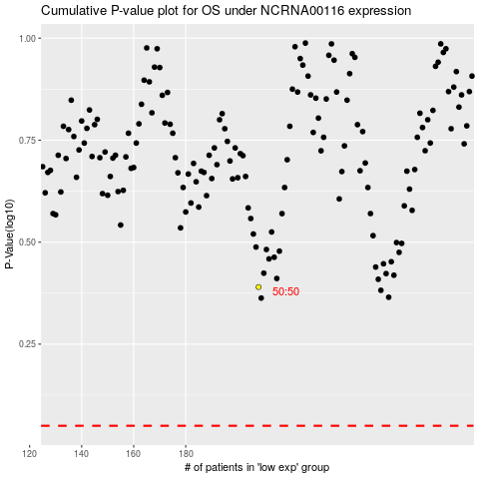

 |  |  |  |  |  | cases_OS | p_OS | rank | exp
 |  |  |  |  |  |  | cases_RFS | p_RFS | rank | exp

