NCRNA00119 _multivariate
Reported by Tex Li-Hsing Chi. tex@gate.sinica.edu.tw 2019-08-17

Table 2. The clinicopathological features of HNSCC cohort and NCRNA00119 expression. (Chi square test)
Cutoff at -0.248 (50.0%)
 |  | NCRNA00119 expression |  | NCRNA00119 expression |  | (Optimised)
 | Features | Low | (%) | High | (%) | Case no | P-value | Remark | Matthews
Gender | Female | 159 | 38.3 | 147 | 35.4 | 415 | 0.1905 | 0 | 0
2 | Male | 48 | 11.6 | 61 | 14.7
Age at diagnosis | <=65y | 140 | 33.7 | 134 | 32.3 | 415 | 0.5574 | 0 | 0
4 | >65y | 67 | 16.1 | 74 | 17.8
Clinical T Status | T1+T2 | 70 | 16.9 | 79 | 19 | 415 | 0.4343 | 0 | 0
6 | T3+T4 | 137 | 33 | 129 | 31.1
Clinical N Status | N0 | 99 | 23.9 | 117 | 28.2 | 415 | 0.1054 | 0 | 0
8 | N1-3 | 108 | 26 | 91 | 21.9
Clinical M Status | M0 | 204 | 49.2 | 208 | 50.1 | 415 | 0.1232 | 0 | 0
10 | M1 | 3 | 0.7 | 0 | 0
Clinical Stage | Stage I+II | 46 | 11.1 | 56 | 13.5 | 415 | 0.3182 | 0 | 0
12 | Stage III+IV | 161 | 38.8 | 152 | 36.6
Surgical Margin status | Negative | 159 | 38.3 | 159 | 38.3 | 415 | 1 | 0 | 0
14 | Positive | 48 | 11.6 | 49 | 11.8
Tobacco Exposure | Low | 89 | 21.4 | 72 | 17.3 | 415 | 0.0872 | 0 | 0
16 | High | 118 | 28.4 | 136 | 32.8

Table 3. Univariate/Multivariate Cox's proportional hazards regression analyses on OS time of NCRNA00119 gene expression in HNSCC

 |  | Univariate |  |  |  | Multivariate
 | Features | HR | CI95%(L) | CI95%(H) | P-value | HR | CI95%(L) | CI95%(H) | P-value
1 | Female | 1 |  |  |  | 1
Gender | Male | 1.157 | 0.843 | 1.587 | 0.367 | 1.2 | 0.859 | 1.677 | 0.285
11 | <=65y | 1 |  |  |  | 1
Age at diagnosis | >65y | 1.329 | 0.99 | 1.784 | 0.058 | 1.392 | 1.024 | 1.892 | 0.035
12 | T1+T2 | 1 |  |  |  | 1
Clinical T Status | T3+T4 | 1.409 | 1.028 | 1.931 | 0.033 | 2.214 | 1.17 | 4.189 | 0.015
13 | N0 | 1 |  |  |  | 1
Clinical N Status | N1-3 | 1.185 | 0.89 | 1.577 | 0.246 | 1.247 | 0.873 | 1.78 | 0.225
14 | M0 | 1 |  |  |  | 1
Clinical M Status | M1 | 4.097 | 1.009 | 16.644 | 0.049 | 9.706 | 2.1 | 44.846 | 0.004
15 | Stage I+II | 1 |  |  |  | 1
Clinical Stage | Stage III+IV | 1.245 | 0.882 | 1.759 | 0.213 | 0.504 | 0.235 | 1.081 | 0.078
16 | Negative | 1 |  |  |  | 1
Surgical Margin status | Positive | 1.591 | 1.155 | 2.191 | 0.004 | 1.678 | 1.214 | 2.321 | 0.002
17 | Low | 1 |  |  |  | 1
Tobacco Exposure | High | 1.364 | 1.008 | 1.844 | 0.044 | 1.44 | 1.041 | 1.99 | 0.027
18 | Low | 1 |  |  |  | 1
RNAseq(z-score) | High | 1.039 | 0.78 | 1.383 | 0.795 | 1.062 | 0.792 | 1.423 | 0.689

Table 4. Univariate/Multivariate Cox's proportional hazards regression analyses on RFS time of NCRNA00119 gene expression in HNSCC

 |  | Univariate |  |  |  | Multivariate
 | Features | HR | CI95%(L) | CI95%(H) | P-value | HR | CI95%(L) | CI95%(H) | P-value
1 | Female | 1 |  |  |  | 1
Gender | Male | 1.157 | 0.843 | 1.587 | 0.367 | 1.2 | 0.859 | 1.677 | 0.285
11 | <=65y | 1 |  |  |  | 1
Age at diagnosis | >65y | 1.329 | 0.99 | 1.784 | 0.058 | 1.392 | 1.024 | 1.892 | 0.035
12 | T1+T2 | 1 |  |  |  | 1
Clinical T Status | T3+T4 | 1.409 | 1.028 | 1.931 | 0.033 | 2.214 | 1.17 | 4.189 | 0.015
13 | N0 | 1 |  |  |  | 1
Clinical N Status | N1-3 | 1.185 | 0.89 | 1.577 | 0.246 | 1.247 | 0.873 | 1.78 | 0.225
14 | M0 | 1 |  |  |  | 1
Clinical M Status | M1 | 4.097 | 1.009 | 16.644 | 0.049 | 9.706 | 2.1 | 44.846 | 0.004
15 | Stage I+II | 1 |  |  |  | 1
Clinical Stage | Stage III+IV | 1.245 | 0.882 | 1.759 | 0.213 | 0.504 | 0.235 | 1.081 | 0.078
16 | Negative | 1 |  |  |  | 1
Surgical Margin status | Positive | 1.591 | 1.155 | 2.191 | 0.004 | 1.678 | 1.214 | 2.321 | 0.002
17 | Low | 1 |  |  |  | 1
Tobacco Exposure | High | 1.364 | 1.008 | 1.844 | 0.044 | 1.44 | 1.041 | 1.99 | 0.027
18 | Low | 1 |  |  |  | 1
RNAseq(z-score) | High | 1.039 | 0.78 | 1.383 | 0.795 | 1.062 | 0.792 | 1.423 | 0.689

Kaplan-Meier survival estimate: Cutoff at -0.248 (50.0%)



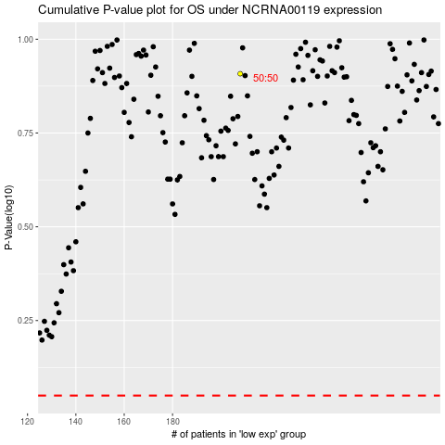

 |  |  |  |  |  | cases_OS | p_OS | rank | exp
 |  |  |  |  |  |  | cases_RFS | p_RFS | rank | exp

