NCRNA00152 _multivariate
Reported by Tex Li-Hsing Chi. tex@gate.sinica.edu.tw 2019-08-17

Table 2. The clinicopathological features of HNSCC cohort and NCRNA00152 expression. (Chi square test)
Cutoff at -0.386 (31.2%)
 |  | NCRNA00152 expression |  | NCRNA00152 expression |  | (Optimised)
 | Features | Low | (%) | High | (%) | Case no | P-value | Remark | Matthews
Gender | Female | 98 | 23.6 | 208 | 50.1 | 415 | 0.5659 | 0 | 0
2 | Male | 31 | 7.5 | 78 | 18.8
Age at diagnosis | <=65y | 96 | 23.1 | 178 | 42.9 | 415 | 0.0207 | 1 | 0
4 | >65y | 33 | 8 | 108 | 26
Clinical T Status | T1+T2 | 50 | 12 | 99 | 23.9 | 415 | 0.4814 | 0 | 0
6 | T3+T4 | 79 | 19 | 187 | 45.1
Clinical N Status | N0 | 74 | 17.8 | 142 | 34.2 | 415 | 0.1771 | 0 | 0
8 | N1-3 | 55 | 13.3 | 144 | 34.7
Clinical M Status | M0 | 129 | 31.1 | 283 | 68.2 | 415 | 0.5554 | 0 | 0
10 | M1 | 0 | 0 | 3 | 0.7
Clinical Stage | Stage I+II | 31 | 7.5 | 71 | 17.1 | 415 | 0.9595 | 0 | 0
12 | Stage III+IV | 98 | 23.6 | 215 | 51.8
Surgical Margin status | Negative | 100 | 24.1 | 218 | 52.5 | 415 | 0.8034 | 0 | 0
14 | Positive | 29 | 7 | 68 | 16.4
Tobacco Exposure | Low | 47 | 11.3 | 114 | 27.5 | 415 | 0.5163 | 0 | 0
16 | High | 82 | 19.8 | 172 | 41.4

Table 3. Univariate/Multivariate Cox's proportional hazards regression analyses on OS time of NCRNA00152 gene expression in HNSCC

 |  | Univariate |  |  |  | Multivariate
 | Features | HR | CI95%(L) | CI95%(H) | P-value | HR | CI95%(L) | CI95%(H) | P-value
1 | Female | 1 |  |  |  | 1
Gender | Male | 1.157 | 0.843 | 1.587 | 0.367 | 1.158 | 0.826 | 1.622 | 0.394
11 | <=65y | 1 |  |  |  | 1
Age at diagnosis | >65y | 1.329 | 0.99 | 1.784 | 0.058 | 1.335 | 0.981 | 1.817 | 0.066
12 | T1+T2 | 1 |  |  |  | 1
Clinical T Status | T3+T4 | 1.409 | 1.028 | 1.931 | 0.033 | 2.055 | 1.085 | 3.892 | 0.027
13 | N0 | 1 |  |  |  | 1
Clinical N Status | N1-3 | 1.185 | 0.89 | 1.577 | 0.246 | 1.171 | 0.818 | 1.674 | 0.388
14 | M0 | 1 |  |  |  | 1
Clinical M Status | M1 | 4.097 | 1.009 | 16.644 | 0.049 | 7.9 | 1.714 | 36.419 | 0.008
15 | Stage I+II | 1 |  |  |  | 1
Clinical Stage | Stage III+IV | 1.245 | 0.882 | 1.759 | 0.213 | 0.574 | 0.265 | 1.24 | 0.158
16 | Negative | 1 |  |  |  | 1
Surgical Margin status | Positive | 1.591 | 1.155 | 2.191 | 0.004 | 1.61 | 1.164 | 2.225 | 0.004
17 | Low | 1 |  |  |  | 1
Tobacco Exposure | High | 1.364 | 1.008 | 1.844 | 0.044 | 1.463 | 1.061 | 2.018 | 0.02
18 | Low | 1 |  |  |  | 1
RNAseq(z-score) | High | 1.622 | 1.165 | 2.258 | 0.004 | 1.481 | 1.052 | 2.084 | 0.024

Table 4. Univariate/Multivariate Cox's proportional hazards regression analyses on RFS time of NCRNA00152 gene expression in HNSCC

 |  | Univariate |  |  |  | Multivariate
 | Features | HR | CI95%(L) | CI95%(H) | P-value | HR | CI95%(L) | CI95%(H) | P-value
1 | Female | 1 |  |  |  | 1
Gender | Male | 1.157 | 0.843 | 1.587 | 0.367 | 1.158 | 0.826 | 1.622 | 0.394
11 | <=65y | 1 |  |  |  | 1
Age at diagnosis | >65y | 1.329 | 0.99 | 1.784 | 0.058 | 1.335 | 0.981 | 1.817 | 0.066
12 | T1+T2 | 1 |  |  |  | 1
Clinical T Status | T3+T4 | 1.409 | 1.028 | 1.931 | 0.033 | 2.055 | 1.085 | 3.892 | 0.027
13 | N0 | 1 |  |  |  | 1
Clinical N Status | N1-3 | 1.185 | 0.89 | 1.577 | 0.246 | 1.171 | 0.818 | 1.674 | 0.388
14 | M0 | 1 |  |  |  | 1
Clinical M Status | M1 | 4.097 | 1.009 | 16.644 | 0.049 | 7.9 | 1.714 | 36.419 | 0.008
15 | Stage I+II | 1 |  |  |  | 1
Clinical Stage | Stage III+IV | 1.245 | 0.882 | 1.759 | 0.213 | 0.574 | 0.265 | 1.24 | 0.158
16 | Negative | 1 |  |  |  | 1
Surgical Margin status | Positive | 1.591 | 1.155 | 2.191 | 0.004 | 1.61 | 1.164 | 2.225 | 0.004
17 | Low | 1 |  |  |  | 1
Tobacco Exposure | High | 1.364 | 1.008 | 1.844 | 0.044 | 1.463 | 1.061 | 2.018 | 0.02
18 | Low | 1 |  |  |  | 1
RNAseq(z-score) | High | 1.622 | 1.165 | 2.258 | 0.004 | 1.481 | 1.052 | 2.084 | 0.024

Kaplan-Meier survival estimate: Cutoff at -0.386 (31.2%)

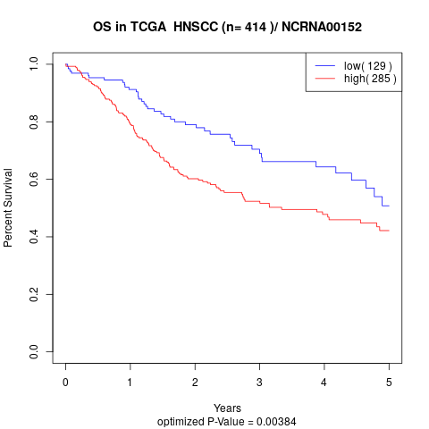

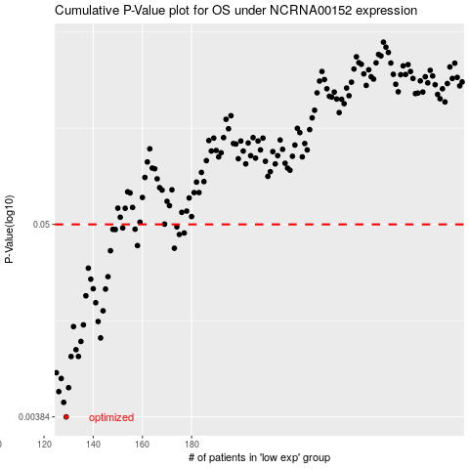

 |  |  |  |  |  | cases_OS | p_OS | rank | exp
 |  |  |  |  |  | 129 | 0.00384 | 138 | -0.38564582469
 |  |  |  |  |  | 128 | 0.00466 | 311 | -0.38599908173
 |  |  |  |  |  | 126 | 0.00538 | 401 | -0.38879156164
 |  |  |  |  |  | 130 | 0.00567 | 261 | -0.38341821745
 |  |  |  |  |  | 127 | 0.00641 | 41 | -0.3875263823
 |  |  |  |  |  | 125 | 0.00692 | 233 | -0.38892897072
 |  |  |  |  |  | 131 | 0.00859 | 222 | -0.37981144057
 |  |  |  |  |  | 134 | 0.0086 | 322 | -0.37037084389
 |  |  |  |  |  | 133 | 0.00941 | 46 | -0.37177681817
 |  |  |  |  |  | 135 | 0.0105 | 118 | -0.37006950323
 |  |  |  |  |  | 143 | 0.011 | 229 | -0.35030178143
 |  |  |  |  |  | 132 | 0.0128 | 282 | -0.37443499269
 |  |  |  |  |  | 136 | 0.0131 | 224 | -0.36845191332
 |  |  |  |  |  | 142 | 0.0137 | 350 | -0.35093888557
 |  |  |  |  |  | 144 | 0.0158 | 258 | -0.35019343423
 |  |  |  |  |  | 141 | 0.0176 | 60 | -0.35276329449
 |  |  |  |  |  | 137 | 0.0193 | 276 | -0.35958832193
 |  |  |  |  |  | 145 | 0.0211 | 142 | -0.34942117824
 |  |  |  |  |  | 140 | 0.0212 | 357 | -0.35301892618
 |  |  |  |  |  | 139 | 0.0241 | 29 | -0.35394608481
 |  |  |  |  |  | 146 | 0.0249 | 191 | -0.34940142745
 |  |  |  |  |  | 138 | 0.0279 | 376 | -0.35538873913
 |  |  |  |  |  | 147 | 0.0352 | 52 | -0.34832246986
 |  |  |  |  |  | 173 | 0.0364 | 62 | -0.29031608508
 |  |  |  |  |  | 158 | 0.0377 | 148 | -0.3318113716
 |  |  |  |  |  | 175 | 0.0437 | 196 | -0.28311804981
 |  |  |  |  |  | 177 | 0.0446 | 296 | -0.28091555429
 |  |  |  |  |  | 149 | 0.0467 | 88 | -0.34404247312
 |  |  |  |  |  | 148 | 0.0468 | 342 | -0.34525686471
 |  |  |  |  |  | 157 | 0.0469 | 112 | -0.33202298724
 |  |  |  |  |  | 152 | 0.0477 | 137 | -0.33620056201
 |  |  |  |  |  | 174 | 0.0484 | 24 | -0.28866745821
 |  |  |  |  |  |  | cases_RFS | p_RFS | rank | exp
 |  |  |  |  |  |  | 128 | 0.00384 | 311 | -0.38599908173
 |  |  |  |  |  |  | 127 | 0.00466 | 41 | -0.3875263823
 |  |  |  |  |  |  | 125 | 0.00538 | 233 | -0.38892897072
 |  |  |  |  |  |  | 129 | 0.00567 | 138 | -0.38564582469
 |  |  |  |  |  |  | 126 | 0.00641 | 401 | -0.38879156164
 |  |  |  |  |  |  |  | 0.00692 | 125 | -0.3915166067
 |  |  |  |  |  |  | 130 | 0.00859 | 261 | -0.38341821745
 |  |  |  |  |  |  | 133 | 0.0086 | 46 | -0.37177681817
 |  |  |  |  |  |  | 132 | 0.00941 | 282 | -0.37443499269
 |  |  |  |  |  |  | 134 | 0.0105 | 322 | -0.37037084389
 |  |  |  |  |  |  | 142 | 0.011 | 350 | -0.35093888557
 |  |  |  |  |  |  | 131 | 0.0128 | 222 | -0.37981144057
 |  |  |  |  |  |  | 135 | 0.0131 | 118 | -0.37006950323
 |  |  |  |  |  |  | 141 | 0.0137 | 60 | -0.35276329449
 |  |  |  |  |  |  | 143 | 0.0158 | 229 | -0.35030178143
 |  |  |  |  |  |  | 140 | 0.0176 | 357 | -0.35301892618
 |  |  |  |  |  |  | 136 | 0.0193 | 224 | -0.36845191332
 |  |  |  |  |  |  | 144 | 0.0211 | 258 | -0.35019343423
 |  |  |  |  |  |  | 139 | 0.0212 | 29 | -0.35394608481
 |  |  |  |  |  |  | 138 | 0.0241 | 376 | -0.35538873913
 |  |  |  |  |  |  | 145 | 0.0249 | 142 | -0.34942117824
 |  |  |  |  |  |  | 137 | 0.0279 | 276 | -0.35958832193
 |  |  |  |  |  |  | 146 | 0.0352 | 191 | -0.34940142745
 |  |  |  |  |  |  | 172 | 0.0364 | 245 | -0.29039085594
 |  |  |  |  |  |  | 157 | 0.0377 | 112 | -0.33202298724
 |  |  |  |  |  |  | 174 | 0.0437 | 24 | -0.28866745821
 |  |  |  |  |  |  | 176 | 0.0446 | 190 | -0.28277551464
 |  |  |  |  |  |  | 148 | 0.0467 | 342 | -0.34525686471
 |  |  |  |  |  |  | 147 | 0.0468 | 52 | -0.34832246986
 |  |  |  |  |  |  | 156 | 0.0469 | 120 | -0.33230175557
 |  |  |  |  |  |  | 151 | 0.0477 | 102 | -0.33844114835
 |  |  |  |  |  |  | 173 | 0.0484 | 62 | -0.29031608508

