NCRNA00162 _multivariate
Reported by Tex Li-Hsing Chi. tex@gate.sinica.edu.tw 2019-08-17

Table 2. The clinicopathological features of HNSCC cohort and NCRNA00162 expression. (Chi square test)
Cutoff at -0.377 (44.4%)
 |  | NCRNA00162 expression |  | NCRNA00162 expression |  | (Optimised)
 | Features | Low | (%) | High | (%) | Case no | P-value | Remark | Matthews
Gender | Female | 144 | 34.7 | 162 | 39 | 415 | 0.0788 | 0 | 0
2 | Male | 40 | 9.6 | 69 | 16.6
Age at diagnosis | <=65y | 127 | 30.6 | 147 | 35.4 | 415 | 0.2954 | 0 | 0
4 | >65y | 57 | 13.7 | 84 | 20.2
Clinical T Status | T1+T2 | 70 | 16.9 | 79 | 19 | 415 | 0.4789 | 0 | 0
6 | T3+T4 | 114 | 27.5 | 152 | 36.6
Clinical N Status | N0 | 80 | 19.3 | 136 | 32.8 | 415 | 0.0025 | 1 | 0
8 | N1-3 | 104 | 25.1 | 95 | 22.9
Clinical M Status | M0 | 182 | 43.9 | 230 | 55.4 | 415 | 0.5867 | 0 | 0
10 | M1 | 2 | 0.5 | 1 | 0.2
Clinical Stage | Stage I+II | 41 | 9.9 | 61 | 14.7 | 415 | 0.3927 | 0 | 0
12 | Stage III+IV | 143 | 34.5 | 170 | 41
Surgical Margin status | Negative | 139 | 33.5 | 179 | 43.1 | 415 | 0.6427 | 0 | 0
14 | Positive | 45 | 10.8 | 52 | 12.5
Tobacco Exposure | Low | 64 | 15.4 | 97 | 23.4 | 415 | 0.1558 | 0 | 0
16 | High | 120 | 28.9 | 134 | 32.3

Table 3. Univariate/Multivariate Cox's proportional hazards regression analyses on OS time of NCRNA00162 gene expression in HNSCC

 |  | Univariate |  |  |  | Multivariate
 | Features | HR | CI95%(L) | CI95%(H) | P-value | HR | CI95%(L) | CI95%(H) | P-value
1 | Female | 1 |  |  |  | 1
Gender | Male | 1.157 | 0.843 | 1.587 | 0.367 | 1.254 | 0.896 | 1.753 | 0.187
11 | <=65y | 1 |  |  |  | 1
Age at diagnosis | >65y | 1.329 | 0.99 | 1.784 | 0.058 | 1.399 | 1.029 | 1.902 | 0.032
12 | T1+T2 | 1 |  |  |  | 1
Clinical T Status | T3+T4 | 1.409 | 1.028 | 1.931 | 0.033 | 2.343 | 1.238 | 4.437 | 0.009
13 | N0 | 1 |  |  |  | 1
Clinical N Status | N1-3 | 1.185 | 0.89 | 1.577 | 0.246 | 1.184 | 0.827 | 1.696 | 0.356
14 | M0 | 1 |  |  |  | 1
Clinical M Status | M1 | 4.097 | 1.009 | 16.644 | 0.049 | 9.799 | 2.136 | 44.96 | 0.003
15 | Stage I+II | 1 |  |  |  | 1
Clinical Stage | Stage III+IV | 1.245 | 0.882 | 1.759 | 0.213 | 0.48 | 0.223 | 1.031 | 0.06
16 | Negative | 1 |  |  |  | 1
Surgical Margin status | Positive | 1.591 | 1.155 | 2.191 | 0.004 | 1.682 | 1.217 | 2.324 | 0.002
17 | Low | 1 |  |  |  | 1
Tobacco Exposure | High | 1.364 | 1.008 | 1.844 | 0.044 | 1.42 | 1.032 | 1.954 | 0.031
18 | Low | 1 |  |  |  | 1
RNAseq(z-score) | High | 0.737 | 0.552 | 0.984 | 0.038 | 0.712 | 0.529 | 0.959 | 0.025

Table 4. Univariate/Multivariate Cox's proportional hazards regression analyses on RFS time of NCRNA00162 gene expression in HNSCC

 |  | Univariate |  |  |  | Multivariate
 | Features | HR | CI95%(L) | CI95%(H) | P-value | HR | CI95%(L) | CI95%(H) | P-value
1 | Female | 1 |  |  |  | 1
Gender | Male | 1.157 | 0.843 | 1.587 | 0.367 | 1.254 | 0.896 | 1.753 | 0.187
11 | <=65y | 1 |  |  |  | 1
Age at diagnosis | >65y | 1.329 | 0.99 | 1.784 | 0.058 | 1.399 | 1.029 | 1.902 | 0.032
12 | T1+T2 | 1 |  |  |  | 1
Clinical T Status | T3+T4 | 1.409 | 1.028 | 1.931 | 0.033 | 2.343 | 1.238 | 4.437 | 0.009
13 | N0 | 1 |  |  |  | 1
Clinical N Status | N1-3 | 1.185 | 0.89 | 1.577 | 0.246 | 1.184 | 0.827 | 1.696 | 0.356
14 | M0 | 1 |  |  |  | 1
Clinical M Status | M1 | 4.097 | 1.009 | 16.644 | 0.049 | 9.799 | 2.136 | 44.96 | 0.003
15 | Stage I+II | 1 |  |  |  | 1
Clinical Stage | Stage III+IV | 1.245 | 0.882 | 1.759 | 0.213 | 0.48 | 0.223 | 1.031 | 0.06
16 | Negative | 1 |  |  |  | 1
Surgical Margin status | Positive | 1.591 | 1.155 | 2.191 | 0.004 | 1.682 | 1.217 | 2.324 | 0.002
17 | Low | 1 |  |  |  | 1
Tobacco Exposure | High | 1.364 | 1.008 | 1.844 | 0.044 | 1.42 | 1.032 | 1.954 | 0.031
18 | Low | 1 |  |  |  | 1
RNAseq(z-score) | High | 0.737 | 0.552 | 0.984 | 0.038 | 0.712 | 0.529 | 0.959 | 0.025

Kaplan-Meier survival estimate: Cutoff at -0.377 (44.4%)



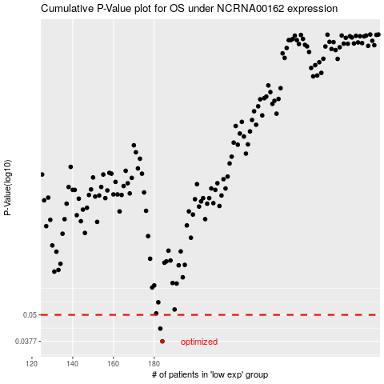

 |  |  |  |  |  | cases_OS | p_OS | rank | exp
 |  |  |  |  |  | 184 | 0.0377 | 245 | -0.37693625647
 |  |  |  |  |  | 183 | 0.0432 | 55 | -0.3772408773
 |  |  |  |  |  |  | cases_RFS | p_RFS | rank | exp
 |  |  |  |  |  |  | 183 | 0.0377 | 55 | -0.3772408773
 |  |  |  |  |  |  | 182 | 0.0432 | 207 | -0.37740703412

