NCRNA00169 _multivariate
Reported by Tex Li-Hsing Chi. tex@gate.sinica.edu.tw 2019-08-17

Table 2. The clinicopathological features of HNSCC cohort and NCRNA00169 expression. (Chi square test)
Cutoff at -0.146 (50.0%)
 |  | NCRNA00169 expression |  | NCRNA00169 expression |  | (Optimised)
 | Features | Low | (%) | High | (%) | Case no | P-value | Remark | Matthews
Gender | Female | 145 | 34.9 | 161 | 38.8 | 415 | 0.1116 | 0 | 0
2 | Male | 62 | 14.9 | 47 | 11.3
Age at diagnosis | <=65y | 133 | 32 | 141 | 34 | 415 | 0.5111 | 0 | 0
4 | >65y | 74 | 17.8 | 67 | 16.1
Clinical T Status | T1+T2 | 91 | 21.9 | 58 | 14 | 415 | 9e-04 | 1 | 0
6 | T3+T4 | 116 | 28 | 150 | 36.1
Clinical N Status | N0 | 111 | 26.7 | 105 | 25.3 | 415 | 0.5875 | 0 | 0
8 | N1-3 | 96 | 23.1 | 103 | 24.8
Clinical M Status | M0 | 206 | 49.6 | 206 | 49.6 | 415 | 1 | 0 | 0
10 | M1 | 1 | 0.2 | 2 | 0.5
Clinical Stage | Stage I+II | 59 | 14.2 | 43 | 10.4 | 415 | 0.0822 | 0 | 0
12 | Stage III+IV | 148 | 35.7 | 165 | 39.8
Surgical Margin status | Negative | 155 | 37.3 | 163 | 39.3 | 415 | 0.4187 | 0 | 0
14 | Positive | 52 | 12.5 | 45 | 10.8
Tobacco Exposure | Low | 88 | 21.2 | 73 | 17.6 | 415 | 0.1314 | 0 | 0
16 | High | 119 | 28.7 | 135 | 32.5

Table 3. Univariate/Multivariate Cox's proportional hazards regression analyses on OS time of NCRNA00169 gene expression in HNSCC

 |  | Univariate |  |  |  | Multivariate
 | Features | HR | CI95%(L) | CI95%(H) | P-value | HR | CI95%(L) | CI95%(H) | P-value
1 | Female | 1 |  |  |  | 1
Gender | Male | 1.157 | 0.843 | 1.587 | 0.367 | 1.195 | 0.855 | 1.669 | 0.298
11 | <=65y | 1 |  |  |  | 1
Age at diagnosis | >65y | 1.329 | 0.99 | 1.784 | 0.058 | 1.392 | 1.024 | 1.892 | 0.035
12 | T1+T2 | 1 |  |  |  | 1
Clinical T Status | T3+T4 | 1.409 | 1.028 | 1.931 | 0.033 | 2.282 | 1.198 | 4.349 | 0.012
13 | N0 | 1 |  |  |  | 1
Clinical N Status | N1-3 | 1.185 | 0.89 | 1.577 | 0.246 | 1.247 | 0.874 | 1.779 | 0.224
14 | M0 | 1 |  |  |  | 1
Clinical M Status | M1 | 4.097 | 1.009 | 16.644 | 0.049 | 9.721 | 2.114 | 44.697 | 0.003
15 | Stage I+II | 1 |  |  |  | 1
Clinical Stage | Stage III+IV | 1.245 | 0.882 | 1.759 | 0.213 | 0.495 | 0.23 | 1.064 | 0.072
16 | Negative | 1 |  |  |  | 1
Surgical Margin status | Positive | 1.591 | 1.155 | 2.191 | 0.004 | 1.663 | 1.203 | 2.299 | 0.002
17 | Low | 1 |  |  |  | 1
Tobacco Exposure | High | 1.364 | 1.008 | 1.844 | 0.044 | 1.465 | 1.062 | 2.022 | 0.02
18 | Low | 1 |  |  |  | 1
RNAseq(z-score) | High | 0.954 | 0.715 | 1.274 | 0.751 | 0.898 | 0.666 | 1.209 | 0.478

Table 4. Univariate/Multivariate Cox's proportional hazards regression analyses on RFS time of NCRNA00169 gene expression in HNSCC

 |  | Univariate |  |  |  | Multivariate
 | Features | HR | CI95%(L) | CI95%(H) | P-value | HR | CI95%(L) | CI95%(H) | P-value
1 | Female | 1 |  |  |  | 1
Gender | Male | 1.157 | 0.843 | 1.587 | 0.367 | 1.195 | 0.855 | 1.669 | 0.298
11 | <=65y | 1 |  |  |  | 1
Age at diagnosis | >65y | 1.329 | 0.99 | 1.784 | 0.058 | 1.392 | 1.024 | 1.892 | 0.035
12 | T1+T2 | 1 |  |  |  | 1
Clinical T Status | T3+T4 | 1.409 | 1.028 | 1.931 | 0.033 | 2.282 | 1.198 | 4.349 | 0.012
13 | N0 | 1 |  |  |  | 1
Clinical N Status | N1-3 | 1.185 | 0.89 | 1.577 | 0.246 | 1.247 | 0.874 | 1.779 | 0.224
14 | M0 | 1 |  |  |  | 1
Clinical M Status | M1 | 4.097 | 1.009 | 16.644 | 0.049 | 9.721 | 2.114 | 44.697 | 0.003
15 | Stage I+II | 1 |  |  |  | 1
Clinical Stage | Stage III+IV | 1.245 | 0.882 | 1.759 | 0.213 | 0.495 | 0.23 | 1.064 | 0.072
16 | Negative | 1 |  |  |  | 1
Surgical Margin status | Positive | 1.591 | 1.155 | 2.191 | 0.004 | 1.663 | 1.203 | 2.299 | 0.002
17 | Low | 1 |  |  |  | 1
Tobacco Exposure | High | 1.364 | 1.008 | 1.844 | 0.044 | 1.465 | 1.062 | 2.022 | 0.02
18 | Low | 1 |  |  |  | 1
RNAseq(z-score) | High | 0.954 | 0.715 | 1.274 | 0.751 | 0.898 | 0.666 | 1.209 | 0.478

Kaplan-Meier survival estimate: Cutoff at -0.146 (50.0%)



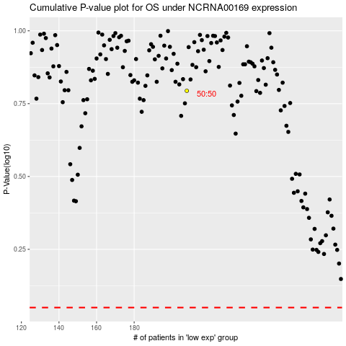

 |  |  |  |  |  | cases_OS | p_OS | rank | exp
 |  |  |  |  |  |  | cases_RFS | p_RFS | rank | exp

