NCRNA00171 _multivariate
Reported by Tex Li-Hsing Chi. tex@gate.sinica.edu.tw 2019-08-17

Table 2. The clinicopathological features of HNSCC cohort and NCRNA00171 expression. (Chi square test)
Cutoff at -0.182 (49.8%)
 |  | NCRNA00171 expression |  | NCRNA00171 expression |  | (Optimised)
 | Features | Low | (%) | High | (%) | Case no | P-value | Remark | Matthews
Gender | Female | 143 | 34.5 | 163 | 39.3 | 415 | 0.0416 | 1 | 0
2 | Male | 64 | 15.4 | 45 | 10.8
Age at diagnosis | <=65y | 133 | 32 | 141 | 34 | 415 | 0.5111 | 0 | 0
4 | >65y | 74 | 17.8 | 67 | 16.1
Clinical T Status | T1+T2 | 80 | 19.3 | 69 | 16.6 | 415 | 0.2891 | 0 | 0
6 | T3+T4 | 127 | 30.6 | 139 | 33.5
Clinical N Status | N0 | 115 | 27.7 | 101 | 24.3 | 415 | 0.184 | 1 | 0
8 | N1-3 | 92 | 22.2 | 107 | 25.8
Clinical M Status | M0 | 206 | 49.6 | 206 | 49.6 | 415 | 1 | 0 | 0
10 | M1 | 1 | 0.2 | 2 | 0.5
Clinical Stage | Stage I+II | 57 | 13.7 | 45 | 10.8 | 415 | 0.1998 | 0 | 0
12 | Stage III+IV | 150 | 36.1 | 163 | 39.3
Surgical Margin status | Negative | 162 | 39 | 156 | 37.6 | 415 | 0.4867 | 0 | 0
14 | Positive | 45 | 10.8 | 52 | 12.5
Tobacco Exposure | Low | 87 | 21 | 74 | 17.8 | 415 | 0.1911 | 0 | 0
16 | High | 120 | 28.9 | 134 | 32.3

Table 3. Univariate/Multivariate Cox's proportional hazards regression analyses on OS time of NCRNA00171 gene expression in HNSCC

 |  | Univariate |  |  |  | Multivariate
 | Features | HR | CI95%(L) | CI95%(H) | P-value | HR | CI95%(L) | CI95%(H) | P-value
1 | Female | 1 |  |  |  | 1
Gender | Male | 1.157 | 0.843 | 1.587 | 0.367 | 1.215 | 0.869 | 1.7 | 0.254
11 | <=65y | 1 |  |  |  | 1
Age at diagnosis | >65y | 1.329 | 0.99 | 1.784 | 0.058 | 1.389 | 1.022 | 1.887 | 0.036
12 | T1+T2 | 1 |  |  |  | 1
Clinical T Status | T3+T4 | 1.409 | 1.028 | 1.931 | 0.033 | 2.222 | 1.175 | 4.203 | 0.014
13 | N0 | 1 |  |  |  | 1
Clinical N Status | N1-3 | 1.185 | 0.89 | 1.577 | 0.246 | 1.237 | 0.866 | 1.765 | 0.242
14 | M0 | 1 |  |  |  | 1
Clinical M Status | M1 | 4.097 | 1.009 | 16.644 | 0.049 | 9.428 | 2.056 | 43.234 | 0.004
15 | Stage I+II | 1 |  |  |  | 1
Clinical Stage | Stage III+IV | 1.245 | 0.882 | 1.759 | 0.213 | 0.494 | 0.23 | 1.063 | 0.071
16 | Negative | 1 |  |  |  | 1
Surgical Margin status | Positive | 1.591 | 1.155 | 2.191 | 0.004 | 1.677 | 1.213 | 2.318 | 0.002
17 | Low | 1 |  |  |  | 1
Tobacco Exposure | High | 1.364 | 1.008 | 1.844 | 0.044 | 1.452 | 1.054 | 2 | 0.023
18 | Low | 1 |  |  |  | 1
RNAseq(z-score) | High | 1.123 | 0.842 | 1.498 | 0.429 | 1.129 | 0.843 | 1.513 | 0.416

Table 4. Univariate/Multivariate Cox's proportional hazards regression analyses on RFS time of NCRNA00171 gene expression in HNSCC

 |  | Univariate |  |  |  | Multivariate
 | Features | HR | CI95%(L) | CI95%(H) | P-value | HR | CI95%(L) | CI95%(H) | P-value
1 | Female | 1 |  |  |  | 1
Gender | Male | 1.157 | 0.843 | 1.587 | 0.367 | 1.215 | 0.869 | 1.7 | 0.254
11 | <=65y | 1 |  |  |  | 1
Age at diagnosis | >65y | 1.329 | 0.99 | 1.784 | 0.058 | 1.389 | 1.022 | 1.887 | 0.036
12 | T1+T2 | 1 |  |  |  | 1
Clinical T Status | T3+T4 | 1.409 | 1.028 | 1.931 | 0.033 | 2.222 | 1.175 | 4.203 | 0.014
13 | N0 | 1 |  |  |  | 1
Clinical N Status | N1-3 | 1.185 | 0.89 | 1.577 | 0.246 | 1.237 | 0.866 | 1.765 | 0.242
14 | M0 | 1 |  |  |  | 1
Clinical M Status | M1 | 4.097 | 1.009 | 16.644 | 0.049 | 9.428 | 2.056 | 43.234 | 0.004
15 | Stage I+II | 1 |  |  |  | 1
Clinical Stage | Stage III+IV | 1.245 | 0.882 | 1.759 | 0.213 | 0.494 | 0.23 | 1.063 | 0.071
16 | Negative | 1 |  |  |  | 1
Surgical Margin status | Positive | 1.591 | 1.155 | 2.191 | 0.004 | 1.677 | 1.213 | 2.318 | 0.002
17 | Low | 1 |  |  |  | 1
Tobacco Exposure | High | 1.364 | 1.008 | 1.844 | 0.044 | 1.452 | 1.054 | 2 | 0.023
18 | Low | 1 |  |  |  | 1
RNAseq(z-score) | High | 1.123 | 0.842 | 1.498 | 0.429 | 1.129 | 0.843 | 1.513 | 0.416

Kaplan-Meier survival estimate: Cutoff at -0.182 (49.8%)



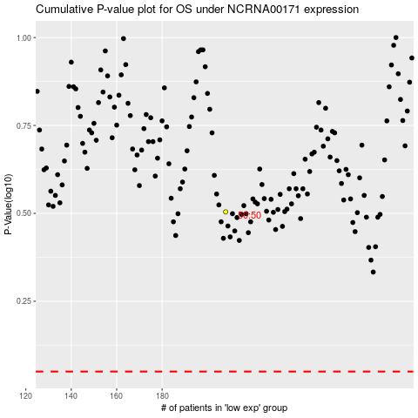

 |  |  |  |  |  | cases_OS | p_OS | rank | exp
 |  |  |  |  |  |  | cases_RFS | p_RFS | rank | exp

