NCRNA00173 _multivariate
Reported by Tex Li-Hsing Chi. tex@gate.sinica.edu.tw 2019-08-17

Table 2. The clinicopathological features of HNSCC cohort and NCRNA00173 expression. (Chi square test)
Cutoff at -0.301 (49.8%)
 |  | NCRNA00173 expression |  | NCRNA00173 expression |  | (Optimised)
 | Features | Low | (%) | High | (%) | Case no | P-value | Remark | Matthews
Gender | Female | 150 | 36.1 | 156 | 37.6 | 415 | 0.6344 | 0 | 0
2 | Male | 57 | 13.7 | 52 | 12.5
Age at diagnosis | <=65y | 140 | 33.7 | 134 | 32.3 | 415 | 0.5574 | 0 | 0
4 | >65y | 67 | 16.1 | 74 | 17.8
Clinical T Status | T1+T2 | 60 | 14.5 | 89 | 21.4 | 415 | 0.0047 | 1 | 0
6 | T3+T4 | 147 | 35.4 | 119 | 28.7
Clinical N Status | N0 | 104 | 25.1 | 112 | 27 | 415 | 0.5243 | 0 | 0
8 | N1-3 | 103 | 24.8 | 96 | 23.1
Clinical M Status | M0 | 207 | 49.9 | 205 | 49.4 | 415 | 0.2482 | 0 | 0
10 | M1 | 0 | 0 | 3 | 0.7
Clinical Stage | Stage I+II | 43 | 10.4 | 59 | 14.2 | 415 | 0.0925 | 0 | 0
12 | Stage III+IV | 164 | 39.5 | 149 | 35.9
Surgical Margin status | Negative | 158 | 38.1 | 160 | 38.6 | 415 | 0.9081 | 0 | 0
14 | Positive | 49 | 11.8 | 48 | 11.6
Tobacco Exposure | Low | 81 | 19.5 | 80 | 19.3 | 415 | 0.9199 | 0 | 0
16 | High | 126 | 30.4 | 128 | 30.8

Table 3. Univariate/Multivariate Cox's proportional hazards regression analyses on OS time of NCRNA00173 gene expression in HNSCC

 |  | Univariate |  |  |  | Multivariate
 | Features | HR | CI95%(L) | CI95%(H) | P-value | HR | CI95%(L) | CI95%(H) | P-value
1 | Female | 1 |  |  |  | 1
Gender | Male | 1.157 | 0.843 | 1.587 | 0.367 | 1.188 | 0.849 | 1.661 | 0.315
11 | <=65y | 1 |  |  |  | 1
Age at diagnosis | >65y | 1.329 | 0.99 | 1.784 | 0.058 | 1.402 | 1.03 | 1.907 | 0.032
12 | T1+T2 | 1 |  |  |  | 1
Clinical T Status | T3+T4 | 1.409 | 1.028 | 1.931 | 0.033 | 2.15 | 1.134 | 4.074 | 0.019
13 | N0 | 1 |  |  |  | 1
Clinical N Status | N1-3 | 1.185 | 0.89 | 1.577 | 0.246 | 1.247 | 0.873 | 1.779 | 0.225
14 | M0 | 1 |  |  |  | 1
Clinical M Status | M1 | 4.097 | 1.009 | 16.644 | 0.049 | 9.805 | 2.132 | 45.102 | 0.003
15 | Stage I+II | 1 |  |  |  | 1
Clinical Stage | Stage III+IV | 1.245 | 0.882 | 1.759 | 0.213 | 0.506 | 0.236 | 1.085 | 0.08
16 | Negative | 1 |  |  |  | 1
Surgical Margin status | Positive | 1.591 | 1.155 | 2.191 | 0.004 | 1.671 | 1.21 | 2.309 | 0.002
17 | Low | 1 |  |  |  | 1
Tobacco Exposure | High | 1.364 | 1.008 | 1.844 | 0.044 | 1.475 | 1.068 | 2.038 | 0.018
18 | Low | 1 |  |  |  | 1
RNAseq(z-score) | High | 0.878 | 0.659 | 1.169 | 0.372 | 0.886 | 0.66 | 1.189 | 0.42

Table 4. Univariate/Multivariate Cox's proportional hazards regression analyses on RFS time of NCRNA00173 gene expression in HNSCC

 |  | Univariate |  |  |  | Multivariate
 | Features | HR | CI95%(L) | CI95%(H) | P-value | HR | CI95%(L) | CI95%(H) | P-value
1 | Female | 1 |  |  |  | 1
Gender | Male | 1.157 | 0.843 | 1.587 | 0.367 | 1.188 | 0.849 | 1.661 | 0.315
11 | <=65y | 1 |  |  |  | 1
Age at diagnosis | >65y | 1.329 | 0.99 | 1.784 | 0.058 | 1.402 | 1.03 | 1.907 | 0.032
12 | T1+T2 | 1 |  |  |  | 1
Clinical T Status | T3+T4 | 1.409 | 1.028 | 1.931 | 0.033 | 2.15 | 1.134 | 4.074 | 0.019
13 | N0 | 1 |  |  |  | 1
Clinical N Status | N1-3 | 1.185 | 0.89 | 1.577 | 0.246 | 1.247 | 0.873 | 1.779 | 0.225
14 | M0 | 1 |  |  |  | 1
Clinical M Status | M1 | 4.097 | 1.009 | 16.644 | 0.049 | 9.805 | 2.132 | 45.102 | 0.003
15 | Stage I+II | 1 |  |  |  | 1
Clinical Stage | Stage III+IV | 1.245 | 0.882 | 1.759 | 0.213 | 0.506 | 0.236 | 1.085 | 0.08
16 | Negative | 1 |  |  |  | 1
Surgical Margin status | Positive | 1.591 | 1.155 | 2.191 | 0.004 | 1.671 | 1.21 | 2.309 | 0.002
17 | Low | 1 |  |  |  | 1
Tobacco Exposure | High | 1.364 | 1.008 | 1.844 | 0.044 | 1.475 | 1.068 | 2.038 | 0.018
18 | Low | 1 |  |  |  | 1
RNAseq(z-score) | High | 0.878 | 0.659 | 1.169 | 0.372 | 0.886 | 0.66 | 1.189 | 0.42

Kaplan-Meier survival estimate: Cutoff at -0.301 (49.8%)



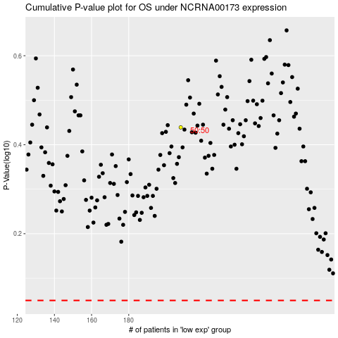

 |  |  |  |  |  | cases_OS | p_OS | rank | exp
 |  |  |  |  |  |  | cases_RFS | p_RFS | rank | exp

