NCRNA00174 _multivariate
Reported by Tex Li-Hsing Chi. tex@gate.sinica.edu.tw 2019-08-17

Table 2. The clinicopathological features of HNSCC cohort and NCRNA00174 expression. (Chi square test)
Cutoff at -0.198 (50.0%)
 |  | NCRNA00174 expression |  | NCRNA00174 expression |  | (Optimised)
 | Features | Low | (%) | High | (%) | Case no | P-value | Remark | Matthews
Gender | Female | 147 | 35.4 | 159 | 38.3 | 415 | 0.2523 | 0 | 0
2 | Male | 60 | 14.5 | 49 | 11.8
Age at diagnosis | <=65y | 139 | 33.5 | 135 | 32.5 | 415 | 0.7044 | 0 | 0
4 | >65y | 68 | 16.4 | 73 | 17.6
Clinical T Status | T1+T2 | 74 | 17.8 | 75 | 18.1 | 415 | 1 | 0 | 0
6 | T3+T4 | 133 | 32 | 133 | 32
Clinical N Status | N0 | 95 | 22.9 | 121 | 29.2 | 415 | 0.0162 | 1 | 0
8 | N1-3 | 112 | 27 | 87 | 21
Clinical M Status | M0 | 206 | 49.6 | 206 | 49.6 | 415 | 1 | 0 | 0
10 | M1 | 1 | 0.2 | 2 | 0.5
Clinical Stage | Stage I+II | 42 | 10.1 | 60 | 14.5 | 415 | 0.0561 | 0 | 0
12 | Stage III+IV | 165 | 39.8 | 148 | 35.7
Surgical Margin status | Negative | 156 | 37.6 | 162 | 39 | 415 | 0.5636 | 0 | 0
14 | Positive | 51 | 12.3 | 46 | 11.1
Tobacco Exposure | Low | 82 | 19.8 | 79 | 19 | 415 | 0.763 | 0 | 0
16 | High | 125 | 30.1 | 129 | 31.1

Table 3. Univariate/Multivariate Cox's proportional hazards regression analyses on OS time of NCRNA00174 gene expression in HNSCC

 |  | Univariate |  |  |  | Multivariate
 | Features | HR | CI95%(L) | CI95%(H) | P-value | HR | CI95%(L) | CI95%(H) | P-value
1 | Female | 1 |  |  |  | 1
Gender | Male | 1.157 | 0.843 | 1.587 | 0.367 | 1.2 | 0.859 | 1.676 | 0.285
11 | <=65y | 1 |  |  |  | 1
Age at diagnosis | >65y | 1.329 | 0.99 | 1.784 | 0.058 | 1.39 | 1.022 | 1.89 | 0.036
12 | T1+T2 | 1 |  |  |  | 1
Clinical T Status | T3+T4 | 1.409 | 1.028 | 1.931 | 0.033 | 2.223 | 1.173 | 4.213 | 0.014
13 | N0 | 1 |  |  |  | 1
Clinical N Status | N1-3 | 1.185 | 0.89 | 1.577 | 0.246 | 1.237 | 0.867 | 1.765 | 0.241
14 | M0 | 1 |  |  |  | 1
Clinical M Status | M1 | 4.097 | 1.009 | 16.644 | 0.049 | 9.648 | 2.09 | 44.537 | 0.004
15 | Stage I+II | 1 |  |  |  | 1
Clinical Stage | Stage III+IV | 1.245 | 0.882 | 1.759 | 0.213 | 0.5 | 0.233 | 1.075 | 0.076
16 | Negative | 1 |  |  |  | 1
Surgical Margin status | Positive | 1.591 | 1.155 | 2.191 | 0.004 | 1.673 | 1.211 | 2.312 | 0.002
17 | Low | 1 |  |  |  | 1
Tobacco Exposure | High | 1.364 | 1.008 | 1.844 | 0.044 | 1.461 | 1.059 | 2.016 | 0.021
18 | Low | 1 |  |  |  | 1
RNAseq(z-score) | High | 1.001 | 0.751 | 1.334 | 0.994 | 0.951 | 0.71 | 1.272 | 0.733

Table 4. Univariate/Multivariate Cox's proportional hazards regression analyses on RFS time of NCRNA00174 gene expression in HNSCC

 |  | Univariate |  |  |  | Multivariate
 | Features | HR | CI95%(L) | CI95%(H) | P-value | HR | CI95%(L) | CI95%(H) | P-value
1 | Female | 1 |  |  |  | 1
Gender | Male | 1.157 | 0.843 | 1.587 | 0.367 | 1.2 | 0.859 | 1.676 | 0.285
11 | <=65y | 1 |  |  |  | 1
Age at diagnosis | >65y | 1.329 | 0.99 | 1.784 | 0.058 | 1.39 | 1.022 | 1.89 | 0.036
12 | T1+T2 | 1 |  |  |  | 1
Clinical T Status | T3+T4 | 1.409 | 1.028 | 1.931 | 0.033 | 2.223 | 1.173 | 4.213 | 0.014
13 | N0 | 1 |  |  |  | 1
Clinical N Status | N1-3 | 1.185 | 0.89 | 1.577 | 0.246 | 1.237 | 0.867 | 1.765 | 0.241
14 | M0 | 1 |  |  |  | 1
Clinical M Status | M1 | 4.097 | 1.009 | 16.644 | 0.049 | 9.648 | 2.09 | 44.537 | 0.004
15 | Stage I+II | 1 |  |  |  | 1
Clinical Stage | Stage III+IV | 1.245 | 0.882 | 1.759 | 0.213 | 0.5 | 0.233 | 1.075 | 0.076
16 | Negative | 1 |  |  |  | 1
Surgical Margin status | Positive | 1.591 | 1.155 | 2.191 | 0.004 | 1.673 | 1.211 | 2.312 | 0.002
17 | Low | 1 |  |  |  | 1
Tobacco Exposure | High | 1.364 | 1.008 | 1.844 | 0.044 | 1.461 | 1.059 | 2.016 | 0.021
18 | Low | 1 |  |  |  | 1
RNAseq(z-score) | High | 1.001 | 0.751 | 1.334 | 0.994 | 0.951 | 0.71 | 1.272 | 0.733

Kaplan-Meier survival estimate: Cutoff at -0.198 (50.0%)

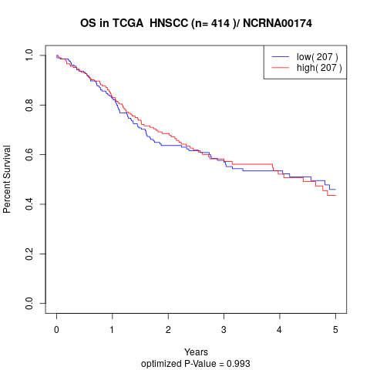

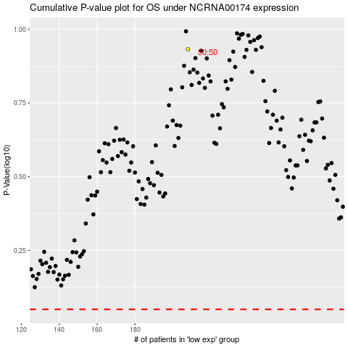

 |  |  |  |  |  | cases_OS | p_OS | rank | exp
 |  |  |  |  |  |  | cases_RFS | p_RFS | rank | exp

