NCRNA00176 _multivariate
Reported by Tex Li-Hsing Chi. tex@gate.sinica.edu.tw 2019-08-17

Table 2. The clinicopathological features of HNSCC cohort and NCRNA00176 expression. (Chi square test)
Cutoff at -0.291 (49.8%)
 |  | NCRNA00176 expression |  | NCRNA00176 expression |  | (Optimised)
 | Features | Low | (%) | High | (%) | Case no | P-value | Remark | Matthews
Gender | Female | 137 | 33 | 169 | 40.7 | 415 | 7e-04 | 1 | 0
2 | Male | 70 | 16.9 | 39 | 9.4
Age at diagnosis | <=65y | 139 | 33.5 | 135 | 32.5 | 415 | 0.7044 | 0 | 0
4 | >65y | 68 | 16.4 | 73 | 17.6
Clinical T Status | T1+T2 | 81 | 19.5 | 68 | 16.4 | 415 | 0.206 | 0 | 0
6 | T3+T4 | 126 | 30.4 | 140 | 33.7
Clinical N Status | N0 | 107 | 25.8 | 109 | 26.3 | 415 | 0.9624 | 0 | 0
8 | N1-3 | 100 | 24.1 | 99 | 23.9
Clinical M Status | M0 | 206 | 49.6 | 206 | 49.6 | 415 | 1 | 0 | 0
10 | M1 | 1 | 0.2 | 2 | 0.5
Clinical Stage | Stage I+II | 58 | 14 | 44 | 10.6 | 415 | 0.131 | 0 | 0
12 | Stage III+IV | 149 | 35.9 | 164 | 39.5
Surgical Margin status | Negative | 160 | 38.6 | 158 | 38.1 | 415 | 0.8167 | 0 | 0
14 | Positive | 47 | 11.3 | 50 | 12
Tobacco Exposure | Low | 95 | 22.9 | 66 | 15.9 | 415 | 0.0035 | 1 | 0
16 | High | 112 | 27 | 142 | 34.2

Table 3. Univariate/Multivariate Cox's proportional hazards regression analyses on OS time of NCRNA00176 gene expression in HNSCC

 |  | Univariate |  |  |  | Multivariate
 | Features | HR | CI95%(L) | CI95%(H) | P-value | HR | CI95%(L) | CI95%(H) | P-value
1 | Female | 1 |  |  |  | 1
Gender | Male | 1.157 | 0.843 | 1.587 | 0.367 | 1.126 | 0.801 | 1.582 | 0.495
11 | <=65y | 1 |  |  |  | 1
Age at diagnosis | >65y | 1.329 | 0.99 | 1.784 | 0.058 | 1.428 | 1.05 | 1.944 | 0.023
12 | T1+T2 | 1 |  |  |  | 1
Clinical T Status | T3+T4 | 1.409 | 1.028 | 1.931 | 0.033 | 2.22 | 1.175 | 4.195 | 0.014
13 | N0 | 1 |  |  |  | 1
Clinical N Status | N1-3 | 1.185 | 0.89 | 1.577 | 0.246 | 1.228 | 0.861 | 1.749 | 0.257
14 | M0 | 1 |  |  |  | 1
Clinical M Status | M1 | 4.097 | 1.009 | 16.644 | 0.049 | 9.648 | 2.105 | 44.217 | 0.004
15 | Stage I+II | 1 |  |  |  | 1
Clinical Stage | Stage III+IV | 1.245 | 0.882 | 1.759 | 0.213 | 0.53 | 0.246 | 1.139 | 0.104
16 | Negative | 1 |  |  |  | 1
Surgical Margin status | Positive | 1.591 | 1.155 | 2.191 | 0.004 | 1.7 | 1.231 | 2.348 | 0.001
17 | Low | 1 |  |  |  | 1
Tobacco Exposure | High | 1.364 | 1.008 | 1.844 | 0.044 | 1.544 | 1.114 | 2.14 | 0.009
18 | Low | 1 |  |  |  | 1
RNAseq(z-score) | High | 0.806 | 0.604 | 1.075 | 0.142 | 0.716 | 0.528 | 0.97 | 0.031

Table 4. Univariate/Multivariate Cox's proportional hazards regression analyses on RFS time of NCRNA00176 gene expression in HNSCC

 |  | Univariate |  |  |  | Multivariate
 | Features | HR | CI95%(L) | CI95%(H) | P-value | HR | CI95%(L) | CI95%(H) | P-value
1 | Female | 1 |  |  |  | 1
Gender | Male | 1.157 | 0.843 | 1.587 | 0.367 | 1.126 | 0.801 | 1.582 | 0.495
11 | <=65y | 1 |  |  |  | 1
Age at diagnosis | >65y | 1.329 | 0.99 | 1.784 | 0.058 | 1.428 | 1.05 | 1.944 | 0.023
12 | T1+T2 | 1 |  |  |  | 1
Clinical T Status | T3+T4 | 1.409 | 1.028 | 1.931 | 0.033 | 2.22 | 1.175 | 4.195 | 0.014
13 | N0 | 1 |  |  |  | 1
Clinical N Status | N1-3 | 1.185 | 0.89 | 1.577 | 0.246 | 1.228 | 0.861 | 1.749 | 0.257
14 | M0 | 1 |  |  |  | 1
Clinical M Status | M1 | 4.097 | 1.009 | 16.644 | 0.049 | 9.648 | 2.105 | 44.217 | 0.004
15 | Stage I+II | 1 |  |  |  | 1
Clinical Stage | Stage III+IV | 1.245 | 0.882 | 1.759 | 0.213 | 0.53 | 0.246 | 1.139 | 0.104
16 | Negative | 1 |  |  |  | 1
Surgical Margin status | Positive | 1.591 | 1.155 | 2.191 | 0.004 | 1.7 | 1.231 | 2.348 | 0.001
17 | Low | 1 |  |  |  | 1
Tobacco Exposure | High | 1.364 | 1.008 | 1.844 | 0.044 | 1.544 | 1.114 | 2.14 | 0.009
18 | Low | 1 |  |  |  | 1
RNAseq(z-score) | High | 0.806 | 0.604 | 1.075 | 0.142 | 0.716 | 0.528 | 0.97 | 0.031

Kaplan-Meier survival estimate: Cutoff at -0.291 (49.8%)



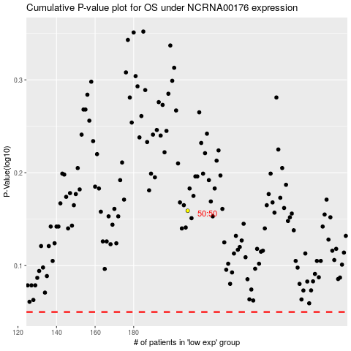

 |  |  |  |  |  | cases_OS | p_OS | rank | exp
 |  |  |  |  |  |  | cases_RFS | p_RFS | rank | exp

