NCRNA00181 _multivariate
Reported by Tex Li-Hsing Chi. tex@gate.sinica.edu.tw 2019-08-17

Table 2. The clinicopathological features of HNSCC cohort and NCRNA00181 expression. (Chi square test)
Cutoff at -0.259 (50.0%)
 |  | NCRNA00181 expression |  | NCRNA00181 expression |  | (Optimised)
 | Features | Low | (%) | High | (%) | Case no | P-value | Remark | Matthews
Gender | Female | 151 | 36.4 | 155 | 37.3 | 415 | 0.8007 | 0 | 0
2 | Male | 56 | 13.5 | 53 | 12.8
Age at diagnosis | <=65y | 130 | 31.3 | 144 | 34.7 | 415 | 0.2009 | 0 | 0
4 | >65y | 77 | 18.6 | 64 | 15.4
Clinical T Status | T1+T2 | 82 | 19.8 | 67 | 16.1 | 415 | 0.1417 | 0 | 0
6 | T3+T4 | 125 | 30.1 | 141 | 34
Clinical N Status | N0 | 113 | 27.2 | 103 | 24.8 | 415 | 0.3495 | 1 | 0
8 | N1-3 | 94 | 22.7 | 105 | 25.3
Clinical M Status | M0 | 206 | 49.6 | 206 | 49.6 | 415 | 1 | 0 | 0
10 | M1 | 1 | 0.2 | 2 | 0.5
Clinical Stage | Stage I+II | 60 | 14.5 | 42 | 10.1 | 415 | 0.0493 | 1 | 0
12 | Stage III+IV | 147 | 35.4 | 166 | 40
Surgical Margin status | Negative | 159 | 38.3 | 159 | 38.3 | 415 | 1 | 0 | 0
14 | Positive | 48 | 11.6 | 49 | 11.8
Tobacco Exposure | Low | 82 | 19.8 | 79 | 19 | 415 | 0.763 | 0 | 0
16 | High | 125 | 30.1 | 129 | 31.1

Table 3. Univariate/Multivariate Cox's proportional hazards regression analyses on OS time of NCRNA00181 gene expression in HNSCC

 |  | Univariate |  |  |  | Multivariate
 | Features | HR | CI95%(L) | CI95%(H) | P-value | HR | CI95%(L) | CI95%(H) | P-value
1 | Female | 1 |  |  |  | 1
Gender | Male | 1.157 | 0.843 | 1.587 | 0.367 | 1.201 | 0.86 | 1.678 | 0.283
11 | <=65y | 1 |  |  |  | 1
Age at diagnosis | >65y | 1.329 | 0.99 | 1.784 | 0.058 | 1.396 | 1.026 | 1.899 | 0.034
12 | T1+T2 | 1 |  |  |  | 1
Clinical T Status | T3+T4 | 1.409 | 1.028 | 1.931 | 0.033 | 2.205 | 1.166 | 4.169 | 0.015
13 | N0 | 1 |  |  |  | 1
Clinical N Status | N1-3 | 1.185 | 0.89 | 1.577 | 0.246 | 1.243 | 0.871 | 1.775 | 0.23
14 | M0 | 1 |  |  |  | 1
Clinical M Status | M1 | 4.097 | 1.009 | 16.644 | 0.049 | 9.312 | 2.027 | 42.783 | 0.004
15 | Stage I+II | 1 |  |  |  | 1
Clinical Stage | Stage III+IV | 1.245 | 0.882 | 1.759 | 0.213 | 0.504 | 0.235 | 1.082 | 0.079
16 | Negative | 1 |  |  |  | 1
Surgical Margin status | Positive | 1.591 | 1.155 | 2.191 | 0.004 | 1.669 | 1.208 | 2.307 | 0.002
17 | Low | 1 |  |  |  | 1
Tobacco Exposure | High | 1.364 | 1.008 | 1.844 | 0.044 | 1.451 | 1.053 | 2 | 0.023
18 | Low | 1 |  |  |  | 1
RNAseq(z-score) | High | 1.041 | 0.782 | 1.386 | 0.784 | 1.036 | 0.776 | 1.383 | 0.812

Table 4. Univariate/Multivariate Cox's proportional hazards regression analyses on RFS time of NCRNA00181 gene expression in HNSCC

 |  | Univariate |  |  |  | Multivariate
 | Features | HR | CI95%(L) | CI95%(H) | P-value | HR | CI95%(L) | CI95%(H) | P-value
1 | Female | 1 |  |  |  | 1
Gender | Male | 1.157 | 0.843 | 1.587 | 0.367 | 1.201 | 0.86 | 1.678 | 0.283
11 | <=65y | 1 |  |  |  | 1
Age at diagnosis | >65y | 1.329 | 0.99 | 1.784 | 0.058 | 1.396 | 1.026 | 1.899 | 0.034
12 | T1+T2 | 1 |  |  |  | 1
Clinical T Status | T3+T4 | 1.409 | 1.028 | 1.931 | 0.033 | 2.205 | 1.166 | 4.169 | 0.015
13 | N0 | 1 |  |  |  | 1
Clinical N Status | N1-3 | 1.185 | 0.89 | 1.577 | 0.246 | 1.243 | 0.871 | 1.775 | 0.23
14 | M0 | 1 |  |  |  | 1
Clinical M Status | M1 | 4.097 | 1.009 | 16.644 | 0.049 | 9.312 | 2.027 | 42.783 | 0.004
15 | Stage I+II | 1 |  |  |  | 1
Clinical Stage | Stage III+IV | 1.245 | 0.882 | 1.759 | 0.213 | 0.504 | 0.235 | 1.082 | 0.079
16 | Negative | 1 |  |  |  | 1
Surgical Margin status | Positive | 1.591 | 1.155 | 2.191 | 0.004 | 1.669 | 1.208 | 2.307 | 0.002
17 | Low | 1 |  |  |  | 1
Tobacco Exposure | High | 1.364 | 1.008 | 1.844 | 0.044 | 1.451 | 1.053 | 2 | 0.023
18 | Low | 1 |  |  |  | 1
RNAseq(z-score) | High | 1.041 | 0.782 | 1.386 | 0.784 | 1.036 | 0.776 | 1.383 | 0.812

Kaplan-Meier survival estimate: Cutoff at -0.259 (50.0%)

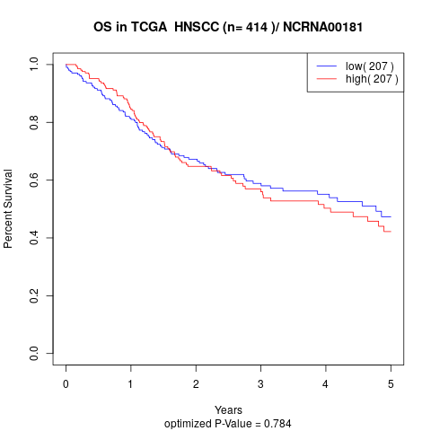

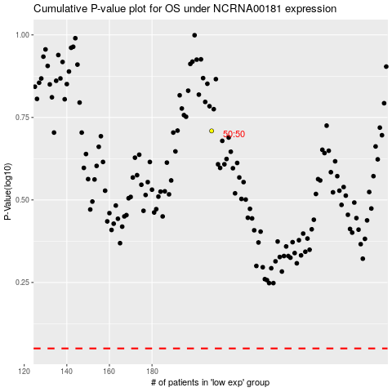

 |  |  |  |  |  | cases_OS | p_OS | rank | exp
 |  |  |  |  |  |  | cases_RFS | p_RFS | rank | exp

