NCRNA00182 _multivariate
Reported by Tex Li-Hsing Chi. tex@gate.sinica.edu.tw 2019-08-17

Table 2. The clinicopathological features of HNSCC cohort and NCRNA00182 expression. (Chi square test)
Cutoff at -0.085 (49.8%)
 |  | NCRNA00182 expression |  | NCRNA00182 expression |  | (Optimised)
 | Features | Low | (%) | High | (%) | Case no | P-value | Remark | Matthews
Gender | Female | 156 | 37.6 | 150 | 36.1 | 415 | 0.5222 | 0 | 0
2 | Male | 51 | 12.3 | 58 | 14
Age at diagnosis | <=65y | 138 | 33.3 | 136 | 32.8 | 415 | 0.8634 | 0 | 0
4 | >65y | 69 | 16.6 | 72 | 17.3
Clinical T Status | T1+T2 | 77 | 18.6 | 72 | 17.3 | 415 | 0.6556 | 0 | 0
6 | T3+T4 | 130 | 31.3 | 136 | 32.8
Clinical N Status | N0 | 103 | 24.8 | 113 | 27.2 | 415 | 0.4047 | 0 | 0
8 | N1-3 | 104 | 25.1 | 95 | 22.9
Clinical M Status | M0 | 204 | 49.2 | 208 | 50.1 | 415 | 0.1232 | 0 | 0
10 | M1 | 3 | 0.7 | 0 | 0
Clinical Stage | Stage I+II | 50 | 12 | 52 | 12.5 | 415 | 0.9315 | 0 | 0
12 | Stage III+IV | 157 | 37.8 | 156 | 37.6
Surgical Margin status | Negative | 158 | 38.1 | 160 | 38.6 | 415 | 0.9081 | 0 | 0
14 | Positive | 49 | 11.8 | 48 | 11.6
Tobacco Exposure | Low | 72 | 17.3 | 89 | 21.4 | 415 | 0.1071 | 0 | 0
16 | High | 135 | 32.5 | 119 | 28.7

Table 3. Univariate/Multivariate Cox's proportional hazards regression analyses on OS time of NCRNA00182 gene expression in HNSCC

 |  | Univariate |  |  |  | Multivariate
 | Features | HR | CI95%(L) | CI95%(H) | P-value | HR | CI95%(L) | CI95%(H) | P-value
1 | Female | 1 |  |  |  | 1
Gender | Male | 1.157 | 0.843 | 1.587 | 0.367 | 1.195 | 0.855 | 1.67 | 0.298
11 | <=65y | 1 |  |  |  | 1
Age at diagnosis | >65y | 1.329 | 0.99 | 1.784 | 0.058 | 1.395 | 1.027 | 1.895 | 0.033
12 | T1+T2 | 1 |  |  |  | 1
Clinical T Status | T3+T4 | 1.409 | 1.028 | 1.931 | 0.033 | 2.222 | 1.175 | 4.202 | 0.014
13 | N0 | 1 |  |  |  | 1
Clinical N Status | N1-3 | 1.185 | 0.89 | 1.577 | 0.246 | 1.237 | 0.867 | 1.764 | 0.24
14 | M0 | 1 |  |  |  | 1
Clinical M Status | M1 | 4.097 | 1.009 | 16.644 | 0.049 | 8.707 | 1.889 | 40.132 | 0.006
15 | Stage I+II | 1 |  |  |  | 1
Clinical Stage | Stage III+IV | 1.245 | 0.882 | 1.759 | 0.213 | 0.506 | 0.236 | 1.084 | 0.08
16 | Negative | 1 |  |  |  | 1
Surgical Margin status | Positive | 1.591 | 1.155 | 2.191 | 0.004 | 1.672 | 1.21 | 2.31 | 0.002
17 | Low | 1 |  |  |  | 1
Tobacco Exposure | High | 1.364 | 1.008 | 1.844 | 0.044 | 1.414 | 1.022 | 1.957 | 0.037
18 | Low | 1 |  |  |  | 1
RNAseq(z-score) | High | 0.817 | 0.612 | 1.09 | 0.17 | 0.847 | 0.63 | 1.138 | 0.271

Table 4. Univariate/Multivariate Cox's proportional hazards regression analyses on RFS time of NCRNA00182 gene expression in HNSCC

 |  | Univariate |  |  |  | Multivariate
 | Features | HR | CI95%(L) | CI95%(H) | P-value | HR | CI95%(L) | CI95%(H) | P-value
1 | Female | 1 |  |  |  | 1
Gender | Male | 1.157 | 0.843 | 1.587 | 0.367 | 1.195 | 0.855 | 1.67 | 0.298
11 | <=65y | 1 |  |  |  | 1
Age at diagnosis | >65y | 1.329 | 0.99 | 1.784 | 0.058 | 1.395 | 1.027 | 1.895 | 0.033
12 | T1+T2 | 1 |  |  |  | 1
Clinical T Status | T3+T4 | 1.409 | 1.028 | 1.931 | 0.033 | 2.222 | 1.175 | 4.202 | 0.014
13 | N0 | 1 |  |  |  | 1
Clinical N Status | N1-3 | 1.185 | 0.89 | 1.577 | 0.246 | 1.237 | 0.867 | 1.764 | 0.24
14 | M0 | 1 |  |  |  | 1
Clinical M Status | M1 | 4.097 | 1.009 | 16.644 | 0.049 | 8.707 | 1.889 | 40.132 | 0.006
15 | Stage I+II | 1 |  |  |  | 1
Clinical Stage | Stage III+IV | 1.245 | 0.882 | 1.759 | 0.213 | 0.506 | 0.236 | 1.084 | 0.08
16 | Negative | 1 |  |  |  | 1
Surgical Margin status | Positive | 1.591 | 1.155 | 2.191 | 0.004 | 1.672 | 1.21 | 2.31 | 0.002
17 | Low | 1 |  |  |  | 1
Tobacco Exposure | High | 1.364 | 1.008 | 1.844 | 0.044 | 1.414 | 1.022 | 1.957 | 0.037
18 | Low | 1 |  |  |  | 1
RNAseq(z-score) | High | 0.817 | 0.612 | 1.09 | 0.17 | 0.847 | 0.63 | 1.138 | 0.271

Kaplan-Meier survival estimate: Cutoff at -0.085 (49.8%)



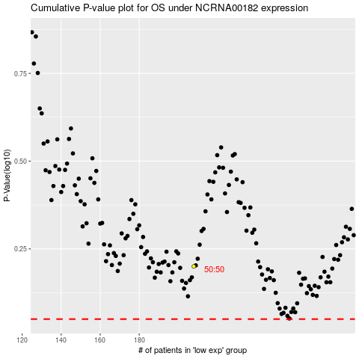

 |  |  |  |  |  | cases_OS | p_OS | rank | exp
 |  |  |  |  |  |  | cases_RFS | p_RFS | rank | exp

