NCRNA00188 _multivariate
Reported by Tex Li-Hsing Chi. tex@gate.sinica.edu.tw 2019-08-17

Table 2. The clinicopathological features of HNSCC cohort and NCRNA00188 expression. (Chi square test)
Cutoff at -0.372 (44.7%)
 |  | NCRNA00188 expression |  | NCRNA00188 expression |  | (Optimised)
 | Features | Low | (%) | High | (%) | Case no | P-value | Remark | Matthews
Gender | Female | 134 | 32.3 | 172 | 41.4 | 415 | 0.5527 | 0 | 0
2 | Male | 52 | 12.5 | 57 | 13.7
Age at diagnosis | <=65y | 132 | 31.8 | 142 | 34.2 | 415 | 0.07 | 0 | 0
4 | >65y | 54 | 13 | 87 | 21
Clinical T Status | T1+T2 | 75 | 18.1 | 74 | 17.8 | 415 | 0.1122 | 0 | 0
6 | T3+T4 | 111 | 26.7 | 155 | 37.3
Clinical N Status | N0 | 95 | 22.9 | 121 | 29.2 | 415 | 0.7958 | 0 | 0
8 | N1-3 | 91 | 21.9 | 108 | 26
Clinical M Status | M0 | 186 | 44.8 | 226 | 54.5 | 415 | 0.2563 | 0 | 0
10 | M1 | 0 | 0 | 3 | 0.7
Clinical Stage | Stage I+II | 51 | 12.3 | 51 | 12.3 | 415 | 0.2727 | 0 | 0
12 | Stage III+IV | 135 | 32.5 | 178 | 42.9
Surgical Margin status | Negative | 145 | 34.9 | 173 | 41.7 | 415 | 0.641 | 0 | 0
14 | Positive | 41 | 9.9 | 56 | 13.5
Tobacco Exposure | Low | 72 | 17.3 | 89 | 21.4 | 415 | 1 | 0 | 0
16 | High | 114 | 27.5 | 140 | 33.7

Table 3. Univariate/Multivariate Cox's proportional hazards regression analyses on OS time of NCRNA00188 gene expression in HNSCC

 |  | Univariate |  |  |  | Multivariate
 | Features | HR | CI95%(L) | CI95%(H) | P-value | HR | CI95%(L) | CI95%(H) | P-value
1 | Female | 1 |  |  |  | 1
Gender | Male | 1.157 | 0.843 | 1.587 | 0.367 | 1.207 | 0.864 | 1.687 | 0.271
11 | <=65y | 1 |  |  |  | 1
Age at diagnosis | >65y | 1.329 | 0.99 | 1.784 | 0.058 | 1.373 | 1.01 | 1.866 | 0.043
12 | T1+T2 | 1 |  |  |  | 1
Clinical T Status | T3+T4 | 1.409 | 1.028 | 1.931 | 0.033 | 2.175 | 1.151 | 4.113 | 0.017
13 | N0 | 1 |  |  |  | 1
Clinical N Status | N1-3 | 1.185 | 0.89 | 1.577 | 0.246 | 1.252 | 0.878 | 1.786 | 0.215
14 | M0 | 1 |  |  |  | 1
Clinical M Status | M1 | 4.097 | 1.009 | 16.644 | 0.049 | 8.425 | 1.827 | 38.839 | 0.006
15 | Stage I+II | 1 |  |  |  | 1
Clinical Stage | Stage III+IV | 1.245 | 0.882 | 1.759 | 0.213 | 0.491 | 0.229 | 1.053 | 0.068
16 | Negative | 1 |  |  |  | 1
Surgical Margin status | Positive | 1.591 | 1.155 | 2.191 | 0.004 | 1.669 | 1.208 | 2.307 | 0.002
17 | Low | 1 |  |  |  | 1
Tobacco Exposure | High | 1.364 | 1.008 | 1.844 | 0.044 | 1.463 | 1.06 | 2.018 | 0.021
18 | Low | 1 |  |  |  | 1
RNAseq(z-score) | High | 1.341 | 1.002 | 1.794 | 0.049 | 1.272 | 0.947 | 1.71 | 0.11

Table 4. Univariate/Multivariate Cox's proportional hazards regression analyses on RFS time of NCRNA00188 gene expression in HNSCC

 |  | Univariate |  |  |  | Multivariate
 | Features | HR | CI95%(L) | CI95%(H) | P-value | HR | CI95%(L) | CI95%(H) | P-value
1 | Female | 1 |  |  |  | 1
Gender | Male | 1.157 | 0.843 | 1.587 | 0.367 | 1.207 | 0.864 | 1.687 | 0.271
11 | <=65y | 1 |  |  |  | 1
Age at diagnosis | >65y | 1.329 | 0.99 | 1.784 | 0.058 | 1.373 | 1.01 | 1.866 | 0.043
12 | T1+T2 | 1 |  |  |  | 1
Clinical T Status | T3+T4 | 1.409 | 1.028 | 1.931 | 0.033 | 2.175 | 1.151 | 4.113 | 0.017
13 | N0 | 1 |  |  |  | 1
Clinical N Status | N1-3 | 1.185 | 0.89 | 1.577 | 0.246 | 1.252 | 0.878 | 1.786 | 0.215
14 | M0 | 1 |  |  |  | 1
Clinical M Status | M1 | 4.097 | 1.009 | 16.644 | 0.049 | 8.425 | 1.827 | 38.839 | 0.006
15 | Stage I+II | 1 |  |  |  | 1
Clinical Stage | Stage III+IV | 1.245 | 0.882 | 1.759 | 0.213 | 0.491 | 0.229 | 1.053 | 0.068
16 | Negative | 1 |  |  |  | 1
Surgical Margin status | Positive | 1.591 | 1.155 | 2.191 | 0.004 | 1.669 | 1.208 | 2.307 | 0.002
17 | Low | 1 |  |  |  | 1
Tobacco Exposure | High | 1.364 | 1.008 | 1.844 | 0.044 | 1.463 | 1.06 | 2.018 | 0.021
18 | Low | 1 |  |  |  | 1
RNAseq(z-score) | High | 1.341 | 1.002 | 1.794 | 0.049 | 1.272 | 0.947 | 1.71 | 0.11

Kaplan-Meier survival estimate: Cutoff at -0.372 (44.7%)



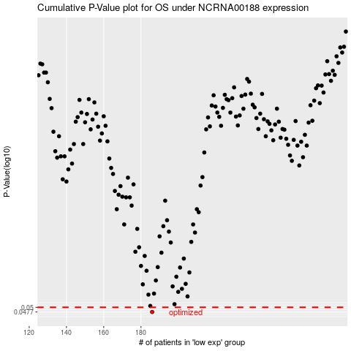

 |  |  |  |  |  | cases_OS | p_OS | rank | exp
 |  |  |  |  |  | 186 | 0.0477 | 56 | -0.37242643116
 |  |  |  |  |  |  | cases_RFS | p_RFS | rank | exp
 |  |  |  |  |  |  | 185 | 0.0477 | 19 | -0.37395100604

