NCRNA00202 _multivariate
Reported by Tex Li-Hsing Chi. tex@gate.sinica.edu.tw 2019-08-17

Table 2. The clinicopathological features of HNSCC cohort and NCRNA00202 expression. (Chi square test)
Cutoff at -0.175 (65.9%)
 |  | NCRNA00202 expression |  | NCRNA00202 expression |  | (Optimised)
 | Features | Low | (%) | High | (%) | Case no | P-value | Remark | Matthews
Gender | Female | 203 | 48.9 | 103 | 24.8 | 415 | 0.7772 | 0 | 0
2 | Male | 70 | 16.9 | 39 | 9.4
Age at diagnosis | <=65y | 178 | 42.9 | 96 | 23.1 | 415 | 0.7029 | 0 | 0
4 | >65y | 95 | 22.9 | 46 | 11.1
Clinical T Status | T1+T2 | 97 | 23.4 | 52 | 12.5 | 415 | 0.9112 | 0 | 0
6 | T3+T4 | 176 | 42.4 | 90 | 21.7
Clinical N Status | N0 | 142 | 34.2 | 74 | 17.8 | 415 | 1 | 0 | 0
8 | N1-3 | 131 | 31.6 | 68 | 16.4
Clinical M Status | M0 | 271 | 65.3 | 141 | 34 | 415 | 1 | 0 | 0
10 | M1 | 2 | 0.5 | 1 | 0.2
Clinical Stage | Stage I+II | 70 | 16.9 | 32 | 7.7 | 415 | 0.5639 | 0 | 0
12 | Stage III+IV | 203 | 48.9 | 110 | 26.5
Surgical Margin status | Negative | 215 | 51.8 | 103 | 24.8 | 415 | 0.1788 | 0 | 0
14 | Positive | 58 | 14 | 39 | 9.4
Tobacco Exposure | Low | 112 | 27 | 49 | 11.8 | 415 | 0.2044 | 0 | 0
16 | High | 161 | 38.8 | 93 | 22.4

Table 3. Univariate/Multivariate Cox's proportional hazards regression analyses on OS time of NCRNA00202 gene expression in HNSCC

 |  | Univariate |  |  |  | Multivariate
 | Features | HR | CI95%(L) | CI95%(H) | P-value | HR | CI95%(L) | CI95%(H) | P-value
1 | Female | 1 |  |  |  | 1
Gender | Male | 1.157 | 0.843 | 1.587 | 0.367 | 1.237 | 0.886 | 1.728 | 0.211
11 | <=65y | 1 |  |  |  | 1
Age at diagnosis | >65y | 1.329 | 0.99 | 1.784 | 0.058 | 1.383 | 1.017 | 1.879 | 0.039
12 | T1+T2 | 1 |  |  |  | 1
Clinical T Status | T3+T4 | 1.409 | 1.028 | 1.931 | 0.033 | 2.111 | 1.116 | 3.993 | 0.022
13 | N0 | 1 |  |  |  | 1
Clinical N Status | N1-3 | 1.185 | 0.89 | 1.577 | 0.246 | 1.225 | 0.859 | 1.747 | 0.263
14 | M0 | 1 |  |  |  | 1
Clinical M Status | M1 | 4.097 | 1.009 | 16.644 | 0.049 | 8.686 | 1.891 | 39.891 | 0.005
15 | Stage I+II | 1 |  |  |  | 1
Clinical Stage | Stage III+IV | 1.245 | 0.882 | 1.759 | 0.213 | 0.539 | 0.251 | 1.158 | 0.113
16 | Negative | 1 |  |  |  | 1
Surgical Margin status | Positive | 1.591 | 1.155 | 2.191 | 0.004 | 1.762 | 1.273 | 2.44 | 0.001
17 | Low | 1 |  |  |  | 1
Tobacco Exposure | High | 1.364 | 1.008 | 1.844 | 0.044 | 1.599 | 1.152 | 2.22 | 0.005
18 | Low | 1 |  |  |  | 1
RNAseq(z-score) | High | 0.671 | 0.483 | 0.931 | 0.017 | 0.606 | 0.433 | 0.849 | 0.004

Table 4. Univariate/Multivariate Cox's proportional hazards regression analyses on RFS time of NCRNA00202 gene expression in HNSCC

 |  | Univariate |  |  |  | Multivariate
 | Features | HR | CI95%(L) | CI95%(H) | P-value | HR | CI95%(L) | CI95%(H) | P-value
1 | Female | 1 |  |  |  | 1
Gender | Male | 1.157 | 0.843 | 1.587 | 0.367 | 1.237 | 0.886 | 1.728 | 0.211
11 | <=65y | 1 |  |  |  | 1
Age at diagnosis | >65y | 1.329 | 0.99 | 1.784 | 0.058 | 1.383 | 1.017 | 1.879 | 0.039
12 | T1+T2 | 1 |  |  |  | 1
Clinical T Status | T3+T4 | 1.409 | 1.028 | 1.931 | 0.033 | 2.111 | 1.116 | 3.993 | 0.022
13 | N0 | 1 |  |  |  | 1
Clinical N Status | N1-3 | 1.185 | 0.89 | 1.577 | 0.246 | 1.225 | 0.859 | 1.747 | 0.263
14 | M0 | 1 |  |  |  | 1
Clinical M Status | M1 | 4.097 | 1.009 | 16.644 | 0.049 | 8.686 | 1.891 | 39.891 | 0.005
15 | Stage I+II | 1 |  |  |  | 1
Clinical Stage | Stage III+IV | 1.245 | 0.882 | 1.759 | 0.213 | 0.539 | 0.251 | 1.158 | 0.113
16 | Negative | 1 |  |  |  | 1
Surgical Margin status | Positive | 1.591 | 1.155 | 2.191 | 0.004 | 1.762 | 1.273 | 2.44 | 0.001
17 | Low | 1 |  |  |  | 1
Tobacco Exposure | High | 1.364 | 1.008 | 1.844 | 0.044 | 1.599 | 1.152 | 2.22 | 0.005
18 | Low | 1 |  |  |  | 1
RNAseq(z-score) | High | 0.671 | 0.483 | 0.931 | 0.017 | 0.606 | 0.433 | 0.849 | 0.004

Kaplan-Meier survival estimate: Cutoff at -0.175 (65.9%)

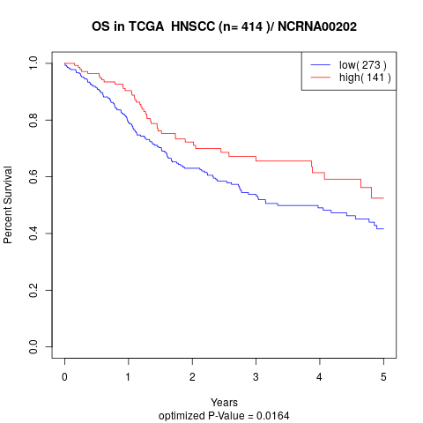

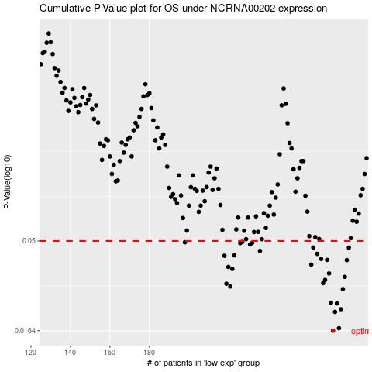

 |  |  |  |  |  | cases_OS | p_OS | rank | exp
 |  |  |  |  |  | 273 | 0.0164 | 150 | -0.17452185559
 |  |  |  |  |  | 276 | 0.0169 | 130 | -0.16980187666
 |  |  |  |  |  | 274 | 0.0207 | 331 | -0.17428706513
 |  |  |  |  |  | 277 | 0.0214 | 105 | -0.16294806674
 |  |  |  |  |  | 275 | 0.023 | 1 | -0.17036813602
 |  |  |  |  |  | 272 | 0.0232 | 80 | -0.17507775655
 |  |  |  |  |  | 278 | 0.0275 | 96 | -0.15694709865
 |  |  |  |  |  | 221 | 0.0284 | 139 | -0.24151310004
 |  |  |  |  |  | 219 | 0.0294 | 30 | -0.24339487657
 |  |  |  |  |  | 268 | 0.0296 | 356 | -0.18136530712
 |  |  |  |  |  | 269 | 0.0308 | 127 | -0.18076797255
 |  |  |  |  |  | 279 | 0.032 | 365 | -0.15386029458
 |  |  |  |  |  | 271 | 0.0334 | 276 | -0.1759858432
 |  |  |  |  |  | 222 | 0.0353 | 157 | -0.24116436714
 |  |  |  |  |  | 220 | 0.0362 | 220 | -0.24287695642
 |  |  |  |  |  | 262 | 0.0373 | 402 | -0.19205517892
 |  |  |  |  |  | 280 | 0.0394 | 235 | -0.15195089564
 |  |  |  |  |  | 270 | 0.0395 | 322 | -0.17890000722
 |  |  |  |  |  | 267 | 0.04 | 52 | -0.18509433217
 |  |  |  |  |  | 218 | 0.0416 | 155 | -0.24717569363
 |  |  |  |  |  | 223 | 0.0418 | 57 | -0.24042546773
 |  |  |  |  |  | 265 | 0.0426 | 329 | -0.19082943458
 |  |  |  |  |  | 236 | 0.0442 | 102 | -0.227860725
 |  |  |  |  |  | 281 | 0.046 | 353 | -0.14925080528
 |  |  |  |  |  | 263 | 0.0461 | 36 | -0.19179967165
 |  |  |  |  |  | 231 | 0.0479 | 28 | -0.23327126412
 |  |  |  |  |  | 226 | 0.0487 | 13 | -0.2378427726
 |  |  |  |  |  | 232 | 0.0488 | 336 | -0.23039508091
 |  |  |  |  |  | 198 | 0.0492 | 311 | -0.26633873902
 |  |  |  |  |  | 227 | 0.0494 | 100 | -0.23672406509
 |  |  |  |  |  |  | cases_RFS | p_RFS | rank | exp
 |  |  |  |  |  |  | 272 | 0.0164 | 80 | -0.17507775655
 |  |  |  |  |  |  | 275 | 0.0169 | 1 | -0.17036813602
 |  |  |  |  |  |  | 273 | 0.0207 | 150 | -0.17452185559
 |  |  |  |  |  |  | 276 | 0.0214 | 130 | -0.16980187666
 |  |  |  |  |  |  | 274 | 0.023 | 331 | -0.17428706513
 |  |  |  |  |  |  | 271 | 0.0232 | 276 | -0.1759858432
 |  |  |  |  |  |  | 277 | 0.0275 | 105 | -0.16294806674
 |  |  |  |  |  |  | 220 | 0.0284 | 220 | -0.24287695642
 |  |  |  |  |  |  | 218 | 0.0294 | 155 | -0.24717569363
 |  |  |  |  |  |  | 267 | 0.0296 | 52 | -0.18509433217
 |  |  |  |  |  |  | 268 | 0.0308 | 356 | -0.18136530712
 |  |  |  |  |  |  | 278 | 0.032 | 96 | -0.15694709865
 |  |  |  |  |  |  | 270 | 0.0334 | 322 | -0.17890000722
 |  |  |  |  |  |  | 221 | 0.0353 | 139 | -0.24151310004
 |  |  |  |  |  |  | 219 | 0.0362 | 30 | -0.24339487657
 |  |  |  |  |  |  | 261 | 0.0373 | 99 | -0.19361584496
 |  |  |  |  |  |  | 279 | 0.0394 | 365 | -0.15386029458
 |  |  |  |  |  |  | 269 | 0.0395 | 127 | -0.18076797255
 |  |  |  |  |  |  | 266 | 0.04 | 181 | -0.19034604244
 |  |  |  |  |  |  | 217 | 0.0416 | 201 | -0.2481252139
 |  |  |  |  |  |  | 222 | 0.0418 | 157 | -0.24116436714
 |  |  |  |  |  |  | 264 | 0.0426 | 249 | -0.19141986355
 |  |  |  |  |  |  | 235 | 0.0442 | 86 | -0.22898288531
 |  |  |  |  |  |  | 280 | 0.046 | 235 | -0.15195089564
 |  |  |  |  |  |  | 262 | 0.0461 | 402 | -0.19205517892
 |  |  |  |  |  |  | 230 | 0.0479 | 297 | -0.23339901775
 |  |  |  |  |  |  | 225 | 0.0487 | 115 | -0.23966585152
 |  |  |  |  |  |  | 231 | 0.0488 | 28 | -0.23327126412
 |  |  |  |  |  |  | 197 | 0.0492 | 191 | -0.26683248956
 |  |  |  |  |  |  | 226 | 0.0494 | 13 | -0.2378427726

