NCRNA00204B _multivariate
Reported by Tex Li-Hsing Chi. tex@gate.sinica.edu.tw 2019-08-17

Table 2. The clinicopathological features of HNSCC cohort and NCRNA00204B expression. (Chi square test)
Cutoff at -0.329 (50.0%)
 |  | NCRNA00204B expression |  | NCRNA00204B expression |  | (Optimised)
 | Features | Low | (%) | High | (%) | Case no | P-value | Remark | Matthews
Gender | Female | 153 | 36.9 | 153 | 36.9 | 415 | 1 | 0 | 0
2 | Male | 54 | 13 | 55 | 13.3
Age at diagnosis | <=65y | 133 | 32 | 141 | 34 | 415 | 0.5111 | 0 | 0
4 | >65y | 74 | 17.8 | 67 | 16.1
Clinical T Status | T1+T2 | 70 | 16.9 | 79 | 19 | 415 | 0.4343 | 0 | 0
6 | T3+T4 | 137 | 33 | 129 | 31.1
Clinical N Status | N0 | 111 | 26.7 | 105 | 25.3 | 415 | 0.5875 | 0 | 0
8 | N1-3 | 96 | 23.1 | 103 | 24.8
Clinical M Status | M0 | 207 | 49.9 | 205 | 49.4 | 415 | 0.2482 | 0 | 0
10 | M1 | 0 | 0 | 3 | 0.7
Clinical Stage | Stage I+II | 52 | 12.5 | 50 | 12 | 415 | 0.8871 | 0 | 0
12 | Stage III+IV | 155 | 37.3 | 158 | 38.1
Surgical Margin status | Negative | 160 | 38.6 | 158 | 38.1 | 415 | 0.8167 | 0 | 0
14 | Positive | 47 | 11.3 | 50 | 12
Tobacco Exposure | Low | 85 | 20.5 | 76 | 18.3 | 415 | 0.3655 | 0 | 0
16 | High | 122 | 29.4 | 132 | 31.8

Table 3. Univariate/Multivariate Cox's proportional hazards regression analyses on OS time of NCRNA00204B gene expression in HNSCC

 |  | Univariate |  |  |  | Multivariate
 | Features | HR | CI95%(L) | CI95%(H) | P-value | HR | CI95%(L) | CI95%(H) | P-value
1 | Female | 1 |  |  |  | 1
Gender | Male | 1.157 | 0.843 | 1.587 | 0.367 | 1.209 | 0.865 | 1.688 | 0.266
11 | <=65y | 1 |  |  |  | 1
Age at diagnosis | >65y | 1.329 | 0.99 | 1.784 | 0.058 | 1.404 | 1.032 | 1.911 | 0.031
12 | T1+T2 | 1 |  |  |  | 1
Clinical T Status | T3+T4 | 1.409 | 1.028 | 1.931 | 0.033 | 2.165 | 1.144 | 4.099 | 0.018
13 | N0 | 1 |  |  |  | 1
Clinical N Status | N1-3 | 1.185 | 0.89 | 1.577 | 0.246 | 1.235 | 0.865 | 1.763 | 0.245
14 | M0 | 1 |  |  |  | 1
Clinical M Status | M1 | 4.097 | 1.009 | 16.644 | 0.049 | 9.904 | 2.149 | 45.649 | 0.003
15 | Stage I+II | 1 |  |  |  | 1
Clinical Stage | Stage III+IV | 1.245 | 0.882 | 1.759 | 0.213 | 0.515 | 0.239 | 1.106 | 0.089
16 | Negative | 1 |  |  |  | 1
Surgical Margin status | Positive | 1.591 | 1.155 | 2.191 | 0.004 | 1.683 | 1.218 | 2.326 | 0.002
17 | Low | 1 |  |  |  | 1
Tobacco Exposure | High | 1.364 | 1.008 | 1.844 | 0.044 | 1.479 | 1.07 | 2.045 | 0.018
18 | Low | 1 |  |  |  | 1
RNAseq(z-score) | High | 0.95 | 0.713 | 1.267 | 0.728 | 0.888 | 0.662 | 1.19 | 0.426

Table 4. Univariate/Multivariate Cox's proportional hazards regression analyses on RFS time of NCRNA00204B gene expression in HNSCC

 |  | Univariate |  |  |  | Multivariate
 | Features | HR | CI95%(L) | CI95%(H) | P-value | HR | CI95%(L) | CI95%(H) | P-value
1 | Female | 1 |  |  |  | 1
Gender | Male | 1.157 | 0.843 | 1.587 | 0.367 | 1.209 | 0.865 | 1.688 | 0.266
11 | <=65y | 1 |  |  |  | 1
Age at diagnosis | >65y | 1.329 | 0.99 | 1.784 | 0.058 | 1.404 | 1.032 | 1.911 | 0.031
12 | T1+T2 | 1 |  |  |  | 1
Clinical T Status | T3+T4 | 1.409 | 1.028 | 1.931 | 0.033 | 2.165 | 1.144 | 4.099 | 0.018
13 | N0 | 1 |  |  |  | 1
Clinical N Status | N1-3 | 1.185 | 0.89 | 1.577 | 0.246 | 1.235 | 0.865 | 1.763 | 0.245
14 | M0 | 1 |  |  |  | 1
Clinical M Status | M1 | 4.097 | 1.009 | 16.644 | 0.049 | 9.904 | 2.149 | 45.649 | 0.003
15 | Stage I+II | 1 |  |  |  | 1
Clinical Stage | Stage III+IV | 1.245 | 0.882 | 1.759 | 0.213 | 0.515 | 0.239 | 1.106 | 0.089
16 | Negative | 1 |  |  |  | 1
Surgical Margin status | Positive | 1.591 | 1.155 | 2.191 | 0.004 | 1.683 | 1.218 | 2.326 | 0.002
17 | Low | 1 |  |  |  | 1
Tobacco Exposure | High | 1.364 | 1.008 | 1.844 | 0.044 | 1.479 | 1.07 | 2.045 | 0.018
18 | Low | 1 |  |  |  | 1
RNAseq(z-score) | High | 0.95 | 0.713 | 1.267 | 0.728 | 0.888 | 0.662 | 1.19 | 0.426

Kaplan-Meier survival estimate: Cutoff at -0.329 (50.0%)

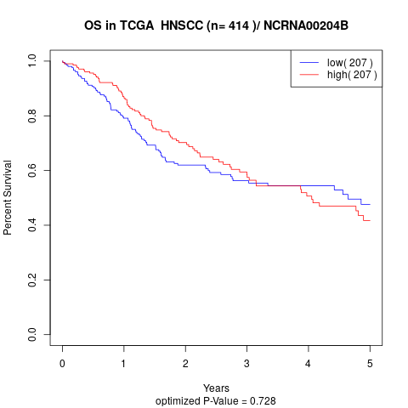

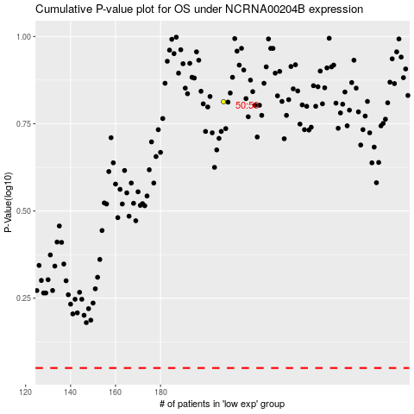

 |  |  |  |  |  | cases_OS | p_OS | rank | exp
 |  |  |  |  |  |  | cases_RFS | p_RFS | rank | exp

