NCRNA00219 _multivariate
Reported by Tex Li-Hsing Chi. tex@gate.sinica.edu.tw 2019-08-17

Table 2. The clinicopathological features of HNSCC cohort and NCRNA00219 expression. (Chi square test)
Cutoff at -0.365 (49.8%)
 |  | NCRNA00219 expression |  | NCRNA00219 expression |  | (Optimised)
 | Features | Low | (%) | High | (%) | Case no | P-value | Remark | Matthews
Gender | Female | 151 | 36.4 | 155 | 37.3 | 415 | 0.8007 | 0 | 0
2 | Male | 56 | 13.5 | 53 | 12.8
Age at diagnosis | <=65y | 142 | 34.2 | 132 | 31.8 | 415 | 0.3167 | 0 | 0
4 | >65y | 65 | 15.7 | 76 | 18.3
Clinical T Status | T1+T2 | 78 | 18.8 | 71 | 17.1 | 415 | 0.5152 | 0 | 0
6 | T3+T4 | 129 | 31.1 | 137 | 33
Clinical N Status | N0 | 109 | 26.3 | 107 | 25.8 | 415 | 0.8812 | 0 | 0
8 | N1-3 | 98 | 23.6 | 101 | 24.3
Clinical M Status | M0 | 206 | 49.6 | 206 | 49.6 | 415 | 1 | 0 | 0
10 | M1 | 1 | 0.2 | 2 | 0.5
Clinical Stage | Stage I+II | 56 | 13.5 | 46 | 11.1 | 415 | 0.2918 | 0 | 0
12 | Stage III+IV | 151 | 36.4 | 162 | 39
Surgical Margin status | Negative | 165 | 39.8 | 153 | 36.9 | 415 | 0.1639 | 0 | 0
14 | Positive | 42 | 10.1 | 55 | 13.3
Tobacco Exposure | Low | 81 | 19.5 | 80 | 19.3 | 415 | 0.9199 | 0 | 0
16 | High | 126 | 30.4 | 128 | 30.8

Table 3. Univariate/Multivariate Cox's proportional hazards regression analyses on OS time of NCRNA00219 gene expression in HNSCC

 |  | Univariate |  |  |  | Multivariate
 | Features | HR | CI95%(L) | CI95%(H) | P-value | HR | CI95%(L) | CI95%(H) | P-value
1 | Female | 1 |  |  |  | 1
Gender | Male | 1.157 | 0.843 | 1.587 | 0.367 | 1.192 | 0.853 | 1.666 | 0.302
11 | <=65y | 1 |  |  |  | 1
Age at diagnosis | >65y | 1.329 | 0.99 | 1.784 | 0.058 | 1.414 | 1.039 | 1.926 | 0.028
12 | T1+T2 | 1 |  |  |  | 1
Clinical T Status | T3+T4 | 1.409 | 1.028 | 1.931 | 0.033 | 2.181 | 1.153 | 4.126 | 0.017
13 | N0 | 1 |  |  |  | 1
Clinical N Status | N1-3 | 1.185 | 0.89 | 1.577 | 0.246 | 1.248 | 0.874 | 1.78 | 0.223
14 | M0 | 1 |  |  |  | 1
Clinical M Status | M1 | 4.097 | 1.009 | 16.644 | 0.049 | 9.498 | 2.072 | 43.541 | 0.004
15 | Stage I+II | 1 |  |  |  | 1
Clinical Stage | Stage III+IV | 1.245 | 0.882 | 1.759 | 0.213 | 0.516 | 0.24 | 1.109 | 0.09
16 | Negative | 1 |  |  |  | 1
Surgical Margin status | Positive | 1.591 | 1.155 | 2.191 | 0.004 | 1.7 | 1.228 | 2.352 | 0.001
17 | Low | 1 |  |  |  | 1
Tobacco Exposure | High | 1.364 | 1.008 | 1.844 | 0.044 | 1.447 | 1.05 | 1.994 | 0.024
18 | Low | 1 |  |  |  | 1
RNAseq(z-score) | High | 0.874 | 0.656 | 1.166 | 0.361 | 0.831 | 0.621 | 1.113 | 0.214

Table 4. Univariate/Multivariate Cox's proportional hazards regression analyses on RFS time of NCRNA00219 gene expression in HNSCC

 |  | Univariate |  |  |  | Multivariate
 | Features | HR | CI95%(L) | CI95%(H) | P-value | HR | CI95%(L) | CI95%(H) | P-value
1 | Female | 1 |  |  |  | 1
Gender | Male | 1.157 | 0.843 | 1.587 | 0.367 | 1.192 | 0.853 | 1.666 | 0.302
11 | <=65y | 1 |  |  |  | 1
Age at diagnosis | >65y | 1.329 | 0.99 | 1.784 | 0.058 | 1.414 | 1.039 | 1.926 | 0.028
12 | T1+T2 | 1 |  |  |  | 1
Clinical T Status | T3+T4 | 1.409 | 1.028 | 1.931 | 0.033 | 2.181 | 1.153 | 4.126 | 0.017
13 | N0 | 1 |  |  |  | 1
Clinical N Status | N1-3 | 1.185 | 0.89 | 1.577 | 0.246 | 1.248 | 0.874 | 1.78 | 0.223
14 | M0 | 1 |  |  |  | 1
Clinical M Status | M1 | 4.097 | 1.009 | 16.644 | 0.049 | 9.498 | 2.072 | 43.541 | 0.004
15 | Stage I+II | 1 |  |  |  | 1
Clinical Stage | Stage III+IV | 1.245 | 0.882 | 1.759 | 0.213 | 0.516 | 0.24 | 1.109 | 0.09
16 | Negative | 1 |  |  |  | 1
Surgical Margin status | Positive | 1.591 | 1.155 | 2.191 | 0.004 | 1.7 | 1.228 | 2.352 | 0.001
17 | Low | 1 |  |  |  | 1
Tobacco Exposure | High | 1.364 | 1.008 | 1.844 | 0.044 | 1.447 | 1.05 | 1.994 | 0.024
18 | Low | 1 |  |  |  | 1
RNAseq(z-score) | High | 0.874 | 0.656 | 1.166 | 0.361 | 0.831 | 0.621 | 1.113 | 0.214

Kaplan-Meier survival estimate: Cutoff at -0.365 (49.8%)



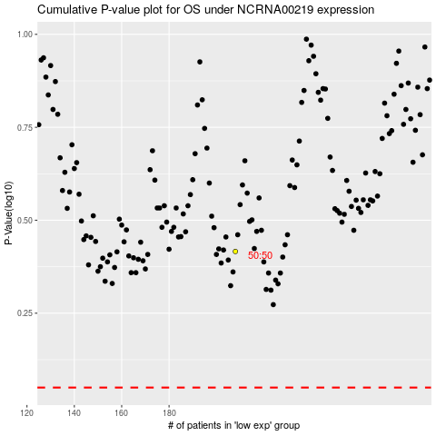

 |  |  |  |  |  | cases_OS | p_OS | rank | exp
 |  |  |  |  |  |  | cases_RFS | p_RFS | rank | exp

