NCRNA00235 _multivariate
Reported by Tex Li-Hsing Chi. tex@gate.sinica.edu.tw 2019-08-17

Table 2. The clinicopathological features of HNSCC cohort and NCRNA00235 expression. (Chi square test)
Cutoff at -0.305 (49.8%)
 |  | NCRNA00235 expression |  | NCRNA00235 expression |  | (Optimised)
 | Features | Low | (%) | High | (%) | Case no | P-value | Remark | Matthews
Gender | Female | 149 | 35.9 | 157 | 37.8 | 415 | 0.4848 | 0 | 0
2 | Male | 58 | 14 | 51 | 12.3
Age at diagnosis | <=65y | 147 | 35.4 | 127 | 30.6 | 415 | 0.0416 | 1 | 0
4 | >65y | 60 | 14.5 | 81 | 19.5
Clinical T Status | T1+T2 | 76 | 18.3 | 73 | 17.6 | 415 | 0.8092 | 0 | 0
6 | T3+T4 | 131 | 31.6 | 135 | 32.5
Clinical N Status | N0 | 103 | 24.8 | 113 | 27.2 | 415 | 0.4047 | 0 | 0
8 | N1-3 | 104 | 25.1 | 95 | 22.9
Clinical M Status | M0 | 207 | 49.9 | 205 | 49.4 | 415 | 0.2482 | 0 | 0
10 | M1 | 0 | 0 | 3 | 0.7
Clinical Stage | Stage I+II | 56 | 13.5 | 46 | 11.1 | 415 | 0.2918 | 0 | 0
12 | Stage III+IV | 151 | 36.4 | 162 | 39
Surgical Margin status | Negative | 160 | 38.6 | 158 | 38.1 | 415 | 0.8167 | 0 | 0
14 | Positive | 47 | 11.3 | 50 | 12
Tobacco Exposure | Low | 82 | 19.8 | 79 | 19 | 415 | 0.763 | 0 | 0
16 | High | 125 | 30.1 | 129 | 31.1

Table 3. Univariate/Multivariate Cox's proportional hazards regression analyses on OS time of NCRNA00235 gene expression in HNSCC

 |  | Univariate |  |  |  | Multivariate
 | Features | HR | CI95%(L) | CI95%(H) | P-value | HR | CI95%(L) | CI95%(H) | P-value
1 | Female | 1 |  |  |  | 1
Gender | Male | 1.157 | 0.843 | 1.587 | 0.367 | 1.216 | 0.869 | 1.701 | 0.253
11 | <=65y | 1 |  |  |  | 1
Age at diagnosis | >65y | 1.329 | 0.99 | 1.784 | 0.058 | 1.368 | 1.004 | 1.865 | 0.047
12 | T1+T2 | 1 |  |  |  | 1
Clinical T Status | T3+T4 | 1.409 | 1.028 | 1.931 | 0.033 | 2.243 | 1.184 | 4.246 | 0.013
13 | N0 | 1 |  |  |  | 1
Clinical N Status | N1-3 | 1.185 | 0.89 | 1.577 | 0.246 | 1.259 | 0.881 | 1.8 | 0.207
14 | M0 | 1 |  |  |  | 1
Clinical M Status | M1 | 4.097 | 1.009 | 16.644 | 0.049 | 8.973 | 1.95 | 41.291 | 0.005
15 | Stage I+II | 1 |  |  |  | 1
Clinical Stage | Stage III+IV | 1.245 | 0.882 | 1.759 | 0.213 | 0.485 | 0.225 | 1.048 | 0.066
16 | Negative | 1 |  |  |  | 1
Surgical Margin status | Positive | 1.591 | 1.155 | 2.191 | 0.004 | 1.669 | 1.208 | 2.306 | 0.002
17 | Low | 1 |  |  |  | 1
Tobacco Exposure | High | 1.364 | 1.008 | 1.844 | 0.044 | 1.453 | 1.054 | 2.002 | 0.022
18 | Low | 1 |  |  |  | 1
RNAseq(z-score) | High | 1.169 | 0.874 | 1.564 | 0.293 | 1.135 | 0.842 | 1.531 | 0.406

Table 4. Univariate/Multivariate Cox's proportional hazards regression analyses on RFS time of NCRNA00235 gene expression in HNSCC

 |  | Univariate |  |  |  | Multivariate
 | Features | HR | CI95%(L) | CI95%(H) | P-value | HR | CI95%(L) | CI95%(H) | P-value
1 | Female | 1 |  |  |  | 1
Gender | Male | 1.157 | 0.843 | 1.587 | 0.367 | 1.216 | 0.869 | 1.701 | 0.253
11 | <=65y | 1 |  |  |  | 1
Age at diagnosis | >65y | 1.329 | 0.99 | 1.784 | 0.058 | 1.368 | 1.004 | 1.865 | 0.047
12 | T1+T2 | 1 |  |  |  | 1
Clinical T Status | T3+T4 | 1.409 | 1.028 | 1.931 | 0.033 | 2.243 | 1.184 | 4.246 | 0.013
13 | N0 | 1 |  |  |  | 1
Clinical N Status | N1-3 | 1.185 | 0.89 | 1.577 | 0.246 | 1.259 | 0.881 | 1.8 | 0.207
14 | M0 | 1 |  |  |  | 1
Clinical M Status | M1 | 4.097 | 1.009 | 16.644 | 0.049 | 8.973 | 1.95 | 41.291 | 0.005
15 | Stage I+II | 1 |  |  |  | 1
Clinical Stage | Stage III+IV | 1.245 | 0.882 | 1.759 | 0.213 | 0.485 | 0.225 | 1.048 | 0.066
16 | Negative | 1 |  |  |  | 1
Surgical Margin status | Positive | 1.591 | 1.155 | 2.191 | 0.004 | 1.669 | 1.208 | 2.306 | 0.002
17 | Low | 1 |  |  |  | 1
Tobacco Exposure | High | 1.364 | 1.008 | 1.844 | 0.044 | 1.453 | 1.054 | 2.002 | 0.022
18 | Low | 1 |  |  |  | 1
RNAseq(z-score) | High | 1.169 | 0.874 | 1.564 | 0.293 | 1.135 | 0.842 | 1.531 | 0.406

Kaplan-Meier survival estimate: Cutoff at -0.305 (49.8%)

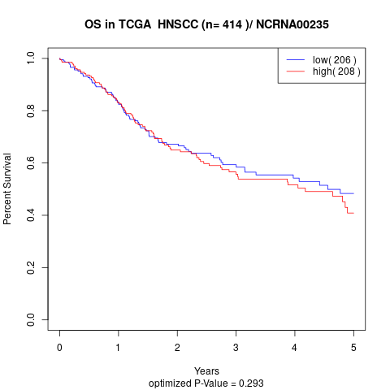

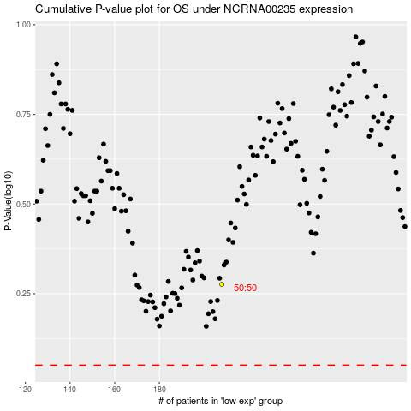

 |  |  |  |  |  | cases_OS | p_OS | rank | exp
 |  |  |  |  |  |  | cases_RFS | p_RFS | rank | exp

