NCS1 _multivariate
Reported by Tex Li-Hsing Chi. tex@gate.sinica.edu.tw 2019-08-17

Table 2. The clinicopathological features of HNSCC cohort and NCS1 expression. (Chi square test)
Cutoff at -0.046 (50.0%)
 |  | NCS1 expression |  | NCS1 expression |  | (Optimised)
 | Features | Low | (%) | High | (%) | Case no | P-value | Remark | Matthews
Gender | Female | 158 | 38.1 | 148 | 35.7 | 415 | 0.2774 | 0 | 0
2 | Male | 49 | 11.8 | 60 | 14.5
Age at diagnosis | <=65y | 142 | 34.2 | 132 | 31.8 | 415 | 0.3167 | 0 | 0
4 | >65y | 65 | 15.7 | 76 | 18.3
Clinical T Status | T1+T2 | 67 | 16.1 | 82 | 19.8 | 415 | 0.1628 | 0 | 0
6 | T3+T4 | 140 | 33.7 | 126 | 30.4
Clinical N Status | N0 | 99 | 23.9 | 117 | 28.2 | 415 | 0.1054 | 0 | 0
8 | N1-3 | 108 | 26 | 91 | 21.9
Clinical M Status | M0 | 206 | 49.6 | 206 | 49.6 | 415 | 1 | 0 | 0
10 | M1 | 1 | 0.2 | 2 | 0.5
Clinical Stage | Stage I+II | 37 | 8.9 | 65 | 15.7 | 415 | 0.0023 | 1 | 0
12 | Stage III+IV | 170 | 41 | 143 | 34.5
Surgical Margin status | Negative | 150 | 36.1 | 168 | 40.5 | 415 | 0.0492 | 1 | 0
14 | Positive | 57 | 13.7 | 40 | 9.6
Tobacco Exposure | Low | 81 | 19.5 | 80 | 19.3 | 415 | 0.9199 | 0 | 0
16 | High | 126 | 30.4 | 128 | 30.8

Table 3. Univariate/Multivariate Cox's proportional hazards regression analyses on OS time of NCS1 gene expression in HNSCC

 |  | Univariate |  |  |  | Multivariate
 | Features | HR | CI95%(L) | CI95%(H) | P-value | HR | CI95%(L) | CI95%(H) | P-value
1 | Female | 1 |  |  |  | 1
Gender | Male | 1.157 | 0.843 | 1.587 | 0.367 | 1.196 | 0.855 | 1.672 | 0.296
11 | <=65y | 1 |  |  |  | 1
Age at diagnosis | >65y | 1.329 | 0.99 | 1.784 | 0.058 | 1.381 | 1.014 | 1.881 | 0.041
12 | T1+T2 | 1 |  |  |  | 1
Clinical T Status | T3+T4 | 1.409 | 1.028 | 1.931 | 0.033 | 2.199 | 1.163 | 4.157 | 0.015
13 | N0 | 1 |  |  |  | 1
Clinical N Status | N1-3 | 1.185 | 0.89 | 1.577 | 0.246 | 1.236 | 0.866 | 1.765 | 0.242
14 | M0 | 1 |  |  |  | 1
Clinical M Status | M1 | 4.097 | 1.009 | 16.644 | 0.049 | 9.294 | 2.026 | 42.641 | 0.004
15 | Stage I+II | 1 |  |  |  | 1
Clinical Stage | Stage III+IV | 1.245 | 0.882 | 1.759 | 0.213 | 0.515 | 0.239 | 1.113 | 0.092
16 | Negative | 1 |  |  |  | 1
Surgical Margin status | Positive | 1.591 | 1.155 | 2.191 | 0.004 | 1.681 | 1.215 | 2.324 | 0.002
17 | Low | 1 |  |  |  | 1
Tobacco Exposure | High | 1.364 | 1.008 | 1.844 | 0.044 | 1.446 | 1.049 | 1.994 | 0.024
18 | Low | 1 |  |  |  | 1
RNAseq(z-score) | High | 1.056 | 0.793 | 1.408 | 0.708 | 1.068 | 0.792 | 1.439 | 0.667

Table 4. Univariate/Multivariate Cox's proportional hazards regression analyses on RFS time of NCS1 gene expression in HNSCC

 |  | Univariate |  |  |  | Multivariate
 | Features | HR | CI95%(L) | CI95%(H) | P-value | HR | CI95%(L) | CI95%(H) | P-value
1 | Female | 1 |  |  |  | 1
Gender | Male | 1.157 | 0.843 | 1.587 | 0.367 | 1.196 | 0.855 | 1.672 | 0.296
11 | <=65y | 1 |  |  |  | 1
Age at diagnosis | >65y | 1.329 | 0.99 | 1.784 | 0.058 | 1.381 | 1.014 | 1.881 | 0.041
12 | T1+T2 | 1 |  |  |  | 1
Clinical T Status | T3+T4 | 1.409 | 1.028 | 1.931 | 0.033 | 2.199 | 1.163 | 4.157 | 0.015
13 | N0 | 1 |  |  |  | 1
Clinical N Status | N1-3 | 1.185 | 0.89 | 1.577 | 0.246 | 1.236 | 0.866 | 1.765 | 0.242
14 | M0 | 1 |  |  |  | 1
Clinical M Status | M1 | 4.097 | 1.009 | 16.644 | 0.049 | 9.294 | 2.026 | 42.641 | 0.004
15 | Stage I+II | 1 |  |  |  | 1
Clinical Stage | Stage III+IV | 1.245 | 0.882 | 1.759 | 0.213 | 0.515 | 0.239 | 1.113 | 0.092
16 | Negative | 1 |  |  |  | 1
Surgical Margin status | Positive | 1.591 | 1.155 | 2.191 | 0.004 | 1.681 | 1.215 | 2.324 | 0.002
17 | Low | 1 |  |  |  | 1
Tobacco Exposure | High | 1.364 | 1.008 | 1.844 | 0.044 | 1.446 | 1.049 | 1.994 | 0.024
18 | Low | 1 |  |  |  | 1
RNAseq(z-score) | High | 1.056 | 0.793 | 1.408 | 0.708 | 1.068 | 0.792 | 1.439 | 0.667

Kaplan-Meier survival estimate: Cutoff at -0.046 (50.0%)



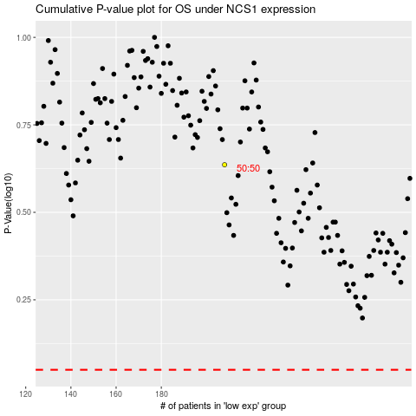

 |  |  |  |  |  | cases_OS | p_OS | rank | exp
 |  |  |  |  |  |  | cases_RFS | p_RFS | rank | exp

