NDE1 _multivariate
Reported by Tex Li-Hsing Chi. tex@gate.sinica.edu.tw 2019-08-17

Table 2. The clinicopathological features of HNSCC cohort and NDE1 expression. (Chi square test)
Cutoff at 0.008 (50.0%)
 |  | NDE1 expression |  | NDE1 expression |  | (Optimised)
 | Features | Low | (%) | High | (%) | Case no | P-value | Remark | Matthews
Gender | Female | 149 | 35.9 | 157 | 37.8 | 415 | 0.4848 | 0 | 0
2 | Male | 58 | 14 | 51 | 12.3
Age at diagnosis | <=65y | 142 | 34.2 | 132 | 31.8 | 415 | 0.3167 | 0 | 0
4 | >65y | 65 | 15.7 | 76 | 18.3
Clinical T Status | T1+T2 | 83 | 20 | 66 | 15.9 | 415 | 0.0941 | 0 | 0
6 | T3+T4 | 124 | 29.9 | 142 | 34.2
Clinical N Status | N0 | 105 | 25.3 | 111 | 26.7 | 415 | 0.6598 | 0 | 0
8 | N1-3 | 102 | 24.6 | 97 | 23.4
Clinical M Status | M0 | 207 | 49.9 | 205 | 49.4 | 415 | 0.2482 | 0 | 0
10 | M1 | 0 | 0 | 3 | 0.7
Clinical Stage | Stage I+II | 59 | 14.2 | 43 | 10.4 | 415 | 0.0822 | 0 | 0
12 | Stage III+IV | 148 | 35.7 | 165 | 39.8
Surgical Margin status | Negative | 157 | 37.8 | 161 | 38.8 | 415 | 0.729 | 0 | 0
14 | Positive | 50 | 12 | 47 | 11.3
Tobacco Exposure | Low | 73 | 17.6 | 88 | 21.2 | 415 | 0.1587 | 0 | 0
16 | High | 134 | 32.3 | 120 | 28.9

Table 3. Univariate/Multivariate Cox's proportional hazards regression analyses on OS time of NDE1 gene expression in HNSCC

 |  | Univariate |  |  |  | Multivariate
 | Features | HR | CI95%(L) | CI95%(H) | P-value | HR | CI95%(L) | CI95%(H) | P-value
1 | Female | 1 |  |  |  | 1
Gender | Male | 1.157 | 0.843 | 1.587 | 0.367 | 1.198 | 0.856 | 1.674 | 0.292
11 | <=65y | 1 |  |  |  | 1
Age at diagnosis | >65y | 1.329 | 0.99 | 1.784 | 0.058 | 1.393 | 1.024 | 1.893 | 0.035
12 | T1+T2 | 1 |  |  |  | 1
Clinical T Status | T3+T4 | 1.409 | 1.028 | 1.931 | 0.033 | 2.204 | 1.165 | 4.168 | 0.015
13 | N0 | 1 |  |  |  | 1
Clinical N Status | N1-3 | 1.185 | 0.89 | 1.577 | 0.246 | 1.236 | 0.865 | 1.766 | 0.245
14 | M0 | 1 |  |  |  | 1
Clinical M Status | M1 | 4.097 | 1.009 | 16.644 | 0.049 | 9.586 | 2.077 | 44.25 | 0.004
15 | Stage I+II | 1 |  |  |  | 1
Clinical Stage | Stage III+IV | 1.245 | 0.882 | 1.759 | 0.213 | 0.508 | 0.236 | 1.094 | 0.084
16 | Negative | 1 |  |  |  | 1
Surgical Margin status | Positive | 1.591 | 1.155 | 2.191 | 0.004 | 1.672 | 1.21 | 2.311 | 0.002
17 | Low | 1 |  |  |  | 1
Tobacco Exposure | High | 1.364 | 1.008 | 1.844 | 0.044 | 1.446 | 1.047 | 1.996 | 0.025
18 | Low | 1 |  |  |  | 1
RNAseq(z-score) | High | 0.965 | 0.724 | 1.287 | 0.808 | 0.962 | 0.716 | 1.293 | 0.797

Table 4. Univariate/Multivariate Cox's proportional hazards regression analyses on RFS time of NDE1 gene expression in HNSCC

 |  | Univariate |  |  |  | Multivariate
 | Features | HR | CI95%(L) | CI95%(H) | P-value | HR | CI95%(L) | CI95%(H) | P-value
1 | Female | 1 |  |  |  | 1
Gender | Male | 1.157 | 0.843 | 1.587 | 0.367 | 1.198 | 0.856 | 1.674 | 0.292
11 | <=65y | 1 |  |  |  | 1
Age at diagnosis | >65y | 1.329 | 0.99 | 1.784 | 0.058 | 1.393 | 1.024 | 1.893 | 0.035
12 | T1+T2 | 1 |  |  |  | 1
Clinical T Status | T3+T4 | 1.409 | 1.028 | 1.931 | 0.033 | 2.204 | 1.165 | 4.168 | 0.015
13 | N0 | 1 |  |  |  | 1
Clinical N Status | N1-3 | 1.185 | 0.89 | 1.577 | 0.246 | 1.236 | 0.865 | 1.766 | 0.245
14 | M0 | 1 |  |  |  | 1
Clinical M Status | M1 | 4.097 | 1.009 | 16.644 | 0.049 | 9.586 | 2.077 | 44.25 | 0.004
15 | Stage I+II | 1 |  |  |  | 1
Clinical Stage | Stage III+IV | 1.245 | 0.882 | 1.759 | 0.213 | 0.508 | 0.236 | 1.094 | 0.084
16 | Negative | 1 |  |  |  | 1
Surgical Margin status | Positive | 1.591 | 1.155 | 2.191 | 0.004 | 1.672 | 1.21 | 2.311 | 0.002
17 | Low | 1 |  |  |  | 1
Tobacco Exposure | High | 1.364 | 1.008 | 1.844 | 0.044 | 1.446 | 1.047 | 1.996 | 0.025
18 | Low | 1 |  |  |  | 1
RNAseq(z-score) | High | 0.965 | 0.724 | 1.287 | 0.808 | 0.962 | 0.716 | 1.293 | 0.797

Kaplan-Meier survival estimate: Cutoff at 0.008 (50.0%)



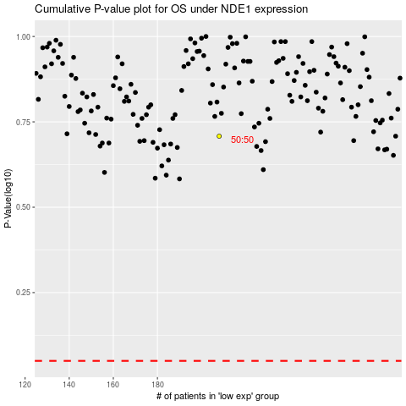

 |  |  |  |  |  | cases_OS | p_OS | rank | exp
 |  |  |  |  |  |  | cases_RFS | p_RFS | rank | exp

