NDEL1 _multivariate
Reported by Tex Li-Hsing Chi. tex@gate.sinica.edu.tw 2019-08-17

Table 2. The clinicopathological features of HNSCC cohort and NDEL1 expression. (Chi square test)
Cutoff at 0.019 (61.1%)
 |  | NDEL1 expression |  | NDEL1 expression |  | (Optimised)
 | Features | Low | (%) | High | (%) | Case no | P-value | Remark | Matthews
Gender | Female | 190 | 45.8 | 116 | 28 | 415 | 0.4999 | 0 | 0
2 | Male | 63 | 15.2 | 46 | 11.1
Age at diagnosis | <=65y | 172 | 41.4 | 102 | 24.6 | 415 | 0.3435 | 0 | 0
4 | >65y | 81 | 19.5 | 60 | 14.5
Clinical T Status | T1+T2 | 98 | 23.6 | 51 | 12.3 | 415 | 0.1622 | 0 | 0
6 | T3+T4 | 155 | 37.3 | 111 | 26.7
Clinical N Status | N0 | 123 | 29.6 | 93 | 22.4 | 415 | 0.0994 | 0 | 0
8 | N1-3 | 130 | 31.3 | 69 | 16.6
Clinical M Status | M0 | 252 | 60.7 | 160 | 38.6 | 415 | 0.5633 | 0 | 0
10 | M1 | 1 | 0.2 | 2 | 0.5
Clinical Stage | Stage I+II | 64 | 15.4 | 38 | 9.2 | 415 | 0.7583 | 0 | 0
12 | Stage III+IV | 189 | 45.5 | 124 | 29.9
Surgical Margin status | Negative | 191 | 46 | 127 | 30.6 | 415 | 0.5527 | 0 | 0
14 | Positive | 62 | 14.9 | 35 | 8.4
Tobacco Exposure | Low | 87 | 21 | 74 | 17.8 | 415 | 0.0233 | 1 | 0
16 | High | 166 | 40 | 88 | 21.2

Table 3. Univariate/Multivariate Cox's proportional hazards regression analyses on OS time of NDEL1 gene expression in HNSCC

 |  | Univariate |  |  |  | Multivariate
 | Features | HR | CI95%(L) | CI95%(H) | P-value | HR | CI95%(L) | CI95%(H) | P-value
1 | Female | 1 |  |  |  | 1
Gender | Male | 1.157 | 0.843 | 1.587 | 0.367 | 1.214 | 0.869 | 1.696 | 0.255
11 | <=65y | 1 |  |  |  | 1
Age at diagnosis | >65y | 1.329 | 0.99 | 1.784 | 0.058 | 1.452 | 1.067 | 1.976 | 0.018
12 | T1+T2 | 1 |  |  |  | 1
Clinical T Status | T3+T4 | 1.409 | 1.028 | 1.931 | 0.033 | 2.395 | 1.265 | 4.536 | 0.007
13 | N0 | 1 |  |  |  | 1
Clinical N Status | N1-3 | 1.185 | 0.89 | 1.577 | 0.246 | 1.184 | 0.827 | 1.696 | 0.356
14 | M0 | 1 |  |  |  | 1
Clinical M Status | M1 | 4.097 | 1.009 | 16.644 | 0.049 | 12.692 | 2.733 | 58.934 | 0.001
15 | Stage I+II | 1 |  |  |  | 1
Clinical Stage | Stage III+IV | 1.245 | 0.882 | 1.759 | 0.213 | 0.48 | 0.223 | 1.032 | 0.06
16 | Negative | 1 |  |  |  | 1
Surgical Margin status | Positive | 1.591 | 1.155 | 2.191 | 0.004 | 1.685 | 1.219 | 2.329 | 0.002
17 | Low | 1 |  |  |  | 1
Tobacco Exposure | High | 1.364 | 1.008 | 1.844 | 0.044 | 1.389 | 1.008 | 1.912 | 0.044
18 | Low | 1 |  |  |  | 1
RNAseq(z-score) | High | 0.663 | 0.486 | 0.905 | 0.01 | 0.615 | 0.448 | 0.846 | 0.003

Table 4. Univariate/Multivariate Cox's proportional hazards regression analyses on RFS time of NDEL1 gene expression in HNSCC

 |  | Univariate |  |  |  | Multivariate
 | Features | HR | CI95%(L) | CI95%(H) | P-value | HR | CI95%(L) | CI95%(H) | P-value
1 | Female | 1 |  |  |  | 1
Gender | Male | 1.157 | 0.843 | 1.587 | 0.367 | 1.214 | 0.869 | 1.696 | 0.255
11 | <=65y | 1 |  |  |  | 1
Age at diagnosis | >65y | 1.329 | 0.99 | 1.784 | 0.058 | 1.452 | 1.067 | 1.976 | 0.018
12 | T1+T2 | 1 |  |  |  | 1
Clinical T Status | T3+T4 | 1.409 | 1.028 | 1.931 | 0.033 | 2.395 | 1.265 | 4.536 | 0.007
13 | N0 | 1 |  |  |  | 1
Clinical N Status | N1-3 | 1.185 | 0.89 | 1.577 | 0.246 | 1.184 | 0.827 | 1.696 | 0.356
14 | M0 | 1 |  |  |  | 1
Clinical M Status | M1 | 4.097 | 1.009 | 16.644 | 0.049 | 12.692 | 2.733 | 58.934 | 0.001
15 | Stage I+II | 1 |  |  |  | 1
Clinical Stage | Stage III+IV | 1.245 | 0.882 | 1.759 | 0.213 | 0.48 | 0.223 | 1.032 | 0.06
16 | Negative | 1 |  |  |  | 1
Surgical Margin status | Positive | 1.591 | 1.155 | 2.191 | 0.004 | 1.685 | 1.219 | 2.329 | 0.002
17 | Low | 1 |  |  |  | 1
Tobacco Exposure | High | 1.364 | 1.008 | 1.844 | 0.044 | 1.389 | 1.008 | 1.912 | 0.044
18 | Low | 1 |  |  |  | 1
RNAseq(z-score) | High | 0.663 | 0.486 | 0.905 | 0.01 | 0.615 | 0.448 | 0.846 | 0.003

Kaplan-Meier survival estimate: Cutoff at 0.019 (61.1%)

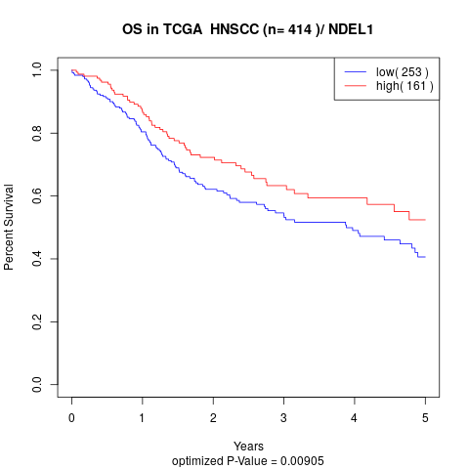

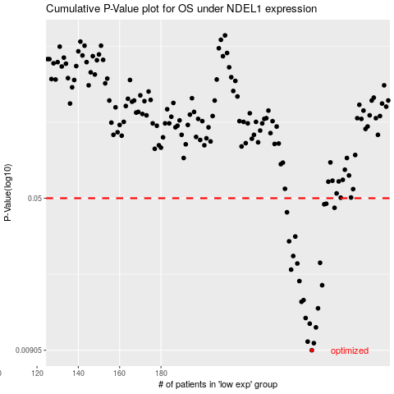

 |  |  |  |  |  | cases_OS | p_OS | rank | exp
 |  |  |  |  |  | 253 | 0.00905 | 319 | 0.019490240327
 |  |  |  |  |  | 254 | 0.0098 | 171 | 0.019660958711
 |  |  |  |  |  | 251 | 0.00997 | 167 | 0.015104825684
 |  |  |  |  |  | 255 | 0.0117 | 119 | 0.034406636084
 |  |  |  |  |  | 252 | 0.0122 | 86 | 0.015131506585
 |  |  |  |  |  | 250 | 0.013 | 414 | 0.010770803774
 |  |  |  |  |  | 256 | 0.0145 | 182 | 0.034664485824
 |  |  |  |  |  | 248 | 0.0156 | 154 | 0.0029497554882
 |  |  |  |  |  | 249 | 0.0159 | 48 | 0.0083836015458
 |  |  |  |  |  | 258 | 0.0188 | 245 | 0.042906324406
 |  |  |  |  |  | 247 | 0.0197 | 90 | -0.0016654496437
 |  |  |  |  |  | 243 | 0.0224 | 330 | -0.044505229566
 |  |  |  |  |  | 246 | 0.024 | 118 | -0.010665183336
 |  |  |  |  |  | 257 | 0.0242 | 206 | 0.034956302024
 |  |  |  |  |  | 244 | 0.0261 | 42 | -0.042914910039
 |  |  |  |  |  | 242 | 0.0308 | 308 | -0.045171267553
 |  |  |  |  |  | 245 | 0.0325 | 387 | -0.041809769403
 |  |  |  |  |  | 241 | 0.0427 | 222 | -0.045311662257
 |  |  |  |  |  | 264 | 0.0449 | 334 | 0.062348726416
 |  |  |  |  |  | 259 | 0.0467 | 358 | 0.043522544917
 |  |  |  |  |  | 260 | 0.047 | 282 | 0.050343404007
 |  |  |  |  |  |  | cases_RFS | p_RFS | rank | exp
 |  |  |  |  |  |  | 252 | 0.00905 | 86 | 0.015131506585
 |  |  |  |  |  |  | 253 | 0.0098 | 319 | 0.019490240327
 |  |  |  |  |  |  | 250 | 0.00997 | 414 | 0.010770803774
 |  |  |  |  |  |  | 254 | 0.0117 | 171 | 0.019660958711
 |  |  |  |  |  |  | 251 | 0.0122 | 167 | 0.015104825684
 |  |  |  |  |  |  | 249 | 0.013 | 48 | 0.0083836015458
 |  |  |  |  |  |  | 255 | 0.0145 | 119 | 0.034406636084
 |  |  |  |  |  |  | 247 | 0.0156 | 90 | -0.0016654496437
 |  |  |  |  |  |  | 248 | 0.0159 | 154 | 0.0029497554882
 |  |  |  |  |  |  | 257 | 0.0188 | 206 | 0.034956302024
 |  |  |  |  |  |  | 246 | 0.0197 | 118 | -0.010665183336
 |  |  |  |  |  |  | 242 | 0.0224 | 308 | -0.045171267553
 |  |  |  |  |  |  | 245 | 0.024 | 387 | -0.041809769403
 |  |  |  |  |  |  | 256 | 0.0242 | 182 | 0.034664485824
 |  |  |  |  |  |  | 243 | 0.0261 | 330 | -0.044505229566
 |  |  |  |  |  |  | 241 | 0.0308 | 222 | -0.045311662257
 |  |  |  |  |  |  | 244 | 0.0325 | 42 | -0.042914910039
 |  |  |  |  |  |  | 240 | 0.0427 | 137 | -0.051601660027
 |  |  |  |  |  |  | 263 | 0.0449 | 2 | 0.05625159907
 |  |  |  |  |  |  | 258 | 0.0467 | 245 | 0.042906324406
 |  |  |  |  |  |  | 259 | 0.047 | 358 | 0.043522544917

