NDN _multivariate
Reported by Tex Li-Hsing Chi. tex@gate.sinica.edu.tw 2019-08-17

Table 2. The clinicopathological features of HNSCC cohort and NDN expression. (Chi square test)
Cutoff at -0.423 (49.8%)
 |  | NDN expression |  | NDN expression |  | (Optimised)
 | Features | Low | (%) | High | (%) | Case no | P-value | Remark | Matthews
Gender | Female | 150 | 36.1 | 156 | 37.6 | 415 | 0.6344 | 0 | 0
2 | Male | 57 | 13.7 | 52 | 12.5
Age at diagnosis | <=65y | 128 | 30.8 | 146 | 35.2 | 415 | 0.0904 | 0 | 0
4 | >65y | 79 | 19 | 62 | 14.9
Clinical T Status | T1+T2 | 69 | 16.6 | 80 | 19.3 | 415 | 0.3239 | 0 | 0
6 | T3+T4 | 138 | 33.3 | 128 | 30.8
Clinical N Status | N0 | 111 | 26.7 | 105 | 25.3 | 415 | 0.5875 | 0 | 0
8 | N1-3 | 96 | 23.1 | 103 | 24.8
Clinical M Status | M0 | 206 | 49.6 | 206 | 49.6 | 415 | 1 | 0 | 0
10 | M1 | 1 | 0.2 | 2 | 0.5
Clinical Stage | Stage I+II | 44 | 10.6 | 58 | 14 | 415 | 0.1459 | 0 | 0
12 | Stage III+IV | 163 | 39.3 | 150 | 36.1
Surgical Margin status | Negative | 152 | 36.6 | 166 | 40 | 415 | 0.1329 | 0 | 0
14 | Positive | 55 | 13.3 | 42 | 10.1
Tobacco Exposure | Low | 80 | 19.3 | 81 | 19.5 | 415 | 1 | 0 | 0
16 | High | 127 | 30.6 | 127 | 30.6

Table 3. Univariate/Multivariate Cox's proportional hazards regression analyses on OS time of NDN gene expression in HNSCC

 |  | Univariate |  |  |  | Multivariate
 | Features | HR | CI95%(L) | CI95%(H) | P-value | HR | CI95%(L) | CI95%(H) | P-value
1 | Female | 1 |  |  |  | 1
Gender | Male | 1.157 | 0.843 | 1.587 | 0.367 | 1.203 | 0.861 | 1.681 | 0.28
11 | <=65y | 1 |  |  |  | 1
Age at diagnosis | >65y | 1.329 | 0.99 | 1.784 | 0.058 | 1.383 | 1.016 | 1.883 | 0.039
12 | T1+T2 | 1 |  |  |  | 1
Clinical T Status | T3+T4 | 1.409 | 1.028 | 1.931 | 0.033 | 2.223 | 1.174 | 4.21 | 0.014
13 | N0 | 1 |  |  |  | 1
Clinical N Status | N1-3 | 1.185 | 0.89 | 1.577 | 0.246 | 1.248 | 0.874 | 1.783 | 0.223
14 | M0 | 1 |  |  |  | 1
Clinical M Status | M1 | 4.097 | 1.009 | 16.644 | 0.049 | 9.656 | 2.096 | 44.485 | 0.004
15 | Stage I+II | 1 |  |  |  | 1
Clinical Stage | Stage III+IV | 1.245 | 0.882 | 1.759 | 0.213 | 0.494 | 0.229 | 1.067 | 0.073
16 | Negative | 1 |  |  |  | 1
Surgical Margin status | Positive | 1.591 | 1.155 | 2.191 | 0.004 | 1.666 | 1.205 | 2.303 | 0.002
17 | Low | 1 |  |  |  | 1
Tobacco Exposure | High | 1.364 | 1.008 | 1.844 | 0.044 | 1.453 | 1.054 | 2.003 | 0.022
18 | Low | 1 |  |  |  | 1
RNAseq(z-score) | High | 0.913 | 0.685 | 1.216 | 0.534 | 0.939 | 0.701 | 1.258 | 0.673

Table 4. Univariate/Multivariate Cox's proportional hazards regression analyses on RFS time of NDN gene expression in HNSCC

 |  | Univariate |  |  |  | Multivariate
 | Features | HR | CI95%(L) | CI95%(H) | P-value | HR | CI95%(L) | CI95%(H) | P-value
1 | Female | 1 |  |  |  | 1
Gender | Male | 1.157 | 0.843 | 1.587 | 0.367 | 1.203 | 0.861 | 1.681 | 0.28
11 | <=65y | 1 |  |  |  | 1
Age at diagnosis | >65y | 1.329 | 0.99 | 1.784 | 0.058 | 1.383 | 1.016 | 1.883 | 0.039
12 | T1+T2 | 1 |  |  |  | 1
Clinical T Status | T3+T4 | 1.409 | 1.028 | 1.931 | 0.033 | 2.223 | 1.174 | 4.21 | 0.014
13 | N0 | 1 |  |  |  | 1
Clinical N Status | N1-3 | 1.185 | 0.89 | 1.577 | 0.246 | 1.248 | 0.874 | 1.783 | 0.223
14 | M0 | 1 |  |  |  | 1
Clinical M Status | M1 | 4.097 | 1.009 | 16.644 | 0.049 | 9.656 | 2.096 | 44.485 | 0.004
15 | Stage I+II | 1 |  |  |  | 1
Clinical Stage | Stage III+IV | 1.245 | 0.882 | 1.759 | 0.213 | 0.494 | 0.229 | 1.067 | 0.073
16 | Negative | 1 |  |  |  | 1
Surgical Margin status | Positive | 1.591 | 1.155 | 2.191 | 0.004 | 1.666 | 1.205 | 2.303 | 0.002
17 | Low | 1 |  |  |  | 1
Tobacco Exposure | High | 1.364 | 1.008 | 1.844 | 0.044 | 1.453 | 1.054 | 2.003 | 0.022
18 | Low | 1 |  |  |  | 1
RNAseq(z-score) | High | 0.913 | 0.685 | 1.216 | 0.534 | 0.939 | 0.701 | 1.258 | 0.673

Kaplan-Meier survival estimate: Cutoff at -0.423 (49.8%)



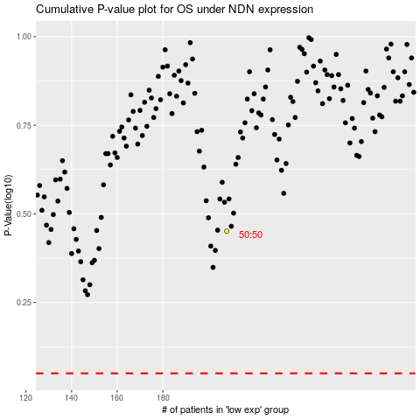

 |  |  |  |  |  | cases_OS | p_OS | rank | exp
 |  |  |  |  |  |  | cases_RFS | p_RFS | rank | exp

